IGFBP1 _multivariate
Reported by Tex Li-Hsing Chi. tex@gate.sinica.edu.tw 2019-08-19

Table 2. The clinicopathological features of HNSCC cohort and IGFBP1 expression. (Chi square test)
Cutoff at -0.212 (50.0%)
 |  | IGFBP1 expression |  | IGFBP1 expression |  | (Optimised)
 | Features | Low | (%) | High | (%) | Case no | P-value | Remark | Matthews
Gender | Female | 147 | 35.4 | 159 | 38.3 | 415 | 0.2523 | 0 | 0
2 | Male | 60 | 14.5 | 49 | 11.8
Age at diagnosis | <=65y | 132 | 31.8 | 142 | 34.2 | 415 | 0.3874 | 0 | 0
4 | >65y | 75 | 18.1 | 66 | 15.9
Clinical T Status | T1+T2 | 81 | 19.5 | 68 | 16.4 | 415 | 0.206 | 0 | 0
6 | T3+T4 | 126 | 30.4 | 140 | 33.7
Clinical N Status | N0 | 114 | 27.5 | 102 | 24.6 | 415 | 0.2576 | 1 | 0
8 | N1-3 | 93 | 22.4 | 106 | 25.5
Clinical M Status | M0 | 206 | 49.6 | 206 | 49.6 | 415 | 1 | 0 | 0
10 | M1 | 1 | 0.2 | 2 | 0.5
Clinical Stage | Stage I+II | 58 | 14 | 44 | 10.6 | 415 | 0.131 | 0 | 0
12 | Stage III+IV | 149 | 35.9 | 164 | 39.5
Surgical Margin status | Negative | 159 | 38.3 | 159 | 38.3 | 415 | 1 | 0 | 0
14 | Positive | 48 | 11.6 | 49 | 11.8
Tobacco Exposure | Low | 87 | 21 | 74 | 17.8 | 415 | 0.1911 | 0 | 0
16 | High | 120 | 28.9 | 134 | 32.3

Table 3. Univariate/Multivariate Cox's proportional hazards regression analyses on OS time of IGFBP1 gene expression in HNSCC

 |  | Univariate |  |  |  | Multivariate
 | Features | HR | CI95%(L) | CI95%(H) | P-value | HR | CI95%(L) | CI95%(H) | P-value
1 | Female | 1 |  |  |  | 1
Gender | Male | 1.157 | 0.843 | 1.587 | 0.367 | 1.201 | 0.86 | 1.678 | 0.282
11 | <=65y | 1 |  |  |  | 1
Age at diagnosis | >65y | 1.329 | 0.99 | 1.784 | 0.058 | 1.393 | 1.024 | 1.896 | 0.035
12 | T1+T2 | 1 |  |  |  | 1
Clinical T Status | T3+T4 | 1.409 | 1.028 | 1.931 | 0.033 | 2.202 | 1.165 | 4.164 | 0.015
13 | N0 | 1 |  |  |  | 1
Clinical N Status | N1-3 | 1.185 | 0.89 | 1.577 | 0.246 | 1.241 | 0.87 | 1.771 | 0.234
14 | M0 | 1 |  |  |  | 1
Clinical M Status | M1 | 4.097 | 1.009 | 16.644 | 0.049 | 9.374 | 2.04 | 43.071 | 0.004
15 | Stage I+II | 1 |  |  |  | 1
Clinical Stage | Stage III+IV | 1.245 | 0.882 | 1.759 | 0.213 | 0.504 | 0.235 | 1.082 | 0.079
16 | Negative | 1 |  |  |  | 1
Surgical Margin status | Positive | 1.591 | 1.155 | 2.191 | 0.004 | 1.671 | 1.209 | 2.309 | 0.002
17 | Low | 1 |  |  |  | 1
Tobacco Exposure | High | 1.364 | 1.008 | 1.844 | 0.044 | 1.452 | 1.053 | 2.002 | 0.023
18 | Low | 1 |  |  |  | 1
RNAseq(z-score) | High | 1.044 | 0.783 | 1.394 | 0.768 | 1.012 | 0.756 | 1.354 | 0.936

Table 4. Univariate/Multivariate Cox's proportional hazards regression analyses on RFS time of IGFBP1 gene expression in HNSCC

 |  | Univariate |  |  |  | Multivariate
 | Features | HR | CI95%(L) | CI95%(H) | P-value | HR | CI95%(L) | CI95%(H) | P-value
1 | Female | 1 |  |  |  | 1
Gender | Male | 1.157 | 0.843 | 1.587 | 0.367 | 1.201 | 0.86 | 1.678 | 0.282
11 | <=65y | 1 |  |  |  | 1
Age at diagnosis | >65y | 1.329 | 0.99 | 1.784 | 0.058 | 1.393 | 1.024 | 1.896 | 0.035
12 | T1+T2 | 1 |  |  |  | 1
Clinical T Status | T3+T4 | 1.409 | 1.028 | 1.931 | 0.033 | 2.202 | 1.165 | 4.164 | 0.015
13 | N0 | 1 |  |  |  | 1
Clinical N Status | N1-3 | 1.185 | 0.89 | 1.577 | 0.246 | 1.241 | 0.87 | 1.771 | 0.234
14 | M0 | 1 |  |  |  | 1
Clinical M Status | M1 | 4.097 | 1.009 | 16.644 | 0.049 | 9.374 | 2.04 | 43.071 | 0.004
15 | Stage I+II | 1 |  |  |  | 1
Clinical Stage | Stage III+IV | 1.245 | 0.882 | 1.759 | 0.213 | 0.504 | 0.235 | 1.082 | 0.079
16 | Negative | 1 |  |  |  | 1
Surgical Margin status | Positive | 1.591 | 1.155 | 2.191 | 0.004 | 1.671 | 1.209 | 2.309 | 0.002
17 | Low | 1 |  |  |  | 1
Tobacco Exposure | High | 1.364 | 1.008 | 1.844 | 0.044 | 1.452 | 1.053 | 2.002 | 0.023
18 | Low | 1 |  |  |  | 1
RNAseq(z-score) | High | 1.044 | 0.783 | 1.394 | 0.768 | 1.012 | 0.756 | 1.354 | 0.936

Kaplan-Meier survival estimate: Cutoff at -0.212 (50.0%)



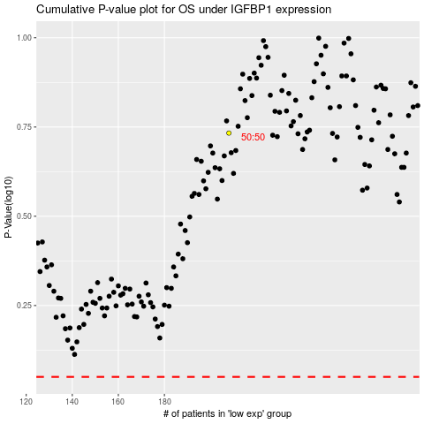

 |  |  |  |  |  | cases_OS | p_OS | rank | exp
 |  |  |  |  |  |  | cases_RFS | p_RFS | rank | exp

