IGFBPL1 _multivariate
Reported by Tex Li-Hsing Chi. tex@gate.sinica.edu.tw 2019-08-19

Table 2. The clinicopathological features of HNSCC cohort and IGFBPL1 expression. (Chi square test)
Cutoff at -0.302 (49.8%)
 |  | IGFBPL1 expression |  | IGFBPL1 expression |  | (Optimised)
 | Features | Low | (%) | High | (%) | Case no | P-value | Remark | Matthews
Gender | Female | 145 | 34.9 | 161 | 38.8 | 415 | 0.1116 | 0 | 0
2 | Male | 62 | 14.9 | 47 | 11.3
Age at diagnosis | <=65y | 130 | 31.3 | 144 | 34.7 | 415 | 0.2009 | 0 | 0
4 | >65y | 77 | 18.6 | 64 | 15.4
Clinical T Status | T1+T2 | 69 | 16.6 | 80 | 19.3 | 415 | 0.3239 | 0 | 0
6 | T3+T4 | 138 | 33.3 | 128 | 30.8
Clinical N Status | N0 | 115 | 27.7 | 101 | 24.3 | 415 | 0.184 | 1 | 0
8 | N1-3 | 92 | 22.2 | 107 | 25.8
Clinical M Status | M0 | 205 | 49.4 | 207 | 49.9 | 415 | 0.6232 | 0 | 0
10 | M1 | 2 | 0.5 | 1 | 0.2
Clinical Stage | Stage I+II | 54 | 13 | 48 | 11.6 | 415 | 0.5498 | 0 | 0
12 | Stage III+IV | 153 | 36.9 | 160 | 38.6
Surgical Margin status | Negative | 162 | 39 | 156 | 37.6 | 415 | 0.4867 | 0 | 0
14 | Positive | 45 | 10.8 | 52 | 12.5
Tobacco Exposure | Low | 90 | 21.7 | 71 | 17.1 | 415 | 0.0559 | 0 | 0
16 | High | 117 | 28.2 | 137 | 33

Table 3. Univariate/Multivariate Cox's proportional hazards regression analyses on OS time of IGFBPL1 gene expression in HNSCC

 |  | Univariate |  |  |  | Multivariate
 | Features | HR | CI95%(L) | CI95%(H) | P-value | HR | CI95%(L) | CI95%(H) | P-value
1 | Female | 1 |  |  |  | 1
Gender | Male | 1.157 | 0.843 | 1.587 | 0.367 | 1.204 | 0.861 | 1.684 | 0.278
11 | <=65y | 1 |  |  |  | 1
Age at diagnosis | >65y | 1.329 | 0.99 | 1.784 | 0.058 | 1.393 | 1.024 | 1.894 | 0.035
12 | T1+T2 | 1 |  |  |  | 1
Clinical T Status | T3+T4 | 1.409 | 1.028 | 1.931 | 0.033 | 2.208 | 1.166 | 4.181 | 0.015
13 | N0 | 1 |  |  |  | 1
Clinical N Status | N1-3 | 1.185 | 0.89 | 1.577 | 0.246 | 1.241 | 0.87 | 1.77 | 0.234
14 | M0 | 1 |  |  |  | 1
Clinical M Status | M1 | 4.097 | 1.009 | 16.644 | 0.049 | 9.45 | 2.058 | 43.394 | 0.004
15 | Stage I+II | 1 |  |  |  | 1
Clinical Stage | Stage III+IV | 1.245 | 0.882 | 1.759 | 0.213 | 0.503 | 0.234 | 1.081 | 0.078
16 | Negative | 1 |  |  |  | 1
Surgical Margin status | Positive | 1.591 | 1.155 | 2.191 | 0.004 | 1.67 | 1.209 | 2.309 | 0.002
17 | Low | 1 |  |  |  | 1
Tobacco Exposure | High | 1.364 | 1.008 | 1.844 | 0.044 | 1.451 | 1.052 | 2.001 | 0.023
18 | Low | 1 |  |  |  | 1
RNAseq(z-score) | High | 1.004 | 0.752 | 1.341 | 0.977 | 1.019 | 0.76 | 1.366 | 0.901

Table 4. Univariate/Multivariate Cox's proportional hazards regression analyses on RFS time of IGFBPL1 gene expression in HNSCC

 |  | Univariate |  |  |  | Multivariate
 | Features | HR | CI95%(L) | CI95%(H) | P-value | HR | CI95%(L) | CI95%(H) | P-value
1 | Female | 1 |  |  |  | 1
Gender | Male | 1.157 | 0.843 | 1.587 | 0.367 | 1.204 | 0.861 | 1.684 | 0.278
11 | <=65y | 1 |  |  |  | 1
Age at diagnosis | >65y | 1.329 | 0.99 | 1.784 | 0.058 | 1.393 | 1.024 | 1.894 | 0.035
12 | T1+T2 | 1 |  |  |  | 1
Clinical T Status | T3+T4 | 1.409 | 1.028 | 1.931 | 0.033 | 2.208 | 1.166 | 4.181 | 0.015
13 | N0 | 1 |  |  |  | 1
Clinical N Status | N1-3 | 1.185 | 0.89 | 1.577 | 0.246 | 1.241 | 0.87 | 1.77 | 0.234
14 | M0 | 1 |  |  |  | 1
Clinical M Status | M1 | 4.097 | 1.009 | 16.644 | 0.049 | 9.45 | 2.058 | 43.394 | 0.004
15 | Stage I+II | 1 |  |  |  | 1
Clinical Stage | Stage III+IV | 1.245 | 0.882 | 1.759 | 0.213 | 0.503 | 0.234 | 1.081 | 0.078
16 | Negative | 1 |  |  |  | 1
Surgical Margin status | Positive | 1.591 | 1.155 | 2.191 | 0.004 | 1.67 | 1.209 | 2.309 | 0.002
17 | Low | 1 |  |  |  | 1
Tobacco Exposure | High | 1.364 | 1.008 | 1.844 | 0.044 | 1.451 | 1.052 | 2.001 | 0.023
18 | Low | 1 |  |  |  | 1
RNAseq(z-score) | High | 1.004 | 0.752 | 1.341 | 0.977 | 1.019 | 0.76 | 1.366 | 0.901

Kaplan-Meier survival estimate: Cutoff at -0.302 (49.8%)

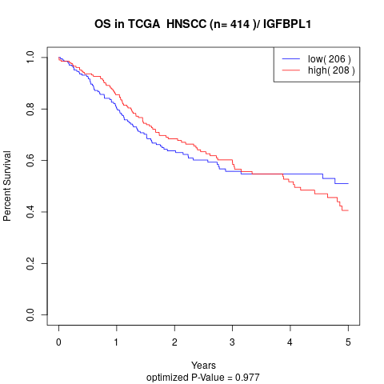

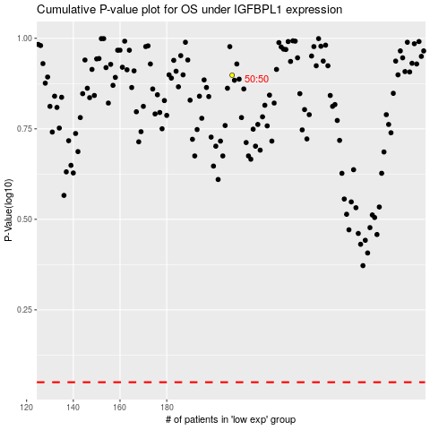

 |  |  |  |  |  | cases_OS | p_OS | rank | exp
 |  |  |  |  |  |  | cases_RFS | p_RFS | rank | exp

