IGFL2 _multivariate
Reported by Tex Li-Hsing Chi. tex@gate.sinica.edu.tw 2019-08-19

Table 2. The clinicopathological features of HNSCC cohort and IGFL2 expression. (Chi square test)
Cutoff at -0.244 (56.0%)
 |  | IGFL2 expression |  | IGFL2 expression |  | (Optimised)
 | Features | Low | (%) | High | (%) | Case no | P-value | Remark | Matthews
Gender | Female | 178 | 42.9 | 128 | 30.8 | 415 | 0.1483 | 0 | 0
2 | Male | 54 | 13 | 55 | 13.3
Age at diagnosis | <=65y | 155 | 37.3 | 119 | 28.7 | 415 | 0.7822 | 0 | 0
4 | >65y | 77 | 18.6 | 64 | 15.4
Clinical T Status | T1+T2 | 81 | 19.5 | 68 | 16.4 | 415 | 0.7112 | 0 | 0
6 | T3+T4 | 151 | 36.4 | 115 | 27.7
Clinical N Status | N0 | 121 | 29.2 | 95 | 22.9 | 415 | 1 | 0 | 0
8 | N1-3 | 111 | 26.7 | 88 | 21.2
Clinical M Status | M0 | 231 | 55.7 | 181 | 43.6 | 415 | 0.5854 | 0 | 0
10 | M1 | 1 | 0.2 | 2 | 0.5
Clinical Stage | Stage I+II | 50 | 12 | 52 | 12.5 | 415 | 0.1342 | 0 | 0
12 | Stage III+IV | 182 | 43.9 | 131 | 31.6
Surgical Margin status | Negative | 170 | 41 | 148 | 35.7 | 415 | 0.0798 | 0 | 0
14 | Positive | 62 | 14.9 | 35 | 8.4
Tobacco Exposure | Low | 86 | 20.7 | 75 | 18.1 | 415 | 0.4193 | 0 | 0
16 | High | 146 | 35.2 | 108 | 26

Table 3. Univariate/Multivariate Cox's proportional hazards regression analyses on OS time of IGFL2 gene expression in HNSCC

 |  | Univariate |  |  |  | Multivariate
 | Features | HR | CI95%(L) | CI95%(H) | P-value | HR | CI95%(L) | CI95%(H) | P-value
1 | Female | 1 |  |  |  | 1
Gender | Male | 1.157 | 0.843 | 1.587 | 0.367 | 1.263 | 0.901 | 1.771 | 0.175
11 | <=65y | 1 |  |  |  | 1
Age at diagnosis | >65y | 1.329 | 0.99 | 1.784 | 0.058 | 1.378 | 1.012 | 1.875 | 0.042
12 | T1+T2 | 1 |  |  |  | 1
Clinical T Status | T3+T4 | 1.409 | 1.028 | 1.931 | 0.033 | 2.45 | 1.291 | 4.649 | 0.006
13 | N0 | 1 |  |  |  | 1
Clinical N Status | N1-3 | 1.185 | 0.89 | 1.577 | 0.246 | 1.328 | 0.927 | 1.902 | 0.122
14 | M0 | 1 |  |  |  | 1
Clinical M Status | M1 | 4.097 | 1.009 | 16.644 | 0.049 | 12.342 | 2.661 | 57.244 | 0.001
15 | Stage I+II | 1 |  |  |  | 1
Clinical Stage | Stage III+IV | 1.245 | 0.882 | 1.759 | 0.213 | 0.423 | 0.195 | 0.916 | 0.029
16 | Negative | 1 |  |  |  | 1
Surgical Margin status | Positive | 1.591 | 1.155 | 2.191 | 0.004 | 1.609 | 1.163 | 2.225 | 0.004
17 | Low | 1 |  |  |  | 1
Tobacco Exposure | High | 1.364 | 1.008 | 1.844 | 0.044 | 1.495 | 1.082 | 2.066 | 0.015
18 | Low | 1 |  |  |  | 1
RNAseq(z-score) | High | 0.661 | 0.489 | 0.892 | 0.007 | 0.623 | 0.458 | 0.849 | 0.003

Table 4. Univariate/Multivariate Cox's proportional hazards regression analyses on RFS time of IGFL2 gene expression in HNSCC

 |  | Univariate |  |  |  | Multivariate
 | Features | HR | CI95%(L) | CI95%(H) | P-value | HR | CI95%(L) | CI95%(H) | P-value
1 | Female | 1 |  |  |  | 1
Gender | Male | 1.157 | 0.843 | 1.587 | 0.367 | 1.263 | 0.901 | 1.771 | 0.175
11 | <=65y | 1 |  |  |  | 1
Age at diagnosis | >65y | 1.329 | 0.99 | 1.784 | 0.058 | 1.378 | 1.012 | 1.875 | 0.042
12 | T1+T2 | 1 |  |  |  | 1
Clinical T Status | T3+T4 | 1.409 | 1.028 | 1.931 | 0.033 | 2.45 | 1.291 | 4.649 | 0.006
13 | N0 | 1 |  |  |  | 1
Clinical N Status | N1-3 | 1.185 | 0.89 | 1.577 | 0.246 | 1.328 | 0.927 | 1.902 | 0.122
14 | M0 | 1 |  |  |  | 1
Clinical M Status | M1 | 4.097 | 1.009 | 16.644 | 0.049 | 12.342 | 2.661 | 57.244 | 0.001
15 | Stage I+II | 1 |  |  |  | 1
Clinical Stage | Stage III+IV | 1.245 | 0.882 | 1.759 | 0.213 | 0.423 | 0.195 | 0.916 | 0.029
16 | Negative | 1 |  |  |  | 1
Surgical Margin status | Positive | 1.591 | 1.155 | 2.191 | 0.004 | 1.609 | 1.163 | 2.225 | 0.004
17 | Low | 1 |  |  |  | 1
Tobacco Exposure | High | 1.364 | 1.008 | 1.844 | 0.044 | 1.495 | 1.082 | 2.066 | 0.015
18 | Low | 1 |  |  |  | 1
RNAseq(z-score) | High | 0.661 | 0.489 | 0.892 | 0.007 | 0.623 | 0.458 | 0.849 | 0.003

Kaplan-Meier survival estimate: Cutoff at -0.244 (56.0%)

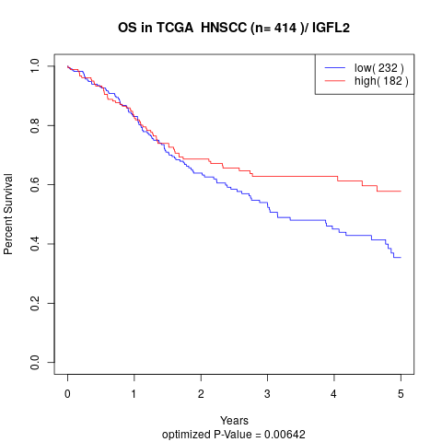

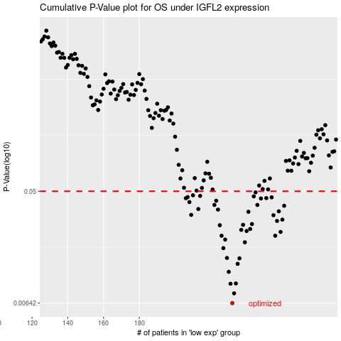

 |  |  |  |  |  | cases_OS | p_OS | rank | exp
 |  |  |  |  |  | 232 | 0.00642 | 305 | -0.24431994297
 |  |  |  |  |  | 233 | 0.00768 | 156 | -0.24230914144
 |  |  |  |  |  | 231 | 0.00916 | 62 | -0.24480975611
 |  |  |  |  |  | 234 | 0.00921 | 120 | -0.23939985914
 |  |  |  |  |  | 230 | 0.0114 | 209 | -0.24738779222
 |  |  |  |  |  | 235 | 0.0132 | 393 | -0.23891318206
 |  |  |  |  |  | 236 | 0.0146 | 182 | -0.23844865339
 |  |  |  |  |  | 229 | 0.0147 | 107 | -0.24753322694
 |  |  |  |  |  | 227 | 0.0176 | 336 | -0.24967770296
 |  |  |  |  |  | 239 | 0.0196 | 300 | -0.23419772605
 |  |  |  |  |  | 228 | 0.0206 | 204 | -0.24859282271
 |  |  |  |  |  | 226 | 0.0221 | 405 | -0.25033705927
 |  |  |  |  |  | 256 | 0.0221 | 406 | -0.19114924661
 |  |  |  |  |  | 259 | 0.0237 | 402 | -0.18563429168
 |  |  |  |  |  | 240 | 0.0241 | 403 | -0.233284349
 |  |  |  |  |  | 237 | 0.0246 | 22 | -0.23780027329
 |  |  |  |  |  | 242 | 0.025 | 343 | -0.23165418658
 |  |  |  |  |  | 225 | 0.0268 | 82 | -0.25457661839
 |  |  |  |  |  | 238 | 0.027 | 68 | -0.23667521229
 |  |  |  |  |  | 243 | 0.0274 | 205 | -0.22732858185
 |  |  |  |  |  | 257 | 0.029 | 167 | -0.19041834897
 |  |  |  |  |  | 260 | 0.0297 | 193 | -0.17776141275
 |  |  |  |  |  | 255 | 0.0322 | 216 | -0.19317102434
 |  |  |  |  |  | 209 | 0.0324 | 131 | -0.28126878856
 |  |  |  |  |  | 241 | 0.0343 | 114 | -0.23173866415
 |  |  |  |  |  | 258 | 0.0346 | 225 | -0.18780385617
 |  |  |  |  |  | 224 | 0.0357 | 123 | -0.25457975445
 |  |  |  |  |  | 213 | 0.0361 | 399 | -0.27570091265
 |  |  |  |  |  | 261 | 0.0383 | 245 | -0.17592701451
 |  |  |  |  |  | 246 | 0.0389 | 188 | -0.22004057783
 |  |  |  |  |  | 222 | 0.0389 | 384 | -0.25667836562
 |  |  |  |  |  | 208 | 0.041 | 236 | -0.28465279172
 |  |  |  |  |  | 223 | 0.042 | 273 | -0.25646589765
 |  |  |  |  |  | 248 | 0.0438 | 158 | -0.21910466036
 |  |  |  |  |  | 206 | 0.044 | 28 | -0.28834804869
 |  |  |  |  |  | 251 | 0.0441 | 18 | -0.21173276677
 |  |  |  |  |  | 254 | 0.0447 | 222 | -0.20433402069
 |  |  |  |  |  | 207 | 0.0449 | 254 | -0.28671337818
 |  |  |  |  |  | 244 | 0.0455 | 380 | -0.22041651284
 |  |  |  |  |  | 214 | 0.0459 | 102 | -0.27569973663
 |  |  |  |  |  | 210 | 0.0464 | 110 | -0.28023173321
 |  |  |  |  |  | 245 | 0.049 | 77 | -0.22034791156
 |  |  |  |  |  |  | cases_RFS | p_RFS | rank | exp
 |  |  |  |  |  |  | 231 | 0.00642 | 62 | -0.24480975611
 |  |  |  |  |  |  | 232 | 0.00768 | 305 | -0.24431994297
 |  |  |  |  |  |  | 230 | 0.00916 | 209 | -0.24738779222
 |  |  |  |  |  |  | 233 | 0.00921 | 156 | -0.24230914144
 |  |  |  |  |  |  | 229 | 0.0114 | 107 | -0.24753322694
 |  |  |  |  |  |  | 234 | 0.0132 | 120 | -0.23939985914
 |  |  |  |  |  |  | 235 | 0.0146 | 393 | -0.23891318206
 |  |  |  |  |  |  | 228 | 0.0147 | 204 | -0.24859282271
 |  |  |  |  |  |  | 226 | 0.0176 | 405 | -0.25033705927
 |  |  |  |  |  |  | 238 | 0.0196 | 68 | -0.23667521229
 |  |  |  |  |  |  | 227 | 0.0206 | 336 | -0.24967770296
 |  |  |  |  |  |  | 225 | 0.0221 | 82 | -0.25457661839
 |  |  |  |  |  |  | 255 | 0.0221 | 216 | -0.19317102434
 |  |  |  |  |  |  | 258 | 0.0237 | 225 | -0.18780385617
 |  |  |  |  |  |  | 239 | 0.0241 | 300 | -0.23419772605
 |  |  |  |  |  |  | 236 | 0.0246 | 182 | -0.23844865339
 |  |  |  |  |  |  | 241 | 0.025 | 114 | -0.23173866415
 |  |  |  |  |  |  | 224 | 0.0268 | 123 | -0.25457975445
 |  |  |  |  |  |  | 237 | 0.027 | 22 | -0.23780027329
 |  |  |  |  |  |  | 242 | 0.0274 | 343 | -0.23165418658
 |  |  |  |  |  |  | 256 | 0.029 | 406 | -0.19114924661
 |  |  |  |  |  |  | 259 | 0.0297 | 402 | -0.18563429168
 |  |  |  |  |  |  | 254 | 0.0322 | 222 | -0.20433402069
 |  |  |  |  |  |  | 208 | 0.0324 | 236 | -0.28465279172
 |  |  |  |  |  |  | 240 | 0.0343 | 403 | -0.233284349
 |  |  |  |  |  |  | 257 | 0.0346 | 167 | -0.19041834897
 |  |  |  |  |  |  | 223 | 0.0357 | 273 | -0.25646589765
 |  |  |  |  |  |  | 212 | 0.0361 | 85 | -0.27594317317
 |  |  |  |  |  |  | 260 | 0.0383 | 193 | -0.17776141275
 |  |  |  |  |  |  | 245 | 0.0389 | 77 | -0.22034791156
 |  |  |  |  |  |  | 221 | 0.0389 | 138 | -0.26021936771
 |  |  |  |  |  |  | 207 | 0.041 | 254 | -0.28671337818
 |  |  |  |  |  |  | 222 | 0.042 | 384 | -0.25667836562
 |  |  |  |  |  |  | 247 | 0.0438 | 181 | -0.21947726331
 |  |  |  |  |  |  | 205 | 0.044 | 203 | -0.28844409048
 |  |  |  |  |  |  | 250 | 0.0441 | 191 | -0.21177765161
 |  |  |  |  |  |  | 253 | 0.0447 | 250 | -0.20546045371
 |  |  |  |  |  |  | 206 | 0.0449 | 28 | -0.28834804869
 |  |  |  |  |  |  | 243 | 0.0455 | 205 | -0.22732858185
 |  |  |  |  |  |  | 213 | 0.0459 | 399 | -0.27570091265
 |  |  |  |  |  |  | 209 | 0.0464 | 131 | -0.28126878856
 |  |  |  |  |  |  | 244 | 0.049 | 380 | -0.22041651284

