IGFN1 _multivariate
Reported by Tex Li-Hsing Chi. tex@gate.sinica.edu.tw 2019-08-19

Table 2. The clinicopathological features of HNSCC cohort and IGFN1 expression. (Chi square test)
Cutoff at -0.102 (50.0%)
 |  | IGFN1 expression |  | IGFN1 expression |  | (Optimised)
 | Features | Low | (%) | High | (%) | Case no | P-value | Remark | Matthews
Gender | Female | 162 | 39 | 144 | 34.7 | 415 | 0.0479 | 1 | 0
2 | Male | 45 | 10.8 | 64 | 15.4
Age at diagnosis | <=65y | 133 | 32 | 141 | 34 | 415 | 0.5111 | 0 | 0
4 | >65y | 74 | 17.8 | 67 | 16.1
Clinical T Status | T1+T2 | 68 | 16.4 | 81 | 19.5 | 415 | 0.2336 | 0 | 0
6 | T3+T4 | 139 | 33.5 | 127 | 30.6
Clinical N Status | N0 | 98 | 23.6 | 118 | 28.4 | 415 | 0.0694 | 0 | 0
8 | N1-3 | 109 | 26.3 | 90 | 21.7
Clinical M Status | M0 | 207 | 49.9 | 205 | 49.4 | 415 | 0.2482 | 0 | 0
10 | M1 | 0 | 0 | 3 | 0.7
Clinical Stage | Stage I+II | 41 | 9.9 | 61 | 14.7 | 415 | 0.0325 | 1 | 0
12 | Stage III+IV | 166 | 40 | 147 | 35.4
Surgical Margin status | Negative | 163 | 39.3 | 155 | 37.3 | 415 | 0.3537 | 0 | 0
14 | Positive | 44 | 10.6 | 53 | 12.8
Tobacco Exposure | Low | 71 | 17.1 | 90 | 21.7 | 415 | 0.0698 | 0 | 0
16 | High | 136 | 32.8 | 118 | 28.4

Table 3. Univariate/Multivariate Cox's proportional hazards regression analyses on OS time of IGFN1 gene expression in HNSCC

 |  | Univariate |  |  |  | Multivariate
 | Features | HR | CI95%(L) | CI95%(H) | P-value | HR | CI95%(L) | CI95%(H) | P-value
1 | Female | 1 |  |  |  | 1
Gender | Male | 1.157 | 0.843 | 1.587 | 0.367 | 1.246 | 0.891 | 1.744 | 0.198
11 | <=65y | 1 |  |  |  | 1
Age at diagnosis | >65y | 1.329 | 0.99 | 1.784 | 0.058 | 1.385 | 1.019 | 1.883 | 0.038
12 | T1+T2 | 1 |  |  |  | 1
Clinical T Status | T3+T4 | 1.409 | 1.028 | 1.931 | 0.033 | 2.31 | 1.219 | 4.376 | 0.01
13 | N0 | 1 |  |  |  | 1
Clinical N Status | N1-3 | 1.185 | 0.89 | 1.577 | 0.246 | 1.213 | 0.849 | 1.732 | 0.288
14 | M0 | 1 |  |  |  | 1
Clinical M Status | M1 | 4.097 | 1.009 | 16.644 | 0.049 | 11.593 | 2.478 | 54.249 | 0.002
15 | Stage I+II | 1 |  |  |  | 1
Clinical Stage | Stage III+IV | 1.245 | 0.882 | 1.759 | 0.213 | 0.48 | 0.223 | 1.031 | 0.06
16 | Negative | 1 |  |  |  | 1
Surgical Margin status | Positive | 1.591 | 1.155 | 2.191 | 0.004 | 1.716 | 1.24 | 2.375 | 0.001
17 | Low | 1 |  |  |  | 1
Tobacco Exposure | High | 1.364 | 1.008 | 1.844 | 0.044 | 1.433 | 1.04 | 1.974 | 0.028
18 | Low | 1 |  |  |  | 1
RNAseq(z-score) | High | 0.828 | 0.621 | 1.104 | 0.199 | 0.77 | 0.571 | 1.039 | 0.087

Table 4. Univariate/Multivariate Cox's proportional hazards regression analyses on RFS time of IGFN1 gene expression in HNSCC

 |  | Univariate |  |  |  | Multivariate
 | Features | HR | CI95%(L) | CI95%(H) | P-value | HR | CI95%(L) | CI95%(H) | P-value
1 | Female | 1 |  |  |  | 1
Gender | Male | 1.157 | 0.843 | 1.587 | 0.367 | 1.246 | 0.891 | 1.744 | 0.198
11 | <=65y | 1 |  |  |  | 1
Age at diagnosis | >65y | 1.329 | 0.99 | 1.784 | 0.058 | 1.385 | 1.019 | 1.883 | 0.038
12 | T1+T2 | 1 |  |  |  | 1
Clinical T Status | T3+T4 | 1.409 | 1.028 | 1.931 | 0.033 | 2.31 | 1.219 | 4.376 | 0.01
13 | N0 | 1 |  |  |  | 1
Clinical N Status | N1-3 | 1.185 | 0.89 | 1.577 | 0.246 | 1.213 | 0.849 | 1.732 | 0.288
14 | M0 | 1 |  |  |  | 1
Clinical M Status | M1 | 4.097 | 1.009 | 16.644 | 0.049 | 11.593 | 2.478 | 54.249 | 0.002
15 | Stage I+II | 1 |  |  |  | 1
Clinical Stage | Stage III+IV | 1.245 | 0.882 | 1.759 | 0.213 | 0.48 | 0.223 | 1.031 | 0.06
16 | Negative | 1 |  |  |  | 1
Surgical Margin status | Positive | 1.591 | 1.155 | 2.191 | 0.004 | 1.716 | 1.24 | 2.375 | 0.001
17 | Low | 1 |  |  |  | 1
Tobacco Exposure | High | 1.364 | 1.008 | 1.844 | 0.044 | 1.433 | 1.04 | 1.974 | 0.028
18 | Low | 1 |  |  |  | 1
RNAseq(z-score) | High | 0.828 | 0.621 | 1.104 | 0.199 | 0.77 | 0.571 | 1.039 | 0.087

Kaplan-Meier survival estimate: Cutoff at -0.102 (50.0%)



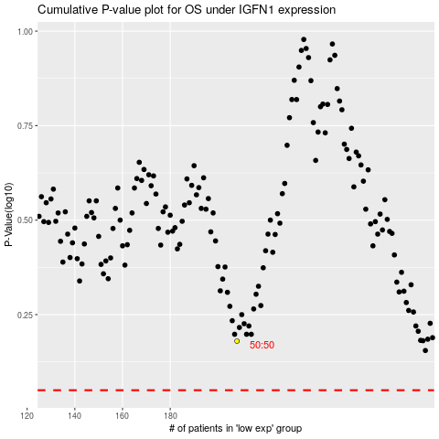

 |  |  |  |  |  | cases_OS | p_OS | rank | exp
 |  |  |  |  |  |  | cases_RFS | p_RFS | rank | exp

