IGHMBP2 _multivariate
Reported by Tex Li-Hsing Chi. tex@gate.sinica.edu.tw 2019-08-19

Table 2. The clinicopathological features of HNSCC cohort and IGHMBP2 expression. (Chi square test)
Cutoff at -0.242 (49.8%)
 |  | IGHMBP2 expression |  | IGHMBP2 expression |  | (Optimised)
 | Features | Low | (%) | High | (%) | Case no | P-value | Remark | Matthews
Gender | Female | 157 | 37.8 | 149 | 35.9 | 415 | 0.3881 | 0 | 0
2 | Male | 50 | 12 | 59 | 14.2
Age at diagnosis | <=65y | 131 | 31.6 | 143 | 34.5 | 415 | 0.2839 | 0 | 0
4 | >65y | 76 | 18.3 | 65 | 15.7
Clinical T Status | T1+T2 | 81 | 19.5 | 68 | 16.4 | 415 | 0.206 | 0 | 0
6 | T3+T4 | 126 | 30.4 | 140 | 33.7
Clinical N Status | N0 | 113 | 27.2 | 103 | 24.8 | 415 | 0.3495 | 1 | 0
8 | N1-3 | 94 | 22.7 | 105 | 25.3
Clinical M Status | M0 | 205 | 49.4 | 207 | 49.9 | 415 | 0.6232 | 0 | 0
10 | M1 | 2 | 0.5 | 1 | 0.2
Clinical Stage | Stage I+II | 55 | 13.3 | 47 | 11.3 | 415 | 0.4087 | 0 | 0
12 | Stage III+IV | 152 | 36.6 | 161 | 38.8
Surgical Margin status | Negative | 155 | 37.3 | 163 | 39.3 | 415 | 0.4187 | 0 | 0
14 | Positive | 52 | 12.5 | 45 | 10.8
Tobacco Exposure | Low | 85 | 20.5 | 76 | 18.3 | 415 | 0.3655 | 0 | 0
16 | High | 122 | 29.4 | 132 | 31.8

Table 3. Univariate/Multivariate Cox's proportional hazards regression analyses on OS time of IGHMBP2 gene expression in HNSCC

 |  | Univariate |  |  |  | Multivariate
 | Features | HR | CI95%(L) | CI95%(H) | P-value | HR | CI95%(L) | CI95%(H) | P-value
1 | Female | 1 |  |  |  | 1
Gender | Male | 1.157 | 0.843 | 1.587 | 0.367 | 1.207 | 0.862 | 1.692 | 0.274
11 | <=65y | 1 |  |  |  | 1
Age at diagnosis | >65y | 1.329 | 0.99 | 1.784 | 0.058 | 1.388 | 1.02 | 1.889 | 0.037
12 | T1+T2 | 1 |  |  |  | 1
Clinical T Status | T3+T4 | 1.409 | 1.028 | 1.931 | 0.033 | 2.211 | 1.168 | 4.185 | 0.015
13 | N0 | 1 |  |  |  | 1
Clinical N Status | N1-3 | 1.185 | 0.89 | 1.577 | 0.246 | 1.242 | 0.871 | 1.773 | 0.231
14 | M0 | 1 |  |  |  | 1
Clinical M Status | M1 | 4.097 | 1.009 | 16.644 | 0.049 | 9.414 | 2.054 | 43.152 | 0.004
15 | Stage I+II | 1 |  |  |  | 1
Clinical Stage | Stage III+IV | 1.245 | 0.882 | 1.759 | 0.213 | 0.504 | 0.235 | 1.081 | 0.078
16 | Negative | 1 |  |  |  | 1
Surgical Margin status | Positive | 1.591 | 1.155 | 2.191 | 0.004 | 1.672 | 1.21 | 2.31 | 0.002
17 | Low | 1 |  |  |  | 1
Tobacco Exposure | High | 1.364 | 1.008 | 1.844 | 0.044 | 1.457 | 1.056 | 2.011 | 0.022
18 | Low | 1 |  |  |  | 1
RNAseq(z-score) | High | 1.035 | 0.777 | 1.378 | 0.816 | 0.971 | 0.725 | 1.3 | 0.842

Table 4. Univariate/Multivariate Cox's proportional hazards regression analyses on RFS time of IGHMBP2 gene expression in HNSCC

 |  | Univariate |  |  |  | Multivariate
 | Features | HR | CI95%(L) | CI95%(H) | P-value | HR | CI95%(L) | CI95%(H) | P-value
1 | Female | 1 |  |  |  | 1
Gender | Male | 1.157 | 0.843 | 1.587 | 0.367 | 1.207 | 0.862 | 1.692 | 0.274
11 | <=65y | 1 |  |  |  | 1
Age at diagnosis | >65y | 1.329 | 0.99 | 1.784 | 0.058 | 1.388 | 1.02 | 1.889 | 0.037
12 | T1+T2 | 1 |  |  |  | 1
Clinical T Status | T3+T4 | 1.409 | 1.028 | 1.931 | 0.033 | 2.211 | 1.168 | 4.185 | 0.015
13 | N0 | 1 |  |  |  | 1
Clinical N Status | N1-3 | 1.185 | 0.89 | 1.577 | 0.246 | 1.242 | 0.871 | 1.773 | 0.231
14 | M0 | 1 |  |  |  | 1
Clinical M Status | M1 | 4.097 | 1.009 | 16.644 | 0.049 | 9.414 | 2.054 | 43.152 | 0.004
15 | Stage I+II | 1 |  |  |  | 1
Clinical Stage | Stage III+IV | 1.245 | 0.882 | 1.759 | 0.213 | 0.504 | 0.235 | 1.081 | 0.078
16 | Negative | 1 |  |  |  | 1
Surgical Margin status | Positive | 1.591 | 1.155 | 2.191 | 0.004 | 1.672 | 1.21 | 2.31 | 0.002
17 | Low | 1 |  |  |  | 1
Tobacco Exposure | High | 1.364 | 1.008 | 1.844 | 0.044 | 1.457 | 1.056 | 2.011 | 0.022
18 | Low | 1 |  |  |  | 1
RNAseq(z-score) | High | 1.035 | 0.777 | 1.378 | 0.816 | 0.971 | 0.725 | 1.3 | 0.842

Kaplan-Meier survival estimate: Cutoff at -0.242 (49.8%)



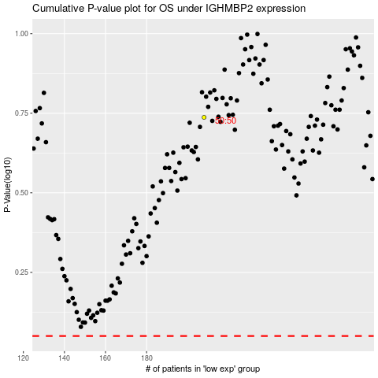

 |  |  |  |  |  | cases_OS | p_OS | rank | exp
 |  |  |  |  |  |  | cases_RFS | p_RFS | rank | exp

