IGSF10 _multivariate
Reported by Tex Li-Hsing Chi. tex@gate.sinica.edu.tw 2019-08-19

Table 2. The clinicopathological features of HNSCC cohort and IGSF10 expression. (Chi square test)
Cutoff at -0.412 (49.8%)
 |  | IGSF10 expression |  | IGSF10 expression |  | (Optimised)
 | Features | Low | (%) | High | (%) | Case no | P-value | Remark | Matthews
Gender | Female | 148 | 35.7 | 158 | 38.1 | 415 | 0.3567 | 0 | 0
2 | Male | 59 | 14.2 | 50 | 12
Age at diagnosis | <=65y | 134 | 32.3 | 140 | 33.7 | 415 | 0.6529 | 0 | 0
4 | >65y | 73 | 17.6 | 68 | 16.4
Clinical T Status | T1+T2 | 66 | 15.9 | 83 | 20 | 415 | 0.1095 | 0 | 0
6 | T3+T4 | 141 | 34 | 125 | 30.1
Clinical N Status | N0 | 107 | 25.8 | 109 | 26.3 | 415 | 0.9624 | 0 | 0
8 | N1-3 | 100 | 24.1 | 99 | 23.9
Clinical M Status | M0 | 205 | 49.4 | 207 | 49.9 | 415 | 0.6232 | 0 | 0
10 | M1 | 2 | 0.5 | 1 | 0.2
Clinical Stage | Stage I+II | 49 | 11.8 | 53 | 12.8 | 415 | 0.7535 | 0 | 0
12 | Stage III+IV | 158 | 38.1 | 155 | 37.3
Surgical Margin status | Negative | 153 | 36.9 | 165 | 39.8 | 415 | 0.2036 | 0 | 0
14 | Positive | 54 | 13 | 43 | 10.4
Tobacco Exposure | Low | 87 | 21 | 74 | 17.8 | 415 | 0.1911 | 0 | 0
16 | High | 120 | 28.9 | 134 | 32.3

Table 3. Univariate/Multivariate Cox's proportional hazards regression analyses on OS time of IGSF10 gene expression in HNSCC

 |  | Univariate |  |  |  | Multivariate
 | Features | HR | CI95%(L) | CI95%(H) | P-value | HR | CI95%(L) | CI95%(H) | P-value
1 | Female | 1 |  |  |  | 1
Gender | Male | 1.157 | 0.843 | 1.587 | 0.367 | 1.192 | 0.852 | 1.669 | 0.306
11 | <=65y | 1 |  |  |  | 1
Age at diagnosis | >65y | 1.329 | 0.99 | 1.784 | 0.058 | 1.395 | 1.026 | 1.897 | 0.034
12 | T1+T2 | 1 |  |  |  | 1
Clinical T Status | T3+T4 | 1.409 | 1.028 | 1.931 | 0.033 | 2.173 | 1.146 | 4.119 | 0.017
13 | N0 | 1 |  |  |  | 1
Clinical N Status | N1-3 | 1.185 | 0.89 | 1.577 | 0.246 | 1.239 | 0.868 | 1.768 | 0.238
14 | M0 | 1 |  |  |  | 1
Clinical M Status | M1 | 4.097 | 1.009 | 16.644 | 0.049 | 9.222 | 2.008 | 42.368 | 0.004
15 | Stage I+II | 1 |  |  |  | 1
Clinical Stage | Stage III+IV | 1.245 | 0.882 | 1.759 | 0.213 | 0.512 | 0.238 | 1.102 | 0.087
16 | Negative | 1 |  |  |  | 1
Surgical Margin status | Positive | 1.591 | 1.155 | 2.191 | 0.004 | 1.661 | 1.201 | 2.298 | 0.002
17 | Low | 1 |  |  |  | 1
Tobacco Exposure | High | 1.364 | 1.008 | 1.844 | 0.044 | 1.46 | 1.059 | 2.015 | 0.021
18 | Low | 1 |  |  |  | 1
RNAseq(z-score) | High | 0.88 | 0.66 | 1.172 | 0.382 | 0.933 | 0.696 | 1.25 | 0.641

Table 4. Univariate/Multivariate Cox's proportional hazards regression analyses on RFS time of IGSF10 gene expression in HNSCC

 |  | Univariate |  |  |  | Multivariate
 | Features | HR | CI95%(L) | CI95%(H) | P-value | HR | CI95%(L) | CI95%(H) | P-value
1 | Female | 1 |  |  |  | 1
Gender | Male | 1.157 | 0.843 | 1.587 | 0.367 | 1.192 | 0.852 | 1.669 | 0.306
11 | <=65y | 1 |  |  |  | 1
Age at diagnosis | >65y | 1.329 | 0.99 | 1.784 | 0.058 | 1.395 | 1.026 | 1.897 | 0.034
12 | T1+T2 | 1 |  |  |  | 1
Clinical T Status | T3+T4 | 1.409 | 1.028 | 1.931 | 0.033 | 2.173 | 1.146 | 4.119 | 0.017
13 | N0 | 1 |  |  |  | 1
Clinical N Status | N1-3 | 1.185 | 0.89 | 1.577 | 0.246 | 1.239 | 0.868 | 1.768 | 0.238
14 | M0 | 1 |  |  |  | 1
Clinical M Status | M1 | 4.097 | 1.009 | 16.644 | 0.049 | 9.222 | 2.008 | 42.368 | 0.004
15 | Stage I+II | 1 |  |  |  | 1
Clinical Stage | Stage III+IV | 1.245 | 0.882 | 1.759 | 0.213 | 0.512 | 0.238 | 1.102 | 0.087
16 | Negative | 1 |  |  |  | 1
Surgical Margin status | Positive | 1.591 | 1.155 | 2.191 | 0.004 | 1.661 | 1.201 | 2.298 | 0.002
17 | Low | 1 |  |  |  | 1
Tobacco Exposure | High | 1.364 | 1.008 | 1.844 | 0.044 | 1.46 | 1.059 | 2.015 | 0.021
18 | Low | 1 |  |  |  | 1
RNAseq(z-score) | High | 0.88 | 0.66 | 1.172 | 0.382 | 0.933 | 0.696 | 1.25 | 0.641

Kaplan-Meier survival estimate: Cutoff at -0.412 (49.8%)



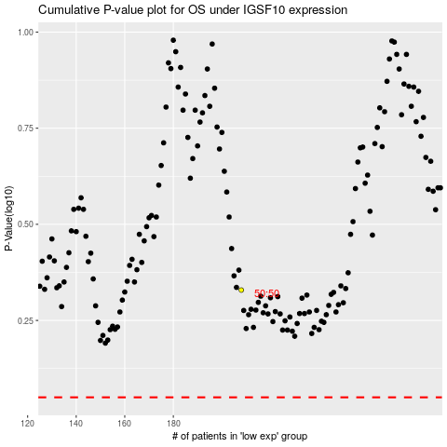

 |  |  |  |  |  | cases_OS | p_OS | rank | exp
 |  |  |  |  |  |  | cases_RFS | p_RFS | rank | exp

