IGSF11 _multivariate
Reported by Tex Li-Hsing Chi. tex@gate.sinica.edu.tw 2019-08-19

Table 2. The clinicopathological features of HNSCC cohort and IGSF11 expression. (Chi square test)
Cutoff at -0.127 (68.4%)
 |  | IGSF11 expression |  | IGSF11 expression |  | (Optimised)
 | Features | Low | (%) | High | (%) | Case no | P-value | Remark | Matthews
Gender | Female | 203 | 48.9 | 103 | 24.8 | 415 | 0.1563 | 0 | 0
2 | Male | 81 | 19.5 | 28 | 6.7
Age at diagnosis | <=65y | 191 | 46 | 83 | 20 | 415 | 0.5047 | 0 | 0
4 | >65y | 93 | 22.4 | 48 | 11.6
Clinical T Status | T1+T2 | 107 | 25.8 | 42 | 10.1 | 415 | 0.3182 | 0 | 0
6 | T3+T4 | 177 | 42.7 | 89 | 21.4
Clinical N Status | N0 | 144 | 34.7 | 72 | 17.3 | 415 | 0.4832 | 0 | 0
8 | N1-3 | 140 | 33.7 | 59 | 14.2
Clinical M Status | M0 | 281 | 67.7 | 131 | 31.6 | 415 | 0.5549 | 0 | 0
10 | M1 | 3 | 0.7 | 0 | 0
Clinical Stage | Stage I+II | 75 | 18.1 | 27 | 6.5 | 415 | 0.2492 | 0 | 0
12 | Stage III+IV | 209 | 50.4 | 104 | 25.1
Surgical Margin status | Negative | 219 | 52.8 | 99 | 23.9 | 415 | 0.803 | 0 | 0
14 | Positive | 65 | 15.7 | 32 | 7.7
Tobacco Exposure | Low | 125 | 30.1 | 36 | 8.7 | 415 | 0.0016 | 1 | 0
16 | High | 159 | 38.3 | 95 | 22.9

Table 3. Univariate/Multivariate Cox's proportional hazards regression analyses on OS time of IGSF11 gene expression in HNSCC

 |  | Univariate |  |  |  | Multivariate
 | Features | HR | CI95%(L) | CI95%(H) | P-value | HR | CI95%(L) | CI95%(H) | P-value
1 | Female | 1 |  |  |  | 1
Gender | Male | 1.157 | 0.843 | 1.587 | 0.367 | 1.242 | 0.888 | 1.736 | 0.205
11 | <=65y | 1 |  |  |  | 1
Age at diagnosis | >65y | 1.329 | 0.99 | 1.784 | 0.058 | 1.382 | 1.017 | 1.878 | 0.039
12 | T1+T2 | 1 |  |  |  | 1
Clinical T Status | T3+T4 | 1.409 | 1.028 | 1.931 | 0.033 | 2.236 | 1.181 | 4.233 | 0.013
13 | N0 | 1 |  |  |  | 1
Clinical N Status | N1-3 | 1.185 | 0.89 | 1.577 | 0.246 | 1.274 | 0.892 | 1.82 | 0.183
14 | M0 | 1 |  |  |  | 1
Clinical M Status | M1 | 4.097 | 1.009 | 16.644 | 0.049 | 11.069 | 2.401 | 51.03 | 0.002
15 | Stage I+II | 1 |  |  |  | 1
Clinical Stage | Stage III+IV | 1.245 | 0.882 | 1.759 | 0.213 | 0.469 | 0.218 | 1.01 | 0.053
16 | Negative | 1 |  |  |  | 1
Surgical Margin status | Positive | 1.591 | 1.155 | 2.191 | 0.004 | 1.658 | 1.2 | 2.292 | 0.002
17 | Low | 1 |  |  |  | 1
Tobacco Exposure | High | 1.364 | 1.008 | 1.844 | 0.044 | 1.34 | 0.968 | 1.854 | 0.078
18 | Low | 1 |  |  |  | 1
RNAseq(z-score) | High | 1.537 | 1.143 | 2.066 | 0.004 | 1.518 | 1.114 | 2.067 | 0.008

Table 4. Univariate/Multivariate Cox's proportional hazards regression analyses on RFS time of IGSF11 gene expression in HNSCC

 |  | Univariate |  |  |  | Multivariate
 | Features | HR | CI95%(L) | CI95%(H) | P-value | HR | CI95%(L) | CI95%(H) | P-value
1 | Female | 1 |  |  |  | 1
Gender | Male | 1.157 | 0.843 | 1.587 | 0.367 | 1.242 | 0.888 | 1.736 | 0.205
11 | <=65y | 1 |  |  |  | 1
Age at diagnosis | >65y | 1.329 | 0.99 | 1.784 | 0.058 | 1.382 | 1.017 | 1.878 | 0.039
12 | T1+T2 | 1 |  |  |  | 1
Clinical T Status | T3+T4 | 1.409 | 1.028 | 1.931 | 0.033 | 2.236 | 1.181 | 4.233 | 0.013
13 | N0 | 1 |  |  |  | 1
Clinical N Status | N1-3 | 1.185 | 0.89 | 1.577 | 0.246 | 1.274 | 0.892 | 1.82 | 0.183
14 | M0 | 1 |  |  |  | 1
Clinical M Status | M1 | 4.097 | 1.009 | 16.644 | 0.049 | 11.069 | 2.401 | 51.03 | 0.002
15 | Stage I+II | 1 |  |  |  | 1
Clinical Stage | Stage III+IV | 1.245 | 0.882 | 1.759 | 0.213 | 0.469 | 0.218 | 1.01 | 0.053
16 | Negative | 1 |  |  |  | 1
Surgical Margin status | Positive | 1.591 | 1.155 | 2.191 | 0.004 | 1.658 | 1.2 | 2.292 | 0.002
17 | Low | 1 |  |  |  | 1
Tobacco Exposure | High | 1.364 | 1.008 | 1.844 | 0.044 | 1.34 | 0.968 | 1.854 | 0.078
18 | Low | 1 |  |  |  | 1
RNAseq(z-score) | High | 1.537 | 1.143 | 2.066 | 0.004 | 1.518 | 1.114 | 2.067 | 0.008

Kaplan-Meier survival estimate: Cutoff at -0.127 (68.4%)

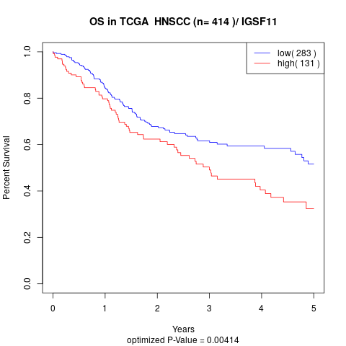

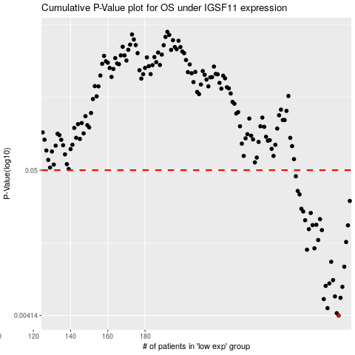

 |  |  |  |  |  | cases_OS | p_OS | rank | exp
 |  |  |  |  |  | 284 | 0.00414 | 180 | -0.12737209488
 |  |  |  |  |  | 283 | 0.00431 | 173 | -0.13560269616
 |  |  |  |  |  | 278 | 0.0047 | 159 | -0.14932348368
 |  |  |  |  |  | 276 | 0.00549 | 267 | -0.15083075874
 |  |  |  |  |  | 285 | 0.00561 | 153 | -0.10946723905
 |  |  |  |  |  | 282 | 0.00575 | 329 | -0.1358365998
 |  |  |  |  |  | 286 | 0.00677 | 385 | -0.10708329315
 |  |  |  |  |  | 277 | 0.00688 | 41 | -0.15027406807
 |  |  |  |  |  | 279 | 0.00718 | 207 | -0.14794813028
 |  |  |  |  |  | 281 | 0.0076 | 164 | -0.1396726195
 |  |  |  |  |  | 287 | 0.00956 | 264 | -0.10585202439
 |  |  |  |  |  | 280 | 0.0104 | 60 | -0.14745038333
 |  |  |  |  |  | 267 | 0.0128 | 355 | -0.1946923693
 |  |  |  |  |  | 271 | 0.0131 | 124 | -0.17214686525
 |  |  |  |  |  | 288 | 0.0146 | 86 | -0.10304050264
 |  |  |  |  |  | 273 | 0.0151 | 38 | -0.1606921362
 |  |  |  |  |  | 275 | 0.0179 | 245 | -0.15293214904
 |  |  |  |  |  | 268 | 0.0182 | 176 | -0.19325245849
 |  |  |  |  |  | 289 | 0.0194 | 370 | -0.097278052567
 |  |  |  |  |  | 270 | 0.0195 | 120 | -0.18299157361
 |  |  |  |  |  | 272 | 0.0196 | 30 | -0.1616689178
 |  |  |  |  |  | 266 | 0.0212 | 232 | -0.20075795849
 |  |  |  |  |  | 274 | 0.0216 | 310 | -0.15609920432
 |  |  |  |  |  | 269 | 0.024 | 407 | -0.19037731495
 |  |  |  |  |  | 265 | 0.0246 | 367 | -0.20435913893
 |  |  |  |  |  | 264 | 0.0258 | 94 | -0.20508704705
 |  |  |  |  |  | 290 | 0.0295 | 384 | -0.093250231888
 |  |  |  |  |  | 263 | 0.033 | 130 | -0.20608347656
 |  |  |  |  |  | 262 | 0.035 | 298 | -0.20975669932
 |  |  |  |  |  | 261 | 0.045 | 400 | -0.21032181052
 |  |  |  |  |  |  | cases_RFS | p_RFS | rank | exp
 |  |  |  |  |  |  | 283 | 0.00414 | 173 | -0.13560269616
 |  |  |  |  |  |  | 282 | 0.00431 | 329 | -0.1358365998
 |  |  |  |  |  |  | 277 | 0.0047 | 41 | -0.15027406807
 |  |  |  |  |  |  | 275 | 0.00549 | 245 | -0.15293214904
 |  |  |  |  |  |  | 284 | 0.00561 | 180 | -0.12737209488
 |  |  |  |  |  |  | 281 | 0.00575 | 164 | -0.1396726195
 |  |  |  |  |  |  | 285 | 0.00677 | 153 | -0.10946723905
 |  |  |  |  |  |  | 276 | 0.00688 | 267 | -0.15083075874
 |  |  |  |  |  |  | 278 | 0.00718 | 159 | -0.14932348368
 |  |  |  |  |  |  | 280 | 0.0076 | 60 | -0.14745038333
 |  |  |  |  |  |  | 286 | 0.00956 | 385 | -0.10708329315
 |  |  |  |  |  |  | 279 | 0.0104 | 207 | -0.14794813028
 |  |  |  |  |  |  | 266 | 0.0128 | 232 | -0.20075795849
 |  |  |  |  |  |  | 270 | 0.0131 | 120 | -0.18299157361
 |  |  |  |  |  |  | 287 | 0.0146 | 264 | -0.10585202439
 |  |  |  |  |  |  | 272 | 0.0151 | 30 | -0.1616689178
 |  |  |  |  |  |  | 274 | 0.0179 | 310 | -0.15609920432
 |  |  |  |  |  |  | 267 | 0.0182 | 355 | -0.1946923693
 |  |  |  |  |  |  | 288 | 0.0194 | 86 | -0.10304050264
 |  |  |  |  |  |  | 269 | 0.0195 | 407 | -0.19037731495
 |  |  |  |  |  |  | 271 | 0.0196 | 124 | -0.17214686525
 |  |  |  |  |  |  | 265 | 0.0212 | 367 | -0.20435913893
 |  |  |  |  |  |  | 273 | 0.0216 | 38 | -0.1606921362
 |  |  |  |  |  |  | 268 | 0.024 | 176 | -0.19325245849
 |  |  |  |  |  |  | 264 | 0.0246 | 94 | -0.20508704705
 |  |  |  |  |  |  | 263 | 0.0258 | 130 | -0.20608347656
 |  |  |  |  |  |  | 289 | 0.0295 | 370 | -0.097278052567
 |  |  |  |  |  |  | 262 | 0.033 | 298 | -0.20975669932
 |  |  |  |  |  |  | 261 | 0.035 | 400 | -0.21032181052
 |  |  |  |  |  |  | 260 | 0.045 | 321 | -0.21154372313

