IGSF21 _multivariate
Reported by Tex Li-Hsing Chi. tex@gate.sinica.edu.tw 2019-08-19

Table 2. The clinicopathological features of HNSCC cohort and IGSF21 expression. (Chi square test)
Cutoff at -0.231 (49.8%)
 |  | IGSF21 expression |  | IGSF21 expression |  | (Optimised)
 | Features | Low | (%) | High | (%) | Case no | P-value | Remark | Matthews
Gender | Female | 151 | 36.4 | 155 | 37.3 | 415 | 0.8007 | 0 | 0
2 | Male | 56 | 13.5 | 53 | 12.8
Age at diagnosis | <=65y | 145 | 34.9 | 129 | 31.1 | 415 | 0.1046 | 0 | 0
4 | >65y | 62 | 14.9 | 79 | 19
Clinical T Status | T1+T2 | 76 | 18.3 | 73 | 17.6 | 415 | 0.8092 | 0 | 0
6 | T3+T4 | 131 | 31.6 | 135 | 32.5
Clinical N Status | N0 | 110 | 26.5 | 106 | 25.5 | 415 | 0.7294 | 0 | 0
8 | N1-3 | 97 | 23.4 | 102 | 24.6
Clinical M Status | M0 | 206 | 49.6 | 206 | 49.6 | 415 | 1 | 0 | 0
10 | M1 | 1 | 0.2 | 2 | 0.5
Clinical Stage | Stage I+II | 52 | 12.5 | 50 | 12 | 415 | 0.8871 | 0 | 0
12 | Stage III+IV | 155 | 37.3 | 158 | 38.1
Surgical Margin status | Negative | 156 | 37.6 | 162 | 39 | 415 | 0.5636 | 0 | 0
14 | Positive | 51 | 12.3 | 46 | 11.1
Tobacco Exposure | Low | 74 | 17.8 | 87 | 21 | 415 | 0.227 | 0 | 0
16 | High | 133 | 32 | 121 | 29.2

Table 3. Univariate/Multivariate Cox's proportional hazards regression analyses on OS time of IGSF21 gene expression in HNSCC

 |  | Univariate |  |  |  | Multivariate
 | Features | HR | CI95%(L) | CI95%(H) | P-value | HR | CI95%(L) | CI95%(H) | P-value
1 | Female | 1 |  |  |  | 1
Gender | Male | 1.157 | 0.843 | 1.587 | 0.367 | 1.204 | 0.862 | 1.684 | 0.276
11 | <=65y | 1 |  |  |  | 1
Age at diagnosis | >65y | 1.329 | 0.99 | 1.784 | 0.058 | 1.386 | 1.019 | 1.885 | 0.038
12 | T1+T2 | 1 |  |  |  | 1
Clinical T Status | T3+T4 | 1.409 | 1.028 | 1.931 | 0.033 | 2.187 | 1.156 | 4.139 | 0.016
13 | N0 | 1 |  |  |  | 1
Clinical N Status | N1-3 | 1.185 | 0.89 | 1.577 | 0.246 | 1.234 | 0.864 | 1.761 | 0.248
14 | M0 | 1 |  |  |  | 1
Clinical M Status | M1 | 4.097 | 1.009 | 16.644 | 0.049 | 9.003 | 1.959 | 41.371 | 0.005
15 | Stage I+II | 1 |  |  |  | 1
Clinical Stage | Stage III+IV | 1.245 | 0.882 | 1.759 | 0.213 | 0.503 | 0.234 | 1.079 | 0.078
16 | Negative | 1 |  |  |  | 1
Surgical Margin status | Positive | 1.591 | 1.155 | 2.191 | 0.004 | 1.685 | 1.219 | 2.33 | 0.002
17 | Low | 1 |  |  |  | 1
Tobacco Exposure | High | 1.364 | 1.008 | 1.844 | 0.044 | 1.471 | 1.066 | 2.03 | 0.019
18 | Low | 1 |  |  |  | 1
RNAseq(z-score) | High | 1.186 | 0.89 | 1.58 | 0.244 | 1.164 | 0.872 | 1.554 | 0.304

Table 4. Univariate/Multivariate Cox's proportional hazards regression analyses on RFS time of IGSF21 gene expression in HNSCC

 |  | Univariate |  |  |  | Multivariate
 | Features | HR | CI95%(L) | CI95%(H) | P-value | HR | CI95%(L) | CI95%(H) | P-value
1 | Female | 1 |  |  |  | 1
Gender | Male | 1.157 | 0.843 | 1.587 | 0.367 | 1.204 | 0.862 | 1.684 | 0.276
11 | <=65y | 1 |  |  |  | 1
Age at diagnosis | >65y | 1.329 | 0.99 | 1.784 | 0.058 | 1.386 | 1.019 | 1.885 | 0.038
12 | T1+T2 | 1 |  |  |  | 1
Clinical T Status | T3+T4 | 1.409 | 1.028 | 1.931 | 0.033 | 2.187 | 1.156 | 4.139 | 0.016
13 | N0 | 1 |  |  |  | 1
Clinical N Status | N1-3 | 1.185 | 0.89 | 1.577 | 0.246 | 1.234 | 0.864 | 1.761 | 0.248
14 | M0 | 1 |  |  |  | 1
Clinical M Status | M1 | 4.097 | 1.009 | 16.644 | 0.049 | 9.003 | 1.959 | 41.371 | 0.005
15 | Stage I+II | 1 |  |  |  | 1
Clinical Stage | Stage III+IV | 1.245 | 0.882 | 1.759 | 0.213 | 0.503 | 0.234 | 1.079 | 0.078
16 | Negative | 1 |  |  |  | 1
Surgical Margin status | Positive | 1.591 | 1.155 | 2.191 | 0.004 | 1.685 | 1.219 | 2.33 | 0.002
17 | Low | 1 |  |  |  | 1
Tobacco Exposure | High | 1.364 | 1.008 | 1.844 | 0.044 | 1.471 | 1.066 | 2.03 | 0.019
18 | Low | 1 |  |  |  | 1
RNAseq(z-score) | High | 1.186 | 0.89 | 1.58 | 0.244 | 1.164 | 0.872 | 1.554 | 0.304

Kaplan-Meier survival estimate: Cutoff at -0.231 (49.8%)



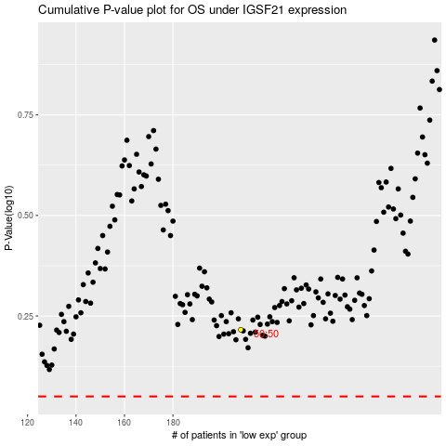

 |  |  |  |  |  | cases_OS | p_OS | rank | exp
 |  |  |  |  |  |  | cases_RFS | p_RFS | rank | exp

