IGSF9B _multivariate
Reported by Tex Li-Hsing Chi. tex@gate.sinica.edu.tw 2019-08-19

Table 2. The clinicopathological features of HNSCC cohort and IGSF9B expression. (Chi square test)
Cutoff at -0.324 (50.0%)
 |  | IGSF9B expression |  | IGSF9B expression |  | (Optimised)
 | Features | Low | (%) | High | (%) | Case no | P-value | Remark | Matthews
Gender | Female | 157 | 37.8 | 149 | 35.9 | 415 | 0.3881 | 0 | 0
2 | Male | 50 | 12 | 59 | 14.2
Age at diagnosis | <=65y | 129 | 31.1 | 145 | 34.9 | 415 | 0.1372 | 0 | 0
4 | >65y | 78 | 18.8 | 63 | 15.2
Clinical T Status | T1+T2 | 70 | 16.9 | 79 | 19 | 415 | 0.4343 | 0 | 0
6 | T3+T4 | 137 | 33 | 129 | 31.1
Clinical N Status | N0 | 97 | 23.4 | 119 | 28.7 | 415 | 0.0442 | 1 | 0
8 | N1-3 | 110 | 26.5 | 89 | 21.4
Clinical M Status | M0 | 204 | 49.2 | 208 | 50.1 | 415 | 0.1232 | 0 | 0
10 | M1 | 3 | 0.7 | 0 | 0
Clinical Stage | Stage I+II | 44 | 10.6 | 58 | 14 | 415 | 0.1459 | 0 | 0
12 | Stage III+IV | 163 | 39.3 | 150 | 36.1
Surgical Margin status | Negative | 159 | 38.3 | 159 | 38.3 | 415 | 1 | 0 | 0
14 | Positive | 48 | 11.6 | 49 | 11.8
Tobacco Exposure | Low | 82 | 19.8 | 79 | 19 | 415 | 0.763 | 0 | 0
16 | High | 125 | 30.1 | 129 | 31.1

Table 3. Univariate/Multivariate Cox's proportional hazards regression analyses on OS time of IGSF9B gene expression in HNSCC

 |  | Univariate |  |  |  | Multivariate
 | Features | HR | CI95%(L) | CI95%(H) | P-value | HR | CI95%(L) | CI95%(H) | P-value
1 | Female | 1 |  |  |  | 1
Gender | Male | 1.157 | 0.843 | 1.587 | 0.367 | 1.199 | 0.858 | 1.674 | 0.288
11 | <=65y | 1 |  |  |  | 1
Age at diagnosis | >65y | 1.329 | 0.99 | 1.784 | 0.058 | 1.403 | 1.03 | 1.912 | 0.032
12 | T1+T2 | 1 |  |  |  | 1
Clinical T Status | T3+T4 | 1.409 | 1.028 | 1.931 | 0.033 | 2.209 | 1.168 | 4.178 | 0.015
13 | N0 | 1 |  |  |  | 1
Clinical N Status | N1-3 | 1.185 | 0.89 | 1.577 | 0.246 | 1.251 | 0.875 | 1.789 | 0.22
14 | M0 | 1 |  |  |  | 1
Clinical M Status | M1 | 4.097 | 1.009 | 16.644 | 0.049 | 9.718 | 2.103 | 44.907 | 0.004
15 | Stage I+II | 1 |  |  |  | 1
Clinical Stage | Stage III+IV | 1.245 | 0.882 | 1.759 | 0.213 | 0.5 | 0.233 | 1.075 | 0.076
16 | Negative | 1 |  |  |  | 1
Surgical Margin status | Positive | 1.591 | 1.155 | 2.191 | 0.004 | 1.675 | 1.212 | 2.315 | 0.002
17 | Low | 1 |  |  |  | 1
Tobacco Exposure | High | 1.364 | 1.008 | 1.844 | 0.044 | 1.456 | 1.057 | 2.007 | 0.021
18 | Low | 1 |  |  |  | 1
RNAseq(z-score) | High | 0.978 | 0.734 | 1.302 | 0.877 | 1.064 | 0.793 | 1.426 | 0.679

Table 4. Univariate/Multivariate Cox's proportional hazards regression analyses on RFS time of IGSF9B gene expression in HNSCC

 |  | Univariate |  |  |  | Multivariate
 | Features | HR | CI95%(L) | CI95%(H) | P-value | HR | CI95%(L) | CI95%(H) | P-value
1 | Female | 1 |  |  |  | 1
Gender | Male | 1.157 | 0.843 | 1.587 | 0.367 | 1.199 | 0.858 | 1.674 | 0.288
11 | <=65y | 1 |  |  |  | 1
Age at diagnosis | >65y | 1.329 | 0.99 | 1.784 | 0.058 | 1.403 | 1.03 | 1.912 | 0.032
12 | T1+T2 | 1 |  |  |  | 1
Clinical T Status | T3+T4 | 1.409 | 1.028 | 1.931 | 0.033 | 2.209 | 1.168 | 4.178 | 0.015
13 | N0 | 1 |  |  |  | 1
Clinical N Status | N1-3 | 1.185 | 0.89 | 1.577 | 0.246 | 1.251 | 0.875 | 1.789 | 0.22
14 | M0 | 1 |  |  |  | 1
Clinical M Status | M1 | 4.097 | 1.009 | 16.644 | 0.049 | 9.718 | 2.103 | 44.907 | 0.004
15 | Stage I+II | 1 |  |  |  | 1
Clinical Stage | Stage III+IV | 1.245 | 0.882 | 1.759 | 0.213 | 0.5 | 0.233 | 1.075 | 0.076
16 | Negative | 1 |  |  |  | 1
Surgical Margin status | Positive | 1.591 | 1.155 | 2.191 | 0.004 | 1.675 | 1.212 | 2.315 | 0.002
17 | Low | 1 |  |  |  | 1
Tobacco Exposure | High | 1.364 | 1.008 | 1.844 | 0.044 | 1.456 | 1.057 | 2.007 | 0.021
18 | Low | 1 |  |  |  | 1
RNAseq(z-score) | High | 0.978 | 0.734 | 1.302 | 0.877 | 1.064 | 0.793 | 1.426 | 0.679

Kaplan-Meier survival estimate: Cutoff at -0.324 (50.0%)



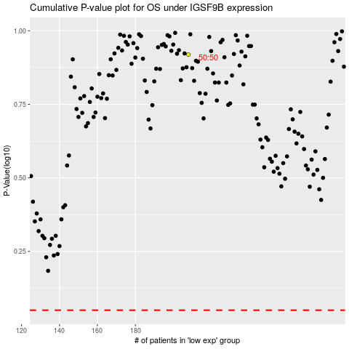

 |  |  |  |  |  | cases_OS | p_OS | rank | exp
 |  |  |  |  |  |  | cases_RFS | p_RFS | rank | exp

