IKBKE _multivariate
Reported by Tex Li-Hsing Chi. tex@gate.sinica.edu.tw 2019-08-19

Table 2. The clinicopathological features of HNSCC cohort and IKBKE expression. (Chi square test)
Cutoff at -0.329 (49.8%)
 |  | IKBKE expression |  | IKBKE expression |  | (Optimised)
 | Features | Low | (%) | High | (%) | Case no | P-value | Remark | Matthews
Gender | Female | 153 | 36.9 | 153 | 36.9 | 415 | 1 | 0 | 0
2 | Male | 54 | 13 | 55 | 13.3
Age at diagnosis | <=65y | 141 | 34 | 133 | 32 | 415 | 0.4272 | 0 | 0
4 | >65y | 66 | 15.9 | 75 | 18.1
Clinical T Status | T1+T2 | 65 | 15.7 | 84 | 20.2 | 415 | 0.0711 | 0 | 0
6 | T3+T4 | 142 | 34.2 | 124 | 29.9
Clinical N Status | N0 | 105 | 25.3 | 111 | 26.7 | 415 | 0.6598 | 0 | 0
8 | N1-3 | 102 | 24.6 | 97 | 23.4
Clinical M Status | M0 | 205 | 49.4 | 207 | 49.9 | 415 | 0.6232 | 0 | 0
10 | M1 | 2 | 0.5 | 1 | 0.2
Clinical Stage | Stage I+II | 45 | 10.8 | 57 | 13.7 | 415 | 0.2202 | 0 | 0
12 | Stage III+IV | 162 | 39 | 151 | 36.4
Surgical Margin status | Negative | 160 | 38.6 | 158 | 38.1 | 415 | 0.8167 | 0 | 0
14 | Positive | 47 | 11.3 | 50 | 12
Tobacco Exposure | Low | 67 | 16.1 | 94 | 22.7 | 415 | 0.0088 | 1 | 0
16 | High | 140 | 33.7 | 114 | 27.5

Table 3. Univariate/Multivariate Cox's proportional hazards regression analyses on OS time of IKBKE gene expression in HNSCC

 |  | Univariate |  |  |  | Multivariate
 | Features | HR | CI95%(L) | CI95%(H) | P-value | HR | CI95%(L) | CI95%(H) | P-value
1 | Female | 1 |  |  |  | 1
Gender | Male | 1.157 | 0.843 | 1.587 | 0.367 | 1.197 | 0.856 | 1.674 | 0.293
11 | <=65y | 1 |  |  |  | 1
Age at diagnosis | >65y | 1.329 | 0.99 | 1.784 | 0.058 | 1.391 | 1.024 | 1.891 | 0.035
12 | T1+T2 | 1 |  |  |  | 1
Clinical T Status | T3+T4 | 1.409 | 1.028 | 1.931 | 0.033 | 2.162 | 1.14 | 4.103 | 0.018
13 | N0 | 1 |  |  |  | 1
Clinical N Status | N1-3 | 1.185 | 0.89 | 1.577 | 0.246 | 1.237 | 0.867 | 1.766 | 0.24
14 | M0 | 1 |  |  |  | 1
Clinical M Status | M1 | 4.097 | 1.009 | 16.644 | 0.049 | 9.218 | 2.007 | 42.323 | 0.004
15 | Stage I+II | 1 |  |  |  | 1
Clinical Stage | Stage III+IV | 1.245 | 0.882 | 1.759 | 0.213 | 0.509 | 0.237 | 1.093 | 0.083
16 | Negative | 1 |  |  |  | 1
Surgical Margin status | Positive | 1.591 | 1.155 | 2.191 | 0.004 | 1.678 | 1.214 | 2.318 | 0.002
17 | Low | 1 |  |  |  | 1
Tobacco Exposure | High | 1.364 | 1.008 | 1.844 | 0.044 | 1.445 | 1.047 | 1.993 | 0.025
18 | Low | 1 |  |  |  | 1
RNAseq(z-score) | High | 0.86 | 0.646 | 1.146 | 0.304 | 0.925 | 0.691 | 1.238 | 0.599

Table 4. Univariate/Multivariate Cox's proportional hazards regression analyses on RFS time of IKBKE gene expression in HNSCC

 |  | Univariate |  |  |  | Multivariate
 | Features | HR | CI95%(L) | CI95%(H) | P-value | HR | CI95%(L) | CI95%(H) | P-value
1 | Female | 1 |  |  |  | 1
Gender | Male | 1.157 | 0.843 | 1.587 | 0.367 | 1.197 | 0.856 | 1.674 | 0.293
11 | <=65y | 1 |  |  |  | 1
Age at diagnosis | >65y | 1.329 | 0.99 | 1.784 | 0.058 | 1.391 | 1.024 | 1.891 | 0.035
12 | T1+T2 | 1 |  |  |  | 1
Clinical T Status | T3+T4 | 1.409 | 1.028 | 1.931 | 0.033 | 2.162 | 1.14 | 4.103 | 0.018
13 | N0 | 1 |  |  |  | 1
Clinical N Status | N1-3 | 1.185 | 0.89 | 1.577 | 0.246 | 1.237 | 0.867 | 1.766 | 0.24
14 | M0 | 1 |  |  |  | 1
Clinical M Status | M1 | 4.097 | 1.009 | 16.644 | 0.049 | 9.218 | 2.007 | 42.323 | 0.004
15 | Stage I+II | 1 |  |  |  | 1
Clinical Stage | Stage III+IV | 1.245 | 0.882 | 1.759 | 0.213 | 0.509 | 0.237 | 1.093 | 0.083
16 | Negative | 1 |  |  |  | 1
Surgical Margin status | Positive | 1.591 | 1.155 | 2.191 | 0.004 | 1.678 | 1.214 | 2.318 | 0.002
17 | Low | 1 |  |  |  | 1
Tobacco Exposure | High | 1.364 | 1.008 | 1.844 | 0.044 | 1.445 | 1.047 | 1.993 | 0.025
18 | Low | 1 |  |  |  | 1
RNAseq(z-score) | High | 0.86 | 0.646 | 1.146 | 0.304 | 0.925 | 0.691 | 1.238 | 0.599

Kaplan-Meier survival estimate: Cutoff at -0.329 (49.8%)



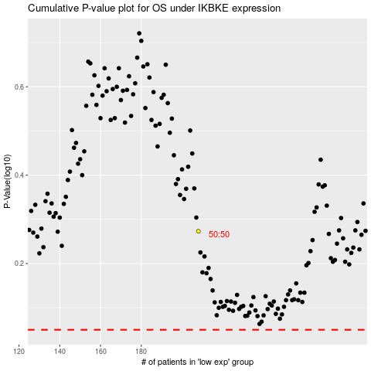

 |  |  |  |  |  | cases_OS | p_OS | rank | exp
 |  |  |  |  |  |  | cases_RFS | p_RFS | rank | exp

