IL10 _multivariate
Reported by Tex Li-Hsing Chi. tex@gate.sinica.edu.tw 2019-08-19

Table 2. The clinicopathological features of HNSCC cohort and IL10 expression. (Chi square test)
Cutoff at 0.137 (69.6%)
 |  | IL10 expression |  | IL10 expression |  | (Optimised)
 | Features | Low | (%) | High | (%) | Case no | P-value | Remark | Matthews
Gender | Female | 213 | 51.3 | 93 | 22.4 | 415 | 1 | 0 | 0
2 | Male | 76 | 18.3 | 33 | 8
Age at diagnosis | <=65y | 196 | 47.2 | 78 | 18.8 | 415 | 0.2904 | 0 | 0
4 | >65y | 93 | 22.4 | 48 | 11.6
Clinical T Status | T1+T2 | 95 | 22.9 | 54 | 13 | 415 | 0.066 | 0 | 0
6 | T3+T4 | 194 | 46.7 | 72 | 17.3
Clinical N Status | N0 | 153 | 36.9 | 63 | 15.2 | 415 | 0.6566 | 0 | 0
8 | N1-3 | 136 | 32.8 | 63 | 15.2
Clinical M Status | M0 | 287 | 69.2 | 125 | 30.1 | 415 | 1 | 0 | 0
10 | M1 | 2 | 0.5 | 1 | 0.2
Clinical Stage | Stage I+II | 65 | 15.7 | 37 | 8.9 | 415 | 0.1702 | 0 | 0
12 | Stage III+IV | 224 | 54 | 89 | 21.4
Surgical Margin status | Negative | 218 | 52.5 | 100 | 24.1 | 415 | 0.4495 | 0 | 0
14 | Positive | 71 | 17.1 | 26 | 6.3
Tobacco Exposure | Low | 111 | 26.7 | 50 | 12 | 415 | 0.8271 | 0 | 0
16 | High | 178 | 42.9 | 76 | 18.3

Table 3. Univariate/Multivariate Cox's proportional hazards regression analyses on OS time of IL10 gene expression in HNSCC

 |  | Univariate |  |  |  | Multivariate
 | Features | HR | CI95%(L) | CI95%(H) | P-value | HR | CI95%(L) | CI95%(H) | P-value
1 | Female | 1 |  |  |  | 1
Gender | Male | 1.157 | 0.843 | 1.587 | 0.367 | 1.222 | 0.873 | 1.709 | 0.242
11 | <=65y | 1 |  |  |  | 1
Age at diagnosis | >65y | 1.329 | 0.99 | 1.784 | 0.058 | 1.428 | 1.051 | 1.938 | 0.023
12 | T1+T2 | 1 |  |  |  | 1
Clinical T Status | T3+T4 | 1.409 | 1.028 | 1.931 | 0.033 | 2.174 | 1.15 | 4.11 | 0.017
13 | N0 | 1 |  |  |  | 1
Clinical N Status | N1-3 | 1.185 | 0.89 | 1.577 | 0.246 | 1.289 | 0.903 | 1.842 | 0.162
14 | M0 | 1 |  |  |  | 1
Clinical M Status | M1 | 4.097 | 1.009 | 16.644 | 0.049 | 9.88 | 2.152 | 45.354 | 0.003
15 | Stage I+II | 1 |  |  |  | 1
Clinical Stage | Stage III+IV | 1.245 | 0.882 | 1.759 | 0.213 | 0.476 | 0.222 | 1.021 | 0.057
16 | Negative | 1 |  |  |  | 1
Surgical Margin status | Positive | 1.591 | 1.155 | 2.191 | 0.004 | 1.664 | 1.203 | 2.301 | 0.002
17 | Low | 1 |  |  |  | 1
Tobacco Exposure | High | 1.364 | 1.008 | 1.844 | 0.044 | 1.475 | 1.068 | 2.038 | 0.018
18 | Low | 1 |  |  |  | 1
RNAseq(z-score) | High | 0.592 | 0.419 | 0.837 | 0.003 | 0.572 | 0.404 | 0.811 | 0.002

Table 4. Univariate/Multivariate Cox's proportional hazards regression analyses on RFS time of IL10 gene expression in HNSCC

 |  | Univariate |  |  |  | Multivariate
 | Features | HR | CI95%(L) | CI95%(H) | P-value | HR | CI95%(L) | CI95%(H) | P-value
1 | Female | 1 |  |  |  | 1
Gender | Male | 1.157 | 0.843 | 1.587 | 0.367 | 1.222 | 0.873 | 1.709 | 0.242
11 | <=65y | 1 |  |  |  | 1
Age at diagnosis | >65y | 1.329 | 0.99 | 1.784 | 0.058 | 1.428 | 1.051 | 1.938 | 0.023
12 | T1+T2 | 1 |  |  |  | 1
Clinical T Status | T3+T4 | 1.409 | 1.028 | 1.931 | 0.033 | 2.174 | 1.15 | 4.11 | 0.017
13 | N0 | 1 |  |  |  | 1
Clinical N Status | N1-3 | 1.185 | 0.89 | 1.577 | 0.246 | 1.289 | 0.903 | 1.842 | 0.162
14 | M0 | 1 |  |  |  | 1
Clinical M Status | M1 | 4.097 | 1.009 | 16.644 | 0.049 | 9.88 | 2.152 | 45.354 | 0.003
15 | Stage I+II | 1 |  |  |  | 1
Clinical Stage | Stage III+IV | 1.245 | 0.882 | 1.759 | 0.213 | 0.476 | 0.222 | 1.021 | 0.057
16 | Negative | 1 |  |  |  | 1
Surgical Margin status | Positive | 1.591 | 1.155 | 2.191 | 0.004 | 1.664 | 1.203 | 2.301 | 0.002
17 | Low | 1 |  |  |  | 1
Tobacco Exposure | High | 1.364 | 1.008 | 1.844 | 0.044 | 1.475 | 1.068 | 2.038 | 0.018
18 | Low | 1 |  |  |  | 1
RNAseq(z-score) | High | 0.592 | 0.419 | 0.837 | 0.003 | 0.572 | 0.404 | 0.811 | 0.002

Kaplan-Meier survival estimate: Cutoff at 0.137 (69.6%)

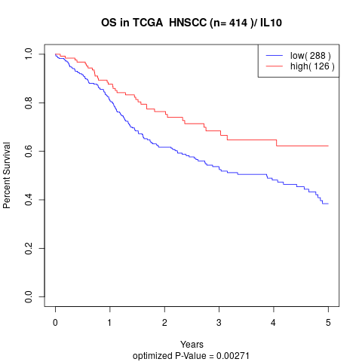

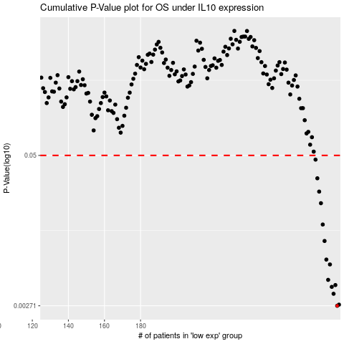

 |  |  |  |  |  | cases_OS | p_OS | rank | exp
 |  |  |  |  |  | 289 | 0.00271 | 345 | 0.13727707653
 |  |  |  |  |  | 290 | 0.00277 | 232 | 0.13787891605
 |  |  |  |  |  | 287 | 0.00342 | 383 | 0.10761976229
 |  |  |  |  |  | 286 | 0.00391 | 7 | 0.10558019502
 |  |  |  |  |  | 288 | 0.00405 | 58 | 0.13636317207
 |  |  |  |  |  | 284 | 0.00448 | 141 | 0.10060944637
 |  |  |  |  |  | 285 | 0.00604 | 64 | 0.10295550599
 |  |  |  |  |  | 283 | 0.00664 | 67 | 0.09761139394
 |  |  |  |  |  | 282 | 0.00952 | 302 | 0.094122953746
 |  |  |  |  |  | 281 | 0.0131 | 390 | 0.090996731784
 |  |  |  |  |  | 280 | 0.0198 | 99 | 0.090974441431
 |  |  |  |  |  | 279 | 0.0248 | 371 | 0.089252511687
 |  |  |  |  |  | 278 | 0.0321 | 77 | 0.082715865765
 |  |  |  |  |  | 277 | 0.0461 | 413 | 0.080057741208
 |  |  |  |  |  |  | cases_RFS | p_RFS | rank | exp
 |  |  |  |  |  |  | 288 | 0.00271 | 58 | 0.13636317207
 |  |  |  |  |  |  | 289 | 0.00277 | 345 | 0.13727707653
 |  |  |  |  |  |  | 286 | 0.00342 | 7 | 0.10558019502
 |  |  |  |  |  |  | 285 | 0.00391 | 64 | 0.10295550599
 |  |  |  |  |  |  | 287 | 0.00405 | 383 | 0.10761976229
 |  |  |  |  |  |  | 283 | 0.00448 | 67 | 0.09761139394
 |  |  |  |  |  |  | 284 | 0.00604 | 141 | 0.10060944637
 |  |  |  |  |  |  | 282 | 0.00664 | 302 | 0.094122953746
 |  |  |  |  |  |  | 281 | 0.00952 | 390 | 0.090996731784
 |  |  |  |  |  |  | 280 | 0.0131 | 99 | 0.090974441431
 |  |  |  |  |  |  | 279 | 0.0198 | 371 | 0.089252511687
 |  |  |  |  |  |  | 278 | 0.0248 | 77 | 0.082715865765
 |  |  |  |  |  |  | 277 | 0.0321 | 413 | 0.080057741208
 |  |  |  |  |  |  | 276 | 0.0461 | 142 | 0.075003403739

