IL10RB _multivariate
Reported by Tex Li-Hsing Chi. tex@gate.sinica.edu.tw 2019-08-19

Table 2. The clinicopathological features of HNSCC cohort and IL10RB expression. (Chi square test)
Cutoff at -0.19 (50.0%)
 |  | IL10RB expression |  | IL10RB expression |  | (Optimised)
 | Features | Low | (%) | High | (%) | Case no | P-value | Remark | Matthews
Gender | Female | 145 | 34.9 | 161 | 38.8 | 415 | 0.1116 | 0 | 0
2 | Male | 62 | 14.9 | 47 | 11.3
Age at diagnosis | <=65y | 134 | 32.3 | 140 | 33.7 | 415 | 0.6529 | 0 | 0
4 | >65y | 73 | 17.6 | 68 | 16.4
Clinical T Status | T1+T2 | 78 | 18.8 | 71 | 17.1 | 415 | 0.5152 | 0 | 0
6 | T3+T4 | 129 | 31.1 | 137 | 33
Clinical N Status | N0 | 112 | 27 | 104 | 25.1 | 415 | 0.4599 | 0 | 0
8 | N1-3 | 95 | 22.9 | 104 | 25.1
Clinical M Status | M0 | 206 | 49.6 | 206 | 49.6 | 415 | 1 | 0 | 0
10 | M1 | 1 | 0.2 | 2 | 0.5
Clinical Stage | Stage I+II | 58 | 14 | 44 | 10.6 | 415 | 0.131 | 0 | 0
12 | Stage III+IV | 149 | 35.9 | 164 | 39.5
Surgical Margin status | Negative | 157 | 37.8 | 161 | 38.8 | 415 | 0.729 | 0 | 0
14 | Positive | 50 | 12 | 47 | 11.3
Tobacco Exposure | Low | 88 | 21.2 | 73 | 17.6 | 415 | 0.1314 | 0 | 0
16 | High | 119 | 28.7 | 135 | 32.5

Table 3. Univariate/Multivariate Cox's proportional hazards regression analyses on OS time of IL10RB gene expression in HNSCC

 |  | Univariate |  |  |  | Multivariate
 | Features | HR | CI95%(L) | CI95%(H) | P-value | HR | CI95%(L) | CI95%(H) | P-value
1 | Female | 1 |  |  |  | 1
Gender | Male | 1.157 | 0.843 | 1.587 | 0.367 | 1.233 | 0.882 | 1.723 | 0.22
11 | <=65y | 1 |  |  |  | 1
Age at diagnosis | >65y | 1.329 | 0.99 | 1.784 | 0.058 | 1.388 | 1.02 | 1.887 | 0.037
12 | T1+T2 | 1 |  |  |  | 1
Clinical T Status | T3+T4 | 1.409 | 1.028 | 1.931 | 0.033 | 2.226 | 1.177 | 4.209 | 0.014
13 | N0 | 1 |  |  |  | 1
Clinical N Status | N1-3 | 1.185 | 0.89 | 1.577 | 0.246 | 1.261 | 0.883 | 1.8 | 0.202
14 | M0 | 1 |  |  |  | 1
Clinical M Status | M1 | 4.097 | 1.009 | 16.644 | 0.049 | 8.794 | 1.915 | 40.389 | 0.005
15 | Stage I+II | 1 |  |  |  | 1
Clinical Stage | Stage III+IV | 1.245 | 0.882 | 1.759 | 0.213 | 0.5 | 0.233 | 1.073 | 0.075
16 | Negative | 1 |  |  |  | 1
Surgical Margin status | Positive | 1.591 | 1.155 | 2.191 | 0.004 | 1.68 | 1.215 | 2.323 | 0.002
17 | Low | 1 |  |  |  | 1
Tobacco Exposure | High | 1.364 | 1.008 | 1.844 | 0.044 | 1.432 | 1.039 | 1.973 | 0.028
18 | Low | 1 |  |  |  | 1
RNAseq(z-score) | High | 1.272 | 0.953 | 1.698 | 0.102 | 1.303 | 0.972 | 1.747 | 0.077

Table 4. Univariate/Multivariate Cox's proportional hazards regression analyses on RFS time of IL10RB gene expression in HNSCC

 |  | Univariate |  |  |  | Multivariate
 | Features | HR | CI95%(L) | CI95%(H) | P-value | HR | CI95%(L) | CI95%(H) | P-value
1 | Female | 1 |  |  |  | 1
Gender | Male | 1.157 | 0.843 | 1.587 | 0.367 | 1.233 | 0.882 | 1.723 | 0.22
11 | <=65y | 1 |  |  |  | 1
Age at diagnosis | >65y | 1.329 | 0.99 | 1.784 | 0.058 | 1.388 | 1.02 | 1.887 | 0.037
12 | T1+T2 | 1 |  |  |  | 1
Clinical T Status | T3+T4 | 1.409 | 1.028 | 1.931 | 0.033 | 2.226 | 1.177 | 4.209 | 0.014
13 | N0 | 1 |  |  |  | 1
Clinical N Status | N1-3 | 1.185 | 0.89 | 1.577 | 0.246 | 1.261 | 0.883 | 1.8 | 0.202
14 | M0 | 1 |  |  |  | 1
Clinical M Status | M1 | 4.097 | 1.009 | 16.644 | 0.049 | 8.794 | 1.915 | 40.389 | 0.005
15 | Stage I+II | 1 |  |  |  | 1
Clinical Stage | Stage III+IV | 1.245 | 0.882 | 1.759 | 0.213 | 0.5 | 0.233 | 1.073 | 0.075
16 | Negative | 1 |  |  |  | 1
Surgical Margin status | Positive | 1.591 | 1.155 | 2.191 | 0.004 | 1.68 | 1.215 | 2.323 | 0.002
17 | Low | 1 |  |  |  | 1
Tobacco Exposure | High | 1.364 | 1.008 | 1.844 | 0.044 | 1.432 | 1.039 | 1.973 | 0.028
18 | Low | 1 |  |  |  | 1
RNAseq(z-score) | High | 1.272 | 0.953 | 1.698 | 0.102 | 1.303 | 0.972 | 1.747 | 0.077

Kaplan-Meier survival estimate: Cutoff at -0.19 (50.0%)



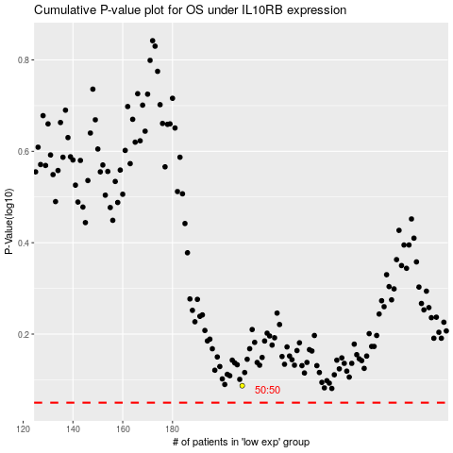

 |  |  |  |  |  | cases_OS | p_OS | rank | exp
 |  |  |  |  |  |  | cases_RFS | p_RFS | rank | exp

