IL11RA _multivariate
Reported by Tex Li-Hsing Chi. tex@gate.sinica.edu.tw 2019-08-18

Table 2. The clinicopathological features of HNSCC cohort and IL11RA expression. (Chi square test)
Cutoff at -0.208 (50.0%)
 |  | IL11RA expression |  | IL11RA expression |  | (Optimised)
 | Features | Low | (%) | High | (%) | Case no | P-value | Remark | Matthews
Gender | Female | 156 | 37.6 | 150 | 36.1 | 415 | 0.5222 | 0 | 0
2 | Male | 51 | 12.3 | 58 | 14
Age at diagnosis | <=65y | 136 | 32.8 | 138 | 33.3 | 415 | 0.9719 | 0 | 0
4 | >65y | 71 | 17.1 | 70 | 16.9
Clinical T Status | T1+T2 | 63 | 15.2 | 86 | 20.7 | 415 | 0.0268 | 1 | 0
6 | T3+T4 | 144 | 34.7 | 122 | 29.4
Clinical N Status | N0 | 109 | 26.3 | 107 | 25.8 | 415 | 0.8812 | 0 | 0
8 | N1-3 | 98 | 23.6 | 101 | 24.3
Clinical M Status | M0 | 204 | 49.2 | 208 | 50.1 | 415 | 0.1232 | 0 | 0
10 | M1 | 3 | 0.7 | 0 | 0
Clinical Stage | Stage I+II | 43 | 10.4 | 59 | 14.2 | 415 | 0.0925 | 0 | 0
12 | Stage III+IV | 164 | 39.5 | 149 | 35.9
Surgical Margin status | Negative | 166 | 40 | 152 | 36.6 | 415 | 0.1042 | 0 | 0
14 | Positive | 41 | 9.9 | 56 | 13.5
Tobacco Exposure | Low | 78 | 18.8 | 83 | 20 | 415 | 0.6873 | 0 | 0
16 | High | 129 | 31.1 | 125 | 30.1

Table 3. Univariate/Multivariate Cox's proportional hazards regression analyses on OS time of IL11RA gene expression in HNSCC

 |  | Univariate |  |  |  | Multivariate
 | Features | HR | CI95%(L) | CI95%(H) | P-value | HR | CI95%(L) | CI95%(H) | P-value
1 | Female | 1 |  |  |  | 1
Gender | Male | 1.157 | 0.843 | 1.587 | 0.367 | 1.21 | 0.865 | 1.691 | 0.265
11 | <=65y | 1 |  |  |  | 1
Age at diagnosis | >65y | 1.329 | 0.99 | 1.784 | 0.058 | 1.402 | 1.031 | 1.905 | 0.031
12 | T1+T2 | 1 |  |  |  | 1
Clinical T Status | T3+T4 | 1.409 | 1.028 | 1.931 | 0.033 | 2.189 | 1.157 | 4.139 | 0.016
13 | N0 | 1 |  |  |  | 1
Clinical N Status | N1-3 | 1.185 | 0.89 | 1.577 | 0.246 | 1.246 | 0.874 | 1.779 | 0.225
14 | M0 | 1 |  |  |  | 1
Clinical M Status | M1 | 4.097 | 1.009 | 16.644 | 0.049 | 8.816 | 1.911 | 40.671 | 0.005
15 | Stage I+II | 1 |  |  |  | 1
Clinical Stage | Stage III+IV | 1.245 | 0.882 | 1.759 | 0.213 | 0.5 | 0.233 | 1.072 | 0.075
16 | Negative | 1 |  |  |  | 1
Surgical Margin status | Positive | 1.591 | 1.155 | 2.191 | 0.004 | 1.718 | 1.236 | 2.388 | 0.001
17 | Low | 1 |  |  |  | 1
Tobacco Exposure | High | 1.364 | 1.008 | 1.844 | 0.044 | 1.451 | 1.052 | 2 | 0.023
18 | Low | 1 |  |  |  | 1
RNAseq(z-score) | High | 0.903 | 0.678 | 1.204 | 0.488 | 0.874 | 0.65 | 1.176 | 0.375

Table 4. Univariate/Multivariate Cox's proportional hazards regression analyses on RFS time of IL11RA gene expression in HNSCC

 |  | Univariate |  |  |  | Multivariate
 | Features | HR | CI95%(L) | CI95%(H) | P-value | HR | CI95%(L) | CI95%(H) | P-value
1 | Female | 1 |  |  |  | 1
Gender | Male | 1.157 | 0.843 | 1.587 | 0.367 | 1.21 | 0.865 | 1.691 | 0.265
11 | <=65y | 1 |  |  |  | 1
Age at diagnosis | >65y | 1.329 | 0.99 | 1.784 | 0.058 | 1.402 | 1.031 | 1.905 | 0.031
12 | T1+T2 | 1 |  |  |  | 1
Clinical T Status | T3+T4 | 1.409 | 1.028 | 1.931 | 0.033 | 2.189 | 1.157 | 4.139 | 0.016
13 | N0 | 1 |  |  |  | 1
Clinical N Status | N1-3 | 1.185 | 0.89 | 1.577 | 0.246 | 1.246 | 0.874 | 1.779 | 0.225
14 | M0 | 1 |  |  |  | 1
Clinical M Status | M1 | 4.097 | 1.009 | 16.644 | 0.049 | 8.816 | 1.911 | 40.671 | 0.005
15 | Stage I+II | 1 |  |  |  | 1
Clinical Stage | Stage III+IV | 1.245 | 0.882 | 1.759 | 0.213 | 0.5 | 0.233 | 1.072 | 0.075
16 | Negative | 1 |  |  |  | 1
Surgical Margin status | Positive | 1.591 | 1.155 | 2.191 | 0.004 | 1.718 | 1.236 | 2.388 | 0.001
17 | Low | 1 |  |  |  | 1
Tobacco Exposure | High | 1.364 | 1.008 | 1.844 | 0.044 | 1.451 | 1.052 | 2 | 0.023
18 | Low | 1 |  |  |  | 1
RNAseq(z-score) | High | 0.903 | 0.678 | 1.204 | 0.488 | 0.874 | 0.65 | 1.176 | 0.375

Kaplan-Meier survival estimate: Cutoff at -0.208 (50.0%)



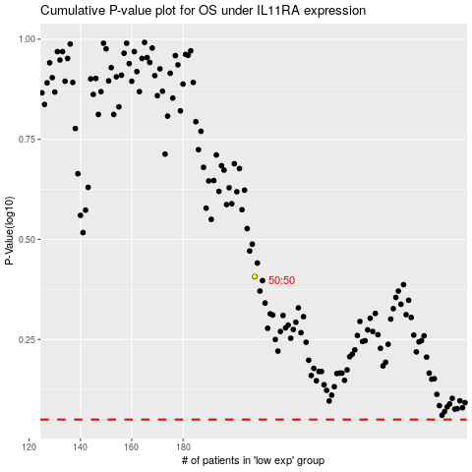

 |  |  |  |  |  | cases_OS | p_OS | rank | exp
 |  |  |  |  |  |  | cases_RFS | p_RFS | rank | exp

