IL13RA1 _multivariate
Reported by Tex Li-Hsing Chi. tex@gate.sinica.edu.tw 2019-08-18

Table 2. The clinicopathological features of HNSCC cohort and IL13RA1 expression. (Chi square test)
Cutoff at -0.192 (50.0%)
 |  | IL13RA1 expression |  | IL13RA1 expression |  | (Optimised)
 | Features | Low | (%) | High | (%) | Case no | P-value | Remark | Matthews
Gender | Female | 167 | 40.2 | 139 | 33.5 | 415 | 0.002 | 1 | 0
2 | Male | 40 | 9.6 | 69 | 16.6
Age at diagnosis | <=65y | 129 | 31.1 | 145 | 34.9 | 415 | 0.1372 | 0 | 0
4 | >65y | 78 | 18.8 | 63 | 15.2
Clinical T Status | T1+T2 | 64 | 15.4 | 85 | 20.5 | 415 | 0.0445 | 1 | 0
6 | T3+T4 | 143 | 34.5 | 123 | 29.6
Clinical N Status | N0 | 99 | 23.9 | 117 | 28.2 | 415 | 0.1054 | 0 | 0
8 | N1-3 | 108 | 26 | 91 | 21.9
Clinical M Status | M0 | 207 | 49.9 | 205 | 49.4 | 415 | 0.2482 | 0 | 0
10 | M1 | 0 | 0 | 3 | 0.7
Clinical Stage | Stage I+II | 37 | 8.9 | 65 | 15.7 | 415 | 0.0023 | 1 | 0
12 | Stage III+IV | 170 | 41 | 143 | 34.5
Surgical Margin status | Negative | 156 | 37.6 | 162 | 39 | 415 | 0.5636 | 0 | 0
14 | Positive | 51 | 12.3 | 46 | 11.1
Tobacco Exposure | Low | 68 | 16.4 | 93 | 22.4 | 415 | 0.0156 | 1 | 0
16 | High | 139 | 33.5 | 115 | 27.7

Table 3. Univariate/Multivariate Cox's proportional hazards regression analyses on OS time of IL13RA1 gene expression in HNSCC

 |  | Univariate |  |  |  | Multivariate
 | Features | HR | CI95%(L) | CI95%(H) | P-value | HR | CI95%(L) | CI95%(H) | P-value
1 | Female | 1 |  |  |  | 1
Gender | Male | 1.157 | 0.843 | 1.587 | 0.367 | 1.177 | 0.842 | 1.647 | 0.341
11 | <=65y | 1 |  |  |  | 1
Age at diagnosis | >65y | 1.329 | 0.99 | 1.784 | 0.058 | 1.416 | 1.04 | 1.928 | 0.027
12 | T1+T2 | 1 |  |  |  | 1
Clinical T Status | T3+T4 | 1.409 | 1.028 | 1.931 | 0.033 | 2.199 | 1.163 | 4.158 | 0.015
13 | N0 | 1 |  |  |  | 1
Clinical N Status | N1-3 | 1.185 | 0.89 | 1.577 | 0.246 | 1.253 | 0.878 | 1.789 | 0.214
14 | M0 | 1 |  |  |  | 1
Clinical M Status | M1 | 4.097 | 1.009 | 16.644 | 0.049 | 8.615 | 1.861 | 39.878 | 0.006
15 | Stage I+II | 1 |  |  |  | 1
Clinical Stage | Stage III+IV | 1.245 | 0.882 | 1.759 | 0.213 | 0.519 | 0.241 | 1.116 | 0.093
16 | Negative | 1 |  |  |  | 1
Surgical Margin status | Positive | 1.591 | 1.155 | 2.191 | 0.004 | 1.66 | 1.201 | 2.293 | 0.002
17 | Low | 1 |  |  |  | 1
Tobacco Exposure | High | 1.364 | 1.008 | 1.844 | 0.044 | 1.469 | 1.066 | 2.024 | 0.019
18 | Low | 1 |  |  |  | 1
RNAseq(z-score) | High | 1.099 | 0.825 | 1.465 | 0.518 | 1.158 | 0.857 | 1.563 | 0.34

Table 4. Univariate/Multivariate Cox's proportional hazards regression analyses on RFS time of IL13RA1 gene expression in HNSCC

 |  | Univariate |  |  |  | Multivariate
 | Features | HR | CI95%(L) | CI95%(H) | P-value | HR | CI95%(L) | CI95%(H) | P-value
1 | Female | 1 |  |  |  | 1
Gender | Male | 1.157 | 0.843 | 1.587 | 0.367 | 1.177 | 0.842 | 1.647 | 0.341
11 | <=65y | 1 |  |  |  | 1
Age at diagnosis | >65y | 1.329 | 0.99 | 1.784 | 0.058 | 1.416 | 1.04 | 1.928 | 0.027
12 | T1+T2 | 1 |  |  |  | 1
Clinical T Status | T3+T4 | 1.409 | 1.028 | 1.931 | 0.033 | 2.199 | 1.163 | 4.158 | 0.015
13 | N0 | 1 |  |  |  | 1
Clinical N Status | N1-3 | 1.185 | 0.89 | 1.577 | 0.246 | 1.253 | 0.878 | 1.789 | 0.214
14 | M0 | 1 |  |  |  | 1
Clinical M Status | M1 | 4.097 | 1.009 | 16.644 | 0.049 | 8.615 | 1.861 | 39.878 | 0.006
15 | Stage I+II | 1 |  |  |  | 1
Clinical Stage | Stage III+IV | 1.245 | 0.882 | 1.759 | 0.213 | 0.519 | 0.241 | 1.116 | 0.093
16 | Negative | 1 |  |  |  | 1
Surgical Margin status | Positive | 1.591 | 1.155 | 2.191 | 0.004 | 1.66 | 1.201 | 2.293 | 0.002
17 | Low | 1 |  |  |  | 1
Tobacco Exposure | High | 1.364 | 1.008 | 1.844 | 0.044 | 1.469 | 1.066 | 2.024 | 0.019
18 | Low | 1 |  |  |  | 1
RNAseq(z-score) | High | 1.099 | 0.825 | 1.465 | 0.518 | 1.158 | 0.857 | 1.563 | 0.34

Kaplan-Meier survival estimate: Cutoff at -0.192 (50.0%)



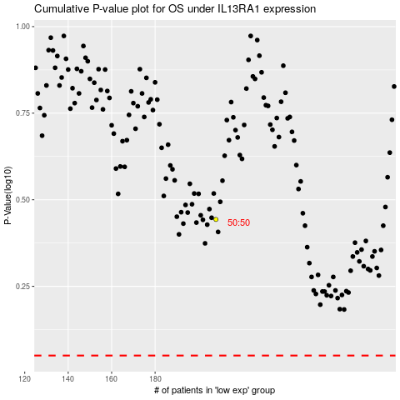

 |  |  |  |  |  | cases_OS | p_OS | rank | exp
 |  |  |  |  |  |  | cases_RFS | p_RFS | rank | exp

