IL15 _multivariate
Reported by Tex Li-Hsing Chi. tex@gate.sinica.edu.tw 2019-08-18

Table 2. The clinicopathological features of HNSCC cohort and IL15 expression. (Chi square test)
Cutoff at -0.248 (49.8%)
 |  | IL15 expression |  | IL15 expression |  | (Optimised)
 | Features | Low | (%) | High | (%) | Case no | P-value | Remark | Matthews
Gender | Female | 151 | 36.4 | 155 | 37.3 | 415 | 0.8007 | 0 | 0
2 | Male | 56 | 13.5 | 53 | 12.8
Age at diagnosis | <=65y | 148 | 35.7 | 126 | 30.4 | 415 | 0.0248 | 1 | 0
4 | >65y | 59 | 14.2 | 82 | 19.8
Clinical T Status | T1+T2 | 64 | 15.4 | 85 | 20.5 | 415 | 0.0445 | 1 | 0
6 | T3+T4 | 143 | 34.5 | 123 | 29.6
Clinical N Status | N0 | 114 | 27.5 | 102 | 24.6 | 415 | 0.2576 | 1 | 0
8 | N1-3 | 93 | 22.4 | 106 | 25.5
Clinical M Status | M0 | 206 | 49.6 | 206 | 49.6 | 415 | 1 | 0 | 0
10 | M1 | 1 | 0.2 | 2 | 0.5
Clinical Stage | Stage I+II | 44 | 10.6 | 58 | 14 | 415 | 0.1459 | 0 | 0
12 | Stage III+IV | 163 | 39.3 | 150 | 36.1
Surgical Margin status | Negative | 162 | 39 | 156 | 37.6 | 415 | 0.4867 | 0 | 0
14 | Positive | 45 | 10.8 | 52 | 12.5
Tobacco Exposure | Low | 70 | 16.9 | 91 | 21.9 | 415 | 0.0439 | 1 | 0
16 | High | 137 | 33 | 117 | 28.2

Table 3. Univariate/Multivariate Cox's proportional hazards regression analyses on OS time of IL15 gene expression in HNSCC

 |  | Univariate |  |  |  | Multivariate
 | Features | HR | CI95%(L) | CI95%(H) | P-value | HR | CI95%(L) | CI95%(H) | P-value
1 | Female | 1 |  |  |  | 1
Gender | Male | 1.157 | 0.843 | 1.587 | 0.367 | 1.193 | 0.852 | 1.668 | 0.304
11 | <=65y | 1 |  |  |  | 1
Age at diagnosis | >65y | 1.329 | 0.99 | 1.784 | 0.058 | 1.403 | 1.03 | 1.91 | 0.032
12 | T1+T2 | 1 |  |  |  | 1
Clinical T Status | T3+T4 | 1.409 | 1.028 | 1.931 | 0.033 | 2.195 | 1.161 | 4.15 | 0.016
13 | N0 | 1 |  |  |  | 1
Clinical N Status | N1-3 | 1.185 | 0.89 | 1.577 | 0.246 | 1.253 | 0.877 | 1.791 | 0.216
14 | M0 | 1 |  |  |  | 1
Clinical M Status | M1 | 4.097 | 1.009 | 16.644 | 0.049 | 9.446 | 2.061 | 43.303 | 0.004
15 | Stage I+II | 1 |  |  |  | 1
Clinical Stage | Stage III+IV | 1.245 | 0.882 | 1.759 | 0.213 | 0.498 | 0.232 | 1.07 | 0.074
16 | Negative | 1 |  |  |  | 1
Surgical Margin status | Positive | 1.591 | 1.155 | 2.191 | 0.004 | 1.682 | 1.216 | 2.326 | 0.002
17 | Low | 1 |  |  |  | 1
Tobacco Exposure | High | 1.364 | 1.008 | 1.844 | 0.044 | 1.447 | 1.049 | 1.995 | 0.024
18 | Low | 1 |  |  |  | 1
RNAseq(z-score) | High | 0.942 | 0.707 | 1.256 | 0.685 | 0.927 | 0.691 | 1.244 | 0.613

Table 4. Univariate/Multivariate Cox's proportional hazards regression analyses on RFS time of IL15 gene expression in HNSCC

 |  | Univariate |  |  |  | Multivariate
 | Features | HR | CI95%(L) | CI95%(H) | P-value | HR | CI95%(L) | CI95%(H) | P-value
1 | Female | 1 |  |  |  | 1
Gender | Male | 1.157 | 0.843 | 1.587 | 0.367 | 1.193 | 0.852 | 1.668 | 0.304
11 | <=65y | 1 |  |  |  | 1
Age at diagnosis | >65y | 1.329 | 0.99 | 1.784 | 0.058 | 1.403 | 1.03 | 1.91 | 0.032
12 | T1+T2 | 1 |  |  |  | 1
Clinical T Status | T3+T4 | 1.409 | 1.028 | 1.931 | 0.033 | 2.195 | 1.161 | 4.15 | 0.016
13 | N0 | 1 |  |  |  | 1
Clinical N Status | N1-3 | 1.185 | 0.89 | 1.577 | 0.246 | 1.253 | 0.877 | 1.791 | 0.216
14 | M0 | 1 |  |  |  | 1
Clinical M Status | M1 | 4.097 | 1.009 | 16.644 | 0.049 | 9.446 | 2.061 | 43.303 | 0.004
15 | Stage I+II | 1 |  |  |  | 1
Clinical Stage | Stage III+IV | 1.245 | 0.882 | 1.759 | 0.213 | 0.498 | 0.232 | 1.07 | 0.074
16 | Negative | 1 |  |  |  | 1
Surgical Margin status | Positive | 1.591 | 1.155 | 2.191 | 0.004 | 1.682 | 1.216 | 2.326 | 0.002
17 | Low | 1 |  |  |  | 1
Tobacco Exposure | High | 1.364 | 1.008 | 1.844 | 0.044 | 1.447 | 1.049 | 1.995 | 0.024
18 | Low | 1 |  |  |  | 1
RNAseq(z-score) | High | 0.942 | 0.707 | 1.256 | 0.685 | 0.927 | 0.691 | 1.244 | 0.613

Kaplan-Meier survival estimate: Cutoff at -0.248 (49.8%)

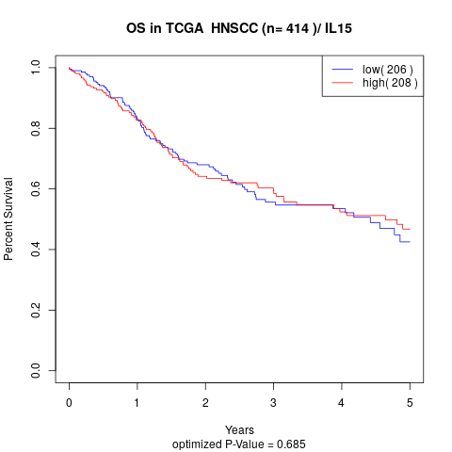

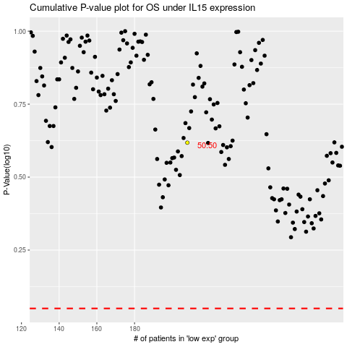

 |  |  |  |  |  | cases_OS | p_OS | rank | exp
 |  |  |  |  |  |  | cases_RFS | p_RFS | rank | exp

