IL15RA _multivariate
Reported by Tex Li-Hsing Chi. tex@gate.sinica.edu.tw 2019-08-18

Table 2. The clinicopathological features of HNSCC cohort and IL15RA expression. (Chi square test)
Cutoff at -0.183 (50.0%)
 |  | IL15RA expression |  | IL15RA expression |  | (Optimised)
 | Features | Low | (%) | High | (%) | Case no | P-value | Remark | Matthews
Gender | Female | 153 | 36.9 | 153 | 36.9 | 415 | 1 | 0 | 0
2 | Male | 54 | 13 | 55 | 13.3
Age at diagnosis | <=65y | 148 | 35.7 | 126 | 30.4 | 415 | 0.0248 | 1 | 0
4 | >65y | 59 | 14.2 | 82 | 19.8
Clinical T Status | T1+T2 | 63 | 15.2 | 86 | 20.7 | 415 | 0.0268 | 1 | 0
6 | T3+T4 | 144 | 34.7 | 122 | 29.4
Clinical N Status | N0 | 115 | 27.7 | 101 | 24.3 | 415 | 0.184 | 1 | 0
8 | N1-3 | 92 | 22.2 | 107 | 25.8
Clinical M Status | M0 | 207 | 49.9 | 205 | 49.4 | 415 | 0.2482 | 0 | 0
10 | M1 | 0 | 0 | 3 | 0.7
Clinical Stage | Stage I+II | 45 | 10.8 | 57 | 13.7 | 415 | 0.2202 | 0 | 0
12 | Stage III+IV | 162 | 39 | 151 | 36.4
Surgical Margin status | Negative | 157 | 37.8 | 161 | 38.8 | 415 | 0.729 | 0 | 0
14 | Positive | 50 | 12 | 47 | 11.3
Tobacco Exposure | Low | 73 | 17.6 | 88 | 21.2 | 415 | 0.1587 | 0 | 0
16 | High | 134 | 32.3 | 120 | 28.9

Table 3. Univariate/Multivariate Cox's proportional hazards regression analyses on OS time of IL15RA gene expression in HNSCC

 |  | Univariate |  |  |  | Multivariate
 | Features | HR | CI95%(L) | CI95%(H) | P-value | HR | CI95%(L) | CI95%(H) | P-value
1 | Female | 1 |  |  |  | 1
Gender | Male | 1.157 | 0.843 | 1.587 | 0.367 | 1.176 | 0.841 | 1.645 | 0.344
11 | <=65y | 1 |  |  |  | 1
Age at diagnosis | >65y | 1.329 | 0.99 | 1.784 | 0.058 | 1.45 | 1.063 | 1.978 | 0.019
12 | T1+T2 | 1 |  |  |  | 1
Clinical T Status | T3+T4 | 1.409 | 1.028 | 1.931 | 0.033 | 2.162 | 1.143 | 4.087 | 0.018
13 | N0 | 1 |  |  |  | 1
Clinical N Status | N1-3 | 1.185 | 0.89 | 1.577 | 0.246 | 1.294 | 0.904 | 1.854 | 0.159
14 | M0 | 1 |  |  |  | 1
Clinical M Status | M1 | 4.097 | 1.009 | 16.644 | 0.049 | 10.445 | 2.265 | 48.177 | 0.003
15 | Stage I+II | 1 |  |  |  | 1
Clinical Stage | Stage III+IV | 1.245 | 0.882 | 1.759 | 0.213 | 0.484 | 0.225 | 1.039 | 0.063
16 | Negative | 1 |  |  |  | 1
Surgical Margin status | Positive | 1.591 | 1.155 | 2.191 | 0.004 | 1.673 | 1.211 | 2.313 | 0.002
17 | Low | 1 |  |  |  | 1
Tobacco Exposure | High | 1.364 | 1.008 | 1.844 | 0.044 | 1.438 | 1.044 | 1.98 | 0.026
18 | Low | 1 |  |  |  | 1
RNAseq(z-score) | High | 0.809 | 0.607 | 1.078 | 0.148 | 0.781 | 0.58 | 1.052 | 0.104

Table 4. Univariate/Multivariate Cox's proportional hazards regression analyses on RFS time of IL15RA gene expression in HNSCC

 |  | Univariate |  |  |  | Multivariate
 | Features | HR | CI95%(L) | CI95%(H) | P-value | HR | CI95%(L) | CI95%(H) | P-value
1 | Female | 1 |  |  |  | 1
Gender | Male | 1.157 | 0.843 | 1.587 | 0.367 | 1.176 | 0.841 | 1.645 | 0.344
11 | <=65y | 1 |  |  |  | 1
Age at diagnosis | >65y | 1.329 | 0.99 | 1.784 | 0.058 | 1.45 | 1.063 | 1.978 | 0.019
12 | T1+T2 | 1 |  |  |  | 1
Clinical T Status | T3+T4 | 1.409 | 1.028 | 1.931 | 0.033 | 2.162 | 1.143 | 4.087 | 0.018
13 | N0 | 1 |  |  |  | 1
Clinical N Status | N1-3 | 1.185 | 0.89 | 1.577 | 0.246 | 1.294 | 0.904 | 1.854 | 0.159
14 | M0 | 1 |  |  |  | 1
Clinical M Status | M1 | 4.097 | 1.009 | 16.644 | 0.049 | 10.445 | 2.265 | 48.177 | 0.003
15 | Stage I+II | 1 |  |  |  | 1
Clinical Stage | Stage III+IV | 1.245 | 0.882 | 1.759 | 0.213 | 0.484 | 0.225 | 1.039 | 0.063
16 | Negative | 1 |  |  |  | 1
Surgical Margin status | Positive | 1.591 | 1.155 | 2.191 | 0.004 | 1.673 | 1.211 | 2.313 | 0.002
17 | Low | 1 |  |  |  | 1
Tobacco Exposure | High | 1.364 | 1.008 | 1.844 | 0.044 | 1.438 | 1.044 | 1.98 | 0.026
18 | Low | 1 |  |  |  | 1
RNAseq(z-score) | High | 0.809 | 0.607 | 1.078 | 0.148 | 0.781 | 0.58 | 1.052 | 0.104

Kaplan-Meier survival estimate: Cutoff at -0.183 (50.0%)



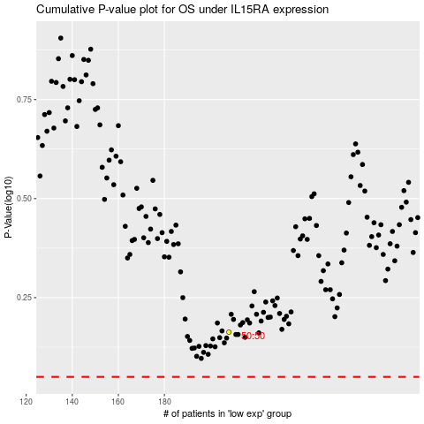

 |  |  |  |  |  | cases_OS | p_OS | rank | exp
 |  |  |  |  |  |  | cases_RFS | p_RFS | rank | exp

