IL17B _multivariate
Reported by Tex Li-Hsing Chi. tex@gate.sinica.edu.tw 2019-08-18

Table 2. The clinicopathological features of HNSCC cohort and IL17B expression. (Chi square test)
Cutoff at -0.203 (49.5%)
 |  | IL17B expression |  | IL17B expression |  | (Optimised)
 | Features | Low | (%) | High | (%) | Case no | P-value | Remark | Matthews
Gender | Female | 151 | 36.4 | 155 | 37.3 | 415 | 0.93 | 0 | 0
2 | Male | 55 | 13.3 | 54 | 13
Age at diagnosis | <=65y | 130 | 31.3 | 144 | 34.7 | 415 | 0.2534 | 0 | 0
4 | >65y | 76 | 18.3 | 65 | 15.7
Clinical T Status | T1+T2 | 73 | 17.6 | 76 | 18.3 | 415 | 0.9248 | 0 | 0
6 | T3+T4 | 133 | 32 | 133 | 32
Clinical N Status | N0 | 105 | 25.3 | 111 | 26.7 | 415 | 0.7355 | 0 | 0
8 | N1-3 | 101 | 24.3 | 98 | 23.6
Clinical M Status | M0 | 205 | 49.4 | 207 | 49.9 | 415 | 1 | 0 | 0
10 | M1 | 1 | 0.2 | 2 | 0.5
Clinical Stage | Stage I+II | 48 | 11.6 | 54 | 13 | 415 | 0.627 | 0 | 0
12 | Stage III+IV | 158 | 38.1 | 155 | 37.3
Surgical Margin status | Negative | 160 | 38.6 | 158 | 38.1 | 415 | 0.6439 | 0 | 0
14 | Positive | 46 | 11.1 | 51 | 12.3
Tobacco Exposure | Low | 85 | 20.5 | 76 | 18.3 | 415 | 0.3154 | 0 | 0
16 | High | 121 | 29.2 | 133 | 32

Table 3. Univariate/Multivariate Cox's proportional hazards regression analyses on OS time of IL17B gene expression in HNSCC

 |  | Univariate |  |  |  | Multivariate
 | Features | HR | CI95%(L) | CI95%(H) | P-value | HR | CI95%(L) | CI95%(H) | P-value
1 | Female | 1 |  |  |  | 1
Gender | Male | 1.157 | 0.843 | 1.587 | 0.367 | 1.211 | 0.866 | 1.695 | 0.263
11 | <=65y | 1 |  |  |  | 1
Age at diagnosis | >65y | 1.329 | 0.99 | 1.784 | 0.058 | 1.4 | 1.029 | 1.904 | 0.032
12 | T1+T2 | 1 |  |  |  | 1
Clinical T Status | T3+T4 | 1.409 | 1.028 | 1.931 | 0.033 | 2.184 | 1.155 | 4.13 | 0.016
13 | N0 | 1 |  |  |  | 1
Clinical N Status | N1-3 | 1.185 | 0.89 | 1.577 | 0.246 | 1.245 | 0.872 | 1.777 | 0.227
14 | M0 | 1 |  |  |  | 1
Clinical M Status | M1 | 4.097 | 1.009 | 16.644 | 0.049 | 9.229 | 2.011 | 42.348 | 0.004
15 | Stage I+II | 1 |  |  |  | 1
Clinical Stage | Stage III+IV | 1.245 | 0.882 | 1.759 | 0.213 | 0.512 | 0.238 | 1.1 | 0.086
16 | Negative | 1 |  |  |  | 1
Surgical Margin status | Positive | 1.591 | 1.155 | 2.191 | 0.004 | 1.677 | 1.214 | 2.318 | 0.002
17 | Low | 1 |  |  |  | 1
Tobacco Exposure | High | 1.364 | 1.008 | 1.844 | 0.044 | 1.446 | 1.049 | 1.994 | 0.024
18 | Low | 1 |  |  |  | 1
RNAseq(z-score) | High | 1.066 | 0.798 | 1.425 | 0.664 | 1.104 | 0.824 | 1.48 | 0.508

Table 4. Univariate/Multivariate Cox's proportional hazards regression analyses on RFS time of IL17B gene expression in HNSCC

 |  | Univariate |  |  |  | Multivariate
 | Features | HR | CI95%(L) | CI95%(H) | P-value | HR | CI95%(L) | CI95%(H) | P-value
1 | Female | 1 |  |  |  | 1
Gender | Male | 1.157 | 0.843 | 1.587 | 0.367 | 1.211 | 0.866 | 1.695 | 0.263
11 | <=65y | 1 |  |  |  | 1
Age at diagnosis | >65y | 1.329 | 0.99 | 1.784 | 0.058 | 1.4 | 1.029 | 1.904 | 0.032
12 | T1+T2 | 1 |  |  |  | 1
Clinical T Status | T3+T4 | 1.409 | 1.028 | 1.931 | 0.033 | 2.184 | 1.155 | 4.13 | 0.016
13 | N0 | 1 |  |  |  | 1
Clinical N Status | N1-3 | 1.185 | 0.89 | 1.577 | 0.246 | 1.245 | 0.872 | 1.777 | 0.227
14 | M0 | 1 |  |  |  | 1
Clinical M Status | M1 | 4.097 | 1.009 | 16.644 | 0.049 | 9.229 | 2.011 | 42.348 | 0.004
15 | Stage I+II | 1 |  |  |  | 1
Clinical Stage | Stage III+IV | 1.245 | 0.882 | 1.759 | 0.213 | 0.512 | 0.238 | 1.1 | 0.086
16 | Negative | 1 |  |  |  | 1
Surgical Margin status | Positive | 1.591 | 1.155 | 2.191 | 0.004 | 1.677 | 1.214 | 2.318 | 0.002
17 | Low | 1 |  |  |  | 1
Tobacco Exposure | High | 1.364 | 1.008 | 1.844 | 0.044 | 1.446 | 1.049 | 1.994 | 0.024
18 | Low | 1 |  |  |  | 1
RNAseq(z-score) | High | 1.066 | 0.798 | 1.425 | 0.664 | 1.104 | 0.824 | 1.48 | 0.508

Kaplan-Meier survival estimate: Cutoff at -0.203 (49.5%)



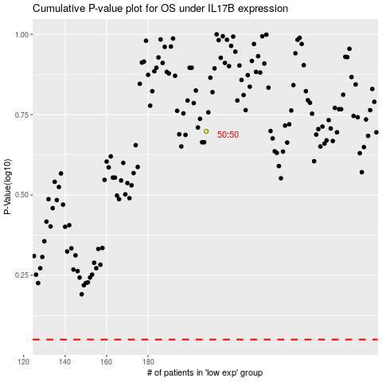

 |  |  |  |  |  | cases_OS | p_OS | rank | exp
 |  |  |  |  |  |  | cases_RFS | p_RFS | rank | exp

