IL17D _multivariate
Reported by Tex Li-Hsing Chi. tex@gate.sinica.edu.tw 2019-08-18

Table 2. The clinicopathological features of HNSCC cohort and IL17D expression. (Chi square test)
Cutoff at -0.223 (50.0%)
 |  | IL17D expression |  | IL17D expression |  | (Optimised)
 | Features | Low | (%) | High | (%) | Case no | P-value | Remark | Matthews
Gender | Female | 154 | 37.1 | 152 | 36.6 | 415 | 0.8463 | 0 | 0
2 | Male | 53 | 12.8 | 56 | 13.5
Age at diagnosis | <=65y | 130 | 31.3 | 144 | 34.7 | 415 | 0.2009 | 0 | 0
4 | >65y | 77 | 18.6 | 64 | 15.4
Clinical T Status | T1+T2 | 67 | 16.1 | 82 | 19.8 | 415 | 0.1628 | 0 | 0
6 | T3+T4 | 140 | 33.7 | 126 | 30.4
Clinical N Status | N0 | 112 | 27 | 104 | 25.1 | 415 | 0.4599 | 0 | 0
8 | N1-3 | 95 | 22.9 | 104 | 25.1
Clinical M Status | M0 | 206 | 49.6 | 206 | 49.6 | 415 | 1 | 0 | 0
10 | M1 | 1 | 0.2 | 2 | 0.5
Clinical Stage | Stage I+II | 46 | 11.1 | 56 | 13.5 | 415 | 0.3182 | 0 | 0
12 | Stage III+IV | 161 | 38.8 | 152 | 36.6
Surgical Margin status | Negative | 161 | 38.8 | 157 | 37.8 | 415 | 0.6429 | 0 | 0
14 | Positive | 46 | 11.1 | 51 | 12.3
Tobacco Exposure | Low | 84 | 20.2 | 77 | 18.6 | 415 | 0.4816 | 0 | 0
16 | High | 123 | 29.6 | 131 | 31.6

Table 3. Univariate/Multivariate Cox's proportional hazards regression analyses on OS time of IL17D gene expression in HNSCC

 |  | Univariate |  |  |  | Multivariate
 | Features | HR | CI95%(L) | CI95%(H) | P-value | HR | CI95%(L) | CI95%(H) | P-value
1 | Female | 1 |  |  |  | 1
Gender | Male | 1.157 | 0.843 | 1.587 | 0.367 | 1.196 | 0.856 | 1.671 | 0.294
11 | <=65y | 1 |  |  |  | 1
Age at diagnosis | >65y | 1.329 | 0.99 | 1.784 | 0.058 | 1.394 | 1.025 | 1.895 | 0.034
12 | T1+T2 | 1 |  |  |  | 1
Clinical T Status | T3+T4 | 1.409 | 1.028 | 1.931 | 0.033 | 2.182 | 1.154 | 4.128 | 0.016
13 | N0 | 1 |  |  |  | 1
Clinical N Status | N1-3 | 1.185 | 0.89 | 1.577 | 0.246 | 1.225 | 0.857 | 1.751 | 0.265
14 | M0 | 1 |  |  |  | 1
Clinical M Status | M1 | 4.097 | 1.009 | 16.644 | 0.049 | 9.206 | 2.007 | 42.227 | 0.004
15 | Stage I+II | 1 |  |  |  | 1
Clinical Stage | Stage III+IV | 1.245 | 0.882 | 1.759 | 0.213 | 0.508 | 0.237 | 1.089 | 0.082
16 | Negative | 1 |  |  |  | 1
Surgical Margin status | Positive | 1.591 | 1.155 | 2.191 | 0.004 | 1.665 | 1.204 | 2.301 | 0.002
17 | Low | 1 |  |  |  | 1
Tobacco Exposure | High | 1.364 | 1.008 | 1.844 | 0.044 | 1.446 | 1.05 | 1.992 | 0.024
18 | Low | 1 |  |  |  | 1
RNAseq(z-score) | High | 1.186 | 0.89 | 1.581 | 0.244 | 1.145 | 0.857 | 1.53 | 0.36

Table 4. Univariate/Multivariate Cox's proportional hazards regression analyses on RFS time of IL17D gene expression in HNSCC

 |  | Univariate |  |  |  | Multivariate
 | Features | HR | CI95%(L) | CI95%(H) | P-value | HR | CI95%(L) | CI95%(H) | P-value
1 | Female | 1 |  |  |  | 1
Gender | Male | 1.157 | 0.843 | 1.587 | 0.367 | 1.196 | 0.856 | 1.671 | 0.294
11 | <=65y | 1 |  |  |  | 1
Age at diagnosis | >65y | 1.329 | 0.99 | 1.784 | 0.058 | 1.394 | 1.025 | 1.895 | 0.034
12 | T1+T2 | 1 |  |  |  | 1
Clinical T Status | T3+T4 | 1.409 | 1.028 | 1.931 | 0.033 | 2.182 | 1.154 | 4.128 | 0.016
13 | N0 | 1 |  |  |  | 1
Clinical N Status | N1-3 | 1.185 | 0.89 | 1.577 | 0.246 | 1.225 | 0.857 | 1.751 | 0.265
14 | M0 | 1 |  |  |  | 1
Clinical M Status | M1 | 4.097 | 1.009 | 16.644 | 0.049 | 9.206 | 2.007 | 42.227 | 0.004
15 | Stage I+II | 1 |  |  |  | 1
Clinical Stage | Stage III+IV | 1.245 | 0.882 | 1.759 | 0.213 | 0.508 | 0.237 | 1.089 | 0.082
16 | Negative | 1 |  |  |  | 1
Surgical Margin status | Positive | 1.591 | 1.155 | 2.191 | 0.004 | 1.665 | 1.204 | 2.301 | 0.002
17 | Low | 1 |  |  |  | 1
Tobacco Exposure | High | 1.364 | 1.008 | 1.844 | 0.044 | 1.446 | 1.05 | 1.992 | 0.024
18 | Low | 1 |  |  |  | 1
RNAseq(z-score) | High | 1.186 | 0.89 | 1.581 | 0.244 | 1.145 | 0.857 | 1.53 | 0.36

Kaplan-Meier survival estimate: Cutoff at -0.223 (50.0%)



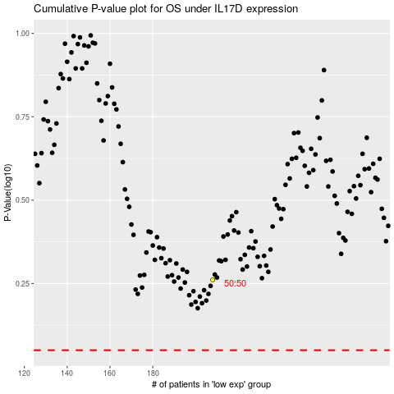

 |  |  |  |  |  | cases_OS | p_OS | rank | exp
 |  |  |  |  |  |  | cases_RFS | p_RFS | rank | exp

