IL17RA _multivariate
Reported by Tex Li-Hsing Chi. tex@gate.sinica.edu.tw 2019-08-18

Table 2. The clinicopathological features of HNSCC cohort and IL17RA expression. (Chi square test)
Cutoff at -0.044 (50.0%)
 |  | IL17RA expression |  | IL17RA expression |  | (Optimised)
 | Features | Low | (%) | High | (%) | Case no | P-value | Remark | Matthews
Gender | Female | 162 | 39 | 144 | 34.7 | 415 | 0.0479 | 1 | 0
2 | Male | 45 | 10.8 | 64 | 15.4
Age at diagnosis | <=65y | 147 | 35.4 | 127 | 30.6 | 415 | 0.0416 | 1 | 0
4 | >65y | 60 | 14.5 | 81 | 19.5
Clinical T Status | T1+T2 | 81 | 19.5 | 68 | 16.4 | 415 | 0.206 | 0 | 0
6 | T3+T4 | 126 | 30.4 | 140 | 33.7
Clinical N Status | N0 | 101 | 24.3 | 115 | 27.7 | 415 | 0.2201 | 0 | 0
8 | N1-3 | 106 | 25.5 | 93 | 22.4
Clinical M Status | M0 | 206 | 49.6 | 206 | 49.6 | 415 | 1 | 0 | 0
10 | M1 | 1 | 0.2 | 2 | 0.5
Clinical Stage | Stage I+II | 51 | 12.3 | 51 | 12.3 | 415 | 1 | 0 | 0
12 | Stage III+IV | 156 | 37.6 | 157 | 37.8
Surgical Margin status | Negative | 152 | 36.6 | 166 | 40 | 415 | 0.1329 | 0 | 0
14 | Positive | 55 | 13.3 | 42 | 10.1
Tobacco Exposure | Low | 87 | 21 | 74 | 17.8 | 415 | 0.1911 | 0 | 0
16 | High | 120 | 28.9 | 134 | 32.3

Table 3. Univariate/Multivariate Cox's proportional hazards regression analyses on OS time of IL17RA gene expression in HNSCC

 |  | Univariate |  |  |  | Multivariate
 | Features | HR | CI95%(L) | CI95%(H) | P-value | HR | CI95%(L) | CI95%(H) | P-value
1 | Female | 1 |  |  |  | 1
Gender | Male | 1.157 | 0.843 | 1.587 | 0.367 | 1.199 | 0.859 | 1.675 | 0.287
11 | <=65y | 1 |  |  |  | 1
Age at diagnosis | >65y | 1.329 | 0.99 | 1.784 | 0.058 | 1.383 | 1.016 | 1.882 | 0.04
12 | T1+T2 | 1 |  |  |  | 1
Clinical T Status | T3+T4 | 1.409 | 1.028 | 1.931 | 0.033 | 2.177 | 1.149 | 4.124 | 0.017
13 | N0 | 1 |  |  |  | 1
Clinical N Status | N1-3 | 1.185 | 0.89 | 1.577 | 0.246 | 1.252 | 0.876 | 1.791 | 0.218
14 | M0 | 1 |  |  |  | 1
Clinical M Status | M1 | 4.097 | 1.009 | 16.644 | 0.049 | 9.077 | 1.965 | 41.924 | 0.005
15 | Stage I+II | 1 |  |  |  | 1
Clinical Stage | Stage III+IV | 1.245 | 0.882 | 1.759 | 0.213 | 0.509 | 0.237 | 1.094 | 0.084
16 | Negative | 1 |  |  |  | 1
Surgical Margin status | Positive | 1.591 | 1.155 | 2.191 | 0.004 | 1.682 | 1.216 | 2.328 | 0.002
17 | Low | 1 |  |  |  | 1
Tobacco Exposure | High | 1.364 | 1.008 | 1.844 | 0.044 | 1.449 | 1.052 | 1.998 | 0.023
18 | Low | 1 |  |  |  | 1
RNAseq(z-score) | High | 1.111 | 0.833 | 1.482 | 0.473 | 1.072 | 0.797 | 1.441 | 0.647

Table 4. Univariate/Multivariate Cox's proportional hazards regression analyses on RFS time of IL17RA gene expression in HNSCC

 |  | Univariate |  |  |  | Multivariate
 | Features | HR | CI95%(L) | CI95%(H) | P-value | HR | CI95%(L) | CI95%(H) | P-value
1 | Female | 1 |  |  |  | 1
Gender | Male | 1.157 | 0.843 | 1.587 | 0.367 | 1.199 | 0.859 | 1.675 | 0.287
11 | <=65y | 1 |  |  |  | 1
Age at diagnosis | >65y | 1.329 | 0.99 | 1.784 | 0.058 | 1.383 | 1.016 | 1.882 | 0.04
12 | T1+T2 | 1 |  |  |  | 1
Clinical T Status | T3+T4 | 1.409 | 1.028 | 1.931 | 0.033 | 2.177 | 1.149 | 4.124 | 0.017
13 | N0 | 1 |  |  |  | 1
Clinical N Status | N1-3 | 1.185 | 0.89 | 1.577 | 0.246 | 1.252 | 0.876 | 1.791 | 0.218
14 | M0 | 1 |  |  |  | 1
Clinical M Status | M1 | 4.097 | 1.009 | 16.644 | 0.049 | 9.077 | 1.965 | 41.924 | 0.005
15 | Stage I+II | 1 |  |  |  | 1
Clinical Stage | Stage III+IV | 1.245 | 0.882 | 1.759 | 0.213 | 0.509 | 0.237 | 1.094 | 0.084
16 | Negative | 1 |  |  |  | 1
Surgical Margin status | Positive | 1.591 | 1.155 | 2.191 | 0.004 | 1.682 | 1.216 | 2.328 | 0.002
17 | Low | 1 |  |  |  | 1
Tobacco Exposure | High | 1.364 | 1.008 | 1.844 | 0.044 | 1.449 | 1.052 | 1.998 | 0.023
18 | Low | 1 |  |  |  | 1
RNAseq(z-score) | High | 1.111 | 0.833 | 1.482 | 0.473 | 1.072 | 0.797 | 1.441 | 0.647

Kaplan-Meier survival estimate: Cutoff at -0.044 (50.0%)



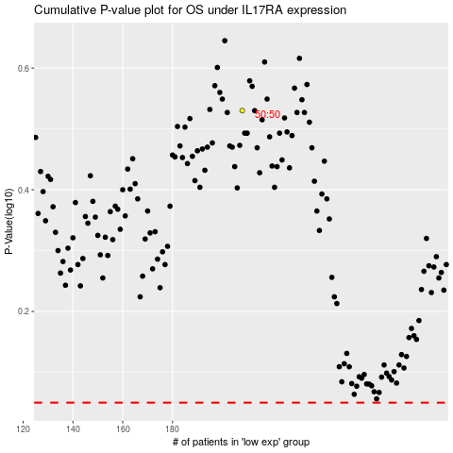

 |  |  |  |  |  | cases_OS | p_OS | rank | exp
 |  |  |  |  |  |  | cases_RFS | p_RFS | rank | exp

