IL17RC _multivariate
Reported by Tex Li-Hsing Chi. tex@gate.sinica.edu.tw 2019-08-18

Table 2. The clinicopathological features of HNSCC cohort and IL17RC expression. (Chi square test)
Cutoff at -0.591 (31.2%)
 |  | IL17RC expression |  | IL17RC expression |  | (Optimised)
 | Features | Low | (%) | High | (%) | Case no | P-value | Remark | Matthews
Gender | Female | 107 | 25.8 | 199 | 48 | 415 | 0.0061 | 1 | 0
2 | Male | 22 | 5.3 | 87 | 21
Age at diagnosis | <=65y | 81 | 19.5 | 193 | 46.5 | 415 | 0.411 | 0 | 0
4 | >65y | 48 | 11.6 | 93 | 22.4
Clinical T Status | T1+T2 | 39 | 9.4 | 110 | 26.5 | 415 | 0.1319 | 0 | 0
6 | T3+T4 | 90 | 21.7 | 176 | 42.4
Clinical N Status | N0 | 64 | 15.4 | 152 | 36.6 | 415 | 0.5749 | 0 | 0
8 | N1-3 | 65 | 15.7 | 134 | 32.3
Clinical M Status | M0 | 128 | 30.8 | 284 | 68.4 | 415 | 1 | 0 | 0
10 | M1 | 1 | 0.2 | 2 | 0.5
Clinical Stage | Stage I+II | 29 | 7 | 73 | 17.6 | 415 | 0.5868 | 0 | 0
12 | Stage III+IV | 100 | 24.1 | 213 | 51.3
Surgical Margin status | Negative | 99 | 23.9 | 219 | 52.8 | 415 | 1 | 0 | 0
14 | Positive | 30 | 7.2 | 67 | 16.1
Tobacco Exposure | Low | 35 | 8.4 | 126 | 30.4 | 415 | 0.0011 | 1 | 0
16 | High | 94 | 22.7 | 160 | 38.6

Table 3. Univariate/Multivariate Cox's proportional hazards regression analyses on OS time of IL17RC gene expression in HNSCC

 |  | Univariate |  |  |  | Multivariate
 | Features | HR | CI95%(L) | CI95%(H) | P-value | HR | CI95%(L) | CI95%(H) | P-value
1 | Female | 1 |  |  |  | 1
Gender | Male | 1.157 | 0.843 | 1.587 | 0.367 | 1.278 | 0.91 | 1.793 | 0.157
11 | <=65y | 1 |  |  |  | 1
Age at diagnosis | >65y | 1.329 | 0.99 | 1.784 | 0.058 | 1.386 | 1.02 | 1.883 | 0.037
12 | T1+T2 | 1 |  |  |  | 1
Clinical T Status | T3+T4 | 1.409 | 1.028 | 1.931 | 0.033 | 2.108 | 1.115 | 3.986 | 0.022
13 | N0 | 1 |  |  |  | 1
Clinical N Status | N1-3 | 1.185 | 0.89 | 1.577 | 0.246 | 1.206 | 0.844 | 1.724 | 0.304
14 | M0 | 1 |  |  |  | 1
Clinical M Status | M1 | 4.097 | 1.009 | 16.644 | 0.049 | 9.672 | 2.109 | 44.347 | 0.003
15 | Stage I+II | 1 |  |  |  | 1
Clinical Stage | Stage III+IV | 1.245 | 0.882 | 1.759 | 0.213 | 0.529 | 0.246 | 1.138 | 0.103
16 | Negative | 1 |  |  |  | 1
Surgical Margin status | Positive | 1.591 | 1.155 | 2.191 | 0.004 | 1.686 | 1.22 | 2.33 | 0.002
17 | Low | 1 |  |  |  | 1
Tobacco Exposure | High | 1.364 | 1.008 | 1.844 | 0.044 | 1.431 | 1.039 | 1.971 | 0.028
18 | Low | 1 |  |  |  | 1
RNAseq(z-score) | High | 0.734 | 0.546 | 0.986 | 0.04 | 0.734 | 0.541 | 0.995 | 0.047

Table 4. Univariate/Multivariate Cox's proportional hazards regression analyses on RFS time of IL17RC gene expression in HNSCC

 |  | Univariate |  |  |  | Multivariate
 | Features | HR | CI95%(L) | CI95%(H) | P-value | HR | CI95%(L) | CI95%(H) | P-value
1 | Female | 1 |  |  |  | 1
Gender | Male | 1.157 | 0.843 | 1.587 | 0.367 | 1.278 | 0.91 | 1.793 | 0.157
11 | <=65y | 1 |  |  |  | 1
Age at diagnosis | >65y | 1.329 | 0.99 | 1.784 | 0.058 | 1.386 | 1.02 | 1.883 | 0.037
12 | T1+T2 | 1 |  |  |  | 1
Clinical T Status | T3+T4 | 1.409 | 1.028 | 1.931 | 0.033 | 2.108 | 1.115 | 3.986 | 0.022
13 | N0 | 1 |  |  |  | 1
Clinical N Status | N1-3 | 1.185 | 0.89 | 1.577 | 0.246 | 1.206 | 0.844 | 1.724 | 0.304
14 | M0 | 1 |  |  |  | 1
Clinical M Status | M1 | 4.097 | 1.009 | 16.644 | 0.049 | 9.672 | 2.109 | 44.347 | 0.003
15 | Stage I+II | 1 |  |  |  | 1
Clinical Stage | Stage III+IV | 1.245 | 0.882 | 1.759 | 0.213 | 0.529 | 0.246 | 1.138 | 0.103
16 | Negative | 1 |  |  |  | 1
Surgical Margin status | Positive | 1.591 | 1.155 | 2.191 | 0.004 | 1.686 | 1.22 | 2.33 | 0.002
17 | Low | 1 |  |  |  | 1
Tobacco Exposure | High | 1.364 | 1.008 | 1.844 | 0.044 | 1.431 | 1.039 | 1.971 | 0.028
18 | Low | 1 |  |  |  | 1
RNAseq(z-score) | High | 0.734 | 0.546 | 0.986 | 0.04 | 0.734 | 0.541 | 0.995 | 0.047

Kaplan-Meier survival estimate: Cutoff at -0.591 (31.2%)



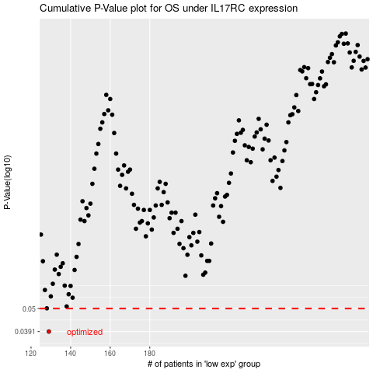

 |  |  |  |  |  | cases_OS | p_OS | rank | exp
 |  |  |  |  |  | 129 | 0.0391 | 403 | -0.59079725197
 |  |  |  |  |  |  | cases_RFS | p_RFS | rank | exp
 |  |  |  |  |  |  | 128 | 0.0391 | 92 | -0.59480739062

