IL17RE _multivariate
Reported by Tex Li-Hsing Chi. tex@gate.sinica.edu.tw 2019-08-18

Table 2. The clinicopathological features of HNSCC cohort and IL17RE expression. (Chi square test)
Cutoff at -0.221 (50.0%)
 |  | IL17RE expression |  | IL17RE expression |  | (Optimised)
 | Features | Low | (%) | High | (%) | Case no | P-value | Remark | Matthews
Gender | Female | 164 | 39.5 | 142 | 34.2 | 415 | 0.0153 | 1 | 0
2 | Male | 43 | 10.4 | 66 | 15.9
Age at diagnosis | <=65y | 143 | 34.5 | 131 | 31.6 | 415 | 0.2269 | 0 | 0
4 | >65y | 64 | 15.4 | 77 | 18.6
Clinical T Status | T1+T2 | 71 | 17.1 | 78 | 18.8 | 415 | 0.5638 | 0 | 0
6 | T3+T4 | 136 | 32.8 | 130 | 31.3
Clinical N Status | N0 | 103 | 24.8 | 113 | 27.2 | 415 | 0.4047 | 0 | 0
8 | N1-3 | 104 | 25.1 | 95 | 22.9
Clinical M Status | M0 | 206 | 49.6 | 206 | 49.6 | 415 | 1 | 0 | 0
10 | M1 | 1 | 0.2 | 2 | 0.5
Clinical Stage | Stage I+II | 46 | 11.1 | 56 | 13.5 | 415 | 0.3182 | 0 | 0
12 | Stage III+IV | 161 | 38.8 | 152 | 36.6
Surgical Margin status | Negative | 163 | 39.3 | 155 | 37.3 | 415 | 0.3537 | 0 | 0
14 | Positive | 44 | 10.6 | 53 | 12.8
Tobacco Exposure | Low | 61 | 14.7 | 100 | 24.1 | 415 | 1e-04 | 1 | 0
16 | High | 146 | 35.2 | 108 | 26

Table 3. Univariate/Multivariate Cox's proportional hazards regression analyses on OS time of IL17RE gene expression in HNSCC

 |  | Univariate |  |  |  | Multivariate
 | Features | HR | CI95%(L) | CI95%(H) | P-value | HR | CI95%(L) | CI95%(H) | P-value
1 | Female | 1 |  |  |  | 1
Gender | Male | 1.157 | 0.843 | 1.587 | 0.367 | 1.174 | 0.838 | 1.646 | 0.351
11 | <=65y | 1 |  |  |  | 1
Age at diagnosis | >65y | 1.329 | 0.99 | 1.784 | 0.058 | 1.393 | 1.025 | 1.893 | 0.034
12 | T1+T2 | 1 |  |  |  | 1
Clinical T Status | T3+T4 | 1.409 | 1.028 | 1.931 | 0.033 | 2.231 | 1.179 | 4.22 | 0.014
13 | N0 | 1 |  |  |  | 1
Clinical N Status | N1-3 | 1.185 | 0.89 | 1.577 | 0.246 | 1.247 | 0.874 | 1.779 | 0.223
14 | M0 | 1 |  |  |  | 1
Clinical M Status | M1 | 4.097 | 1.009 | 16.644 | 0.049 | 9.277 | 2.023 | 42.541 | 0.004
15 | Stage I+II | 1 |  |  |  | 1
Clinical Stage | Stage III+IV | 1.245 | 0.882 | 1.759 | 0.213 | 0.503 | 0.235 | 1.08 | 0.078
16 | Negative | 1 |  |  |  | 1
Surgical Margin status | Positive | 1.591 | 1.155 | 2.191 | 0.004 | 1.654 | 1.196 | 2.287 | 0.002
17 | Low | 1 |  |  |  | 1
Tobacco Exposure | High | 1.364 | 1.008 | 1.844 | 0.044 | 1.475 | 1.068 | 2.035 | 0.018
18 | Low | 1 |  |  |  | 1
RNAseq(z-score) | High | 1.161 | 0.871 | 1.547 | 0.309 | 1.175 | 0.876 | 1.578 | 0.282

Table 4. Univariate/Multivariate Cox's proportional hazards regression analyses on RFS time of IL17RE gene expression in HNSCC

 |  | Univariate |  |  |  | Multivariate
 | Features | HR | CI95%(L) | CI95%(H) | P-value | HR | CI95%(L) | CI95%(H) | P-value
1 | Female | 1 |  |  |  | 1
Gender | Male | 1.157 | 0.843 | 1.587 | 0.367 | 1.174 | 0.838 | 1.646 | 0.351
11 | <=65y | 1 |  |  |  | 1
Age at diagnosis | >65y | 1.329 | 0.99 | 1.784 | 0.058 | 1.393 | 1.025 | 1.893 | 0.034
12 | T1+T2 | 1 |  |  |  | 1
Clinical T Status | T3+T4 | 1.409 | 1.028 | 1.931 | 0.033 | 2.231 | 1.179 | 4.22 | 0.014
13 | N0 | 1 |  |  |  | 1
Clinical N Status | N1-3 | 1.185 | 0.89 | 1.577 | 0.246 | 1.247 | 0.874 | 1.779 | 0.223
14 | M0 | 1 |  |  |  | 1
Clinical M Status | M1 | 4.097 | 1.009 | 16.644 | 0.049 | 9.277 | 2.023 | 42.541 | 0.004
15 | Stage I+II | 1 |  |  |  | 1
Clinical Stage | Stage III+IV | 1.245 | 0.882 | 1.759 | 0.213 | 0.503 | 0.235 | 1.08 | 0.078
16 | Negative | 1 |  |  |  | 1
Surgical Margin status | Positive | 1.591 | 1.155 | 2.191 | 0.004 | 1.654 | 1.196 | 2.287 | 0.002
17 | Low | 1 |  |  |  | 1
Tobacco Exposure | High | 1.364 | 1.008 | 1.844 | 0.044 | 1.475 | 1.068 | 2.035 | 0.018
18 | Low | 1 |  |  |  | 1
RNAseq(z-score) | High | 1.161 | 0.871 | 1.547 | 0.309 | 1.175 | 0.876 | 1.578 | 0.282

Kaplan-Meier survival estimate: Cutoff at -0.221 (50.0%)



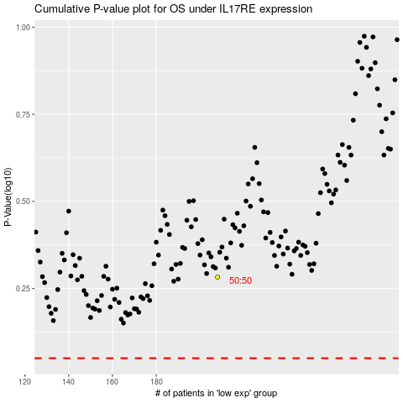

 |  |  |  |  |  | cases_OS | p_OS | rank | exp
 |  |  |  |  |  |  | cases_RFS | p_RFS | rank | exp

