IL18 _multivariate
Reported by Tex Li-Hsing Chi. tex@gate.sinica.edu.tw 2019-08-18

Table 2. The clinicopathological features of HNSCC cohort and IL18 expression. (Chi square test)
Cutoff at -0.211 (50.0%)
 |  | IL18 expression |  | IL18 expression |  | (Optimised)
 | Features | Low | (%) | High | (%) | Case no | P-value | Remark | Matthews
Gender | Female | 167 | 40.2 | 139 | 33.5 | 415 | 0.002 | 1 | 0
2 | Male | 40 | 9.6 | 69 | 16.6
Age at diagnosis | <=65y | 144 | 34.7 | 130 | 31.3 | 415 | 0.1568 | 0 | 0
4 | >65y | 63 | 15.2 | 78 | 18.8
Clinical T Status | T1+T2 | 83 | 20 | 66 | 15.9 | 415 | 0.0941 | 0 | 0
6 | T3+T4 | 124 | 29.9 | 142 | 34.2
Clinical N Status | N0 | 97 | 23.4 | 119 | 28.7 | 415 | 0.0442 | 1 | 0
8 | N1-3 | 110 | 26.5 | 89 | 21.4
Clinical M Status | M0 | 206 | 49.6 | 206 | 49.6 | 415 | 1 | 0 | 0
10 | M1 | 1 | 0.2 | 2 | 0.5
Clinical Stage | Stage I+II | 49 | 11.8 | 53 | 12.8 | 415 | 0.7535 | 0 | 0
12 | Stage III+IV | 158 | 38.1 | 155 | 37.3
Surgical Margin status | Negative | 156 | 37.6 | 162 | 39 | 415 | 0.5636 | 0 | 0
14 | Positive | 51 | 12.3 | 46 | 11.1
Tobacco Exposure | Low | 71 | 17.1 | 90 | 21.7 | 415 | 0.0698 | 0 | 0
16 | High | 136 | 32.8 | 118 | 28.4

Table 3. Univariate/Multivariate Cox's proportional hazards regression analyses on OS time of IL18 gene expression in HNSCC

 |  | Univariate |  |  |  | Multivariate
 | Features | HR | CI95%(L) | CI95%(H) | P-value | HR | CI95%(L) | CI95%(H) | P-value
1 | Female | 1 |  |  |  | 1
Gender | Male | 1.157 | 0.843 | 1.587 | 0.367 | 1.204 | 0.857 | 1.693 | 0.284
11 | <=65y | 1 |  |  |  | 1
Age at diagnosis | >65y | 1.329 | 0.99 | 1.784 | 0.058 | 1.392 | 1.024 | 1.893 | 0.035
12 | T1+T2 | 1 |  |  |  | 1
Clinical T Status | T3+T4 | 1.409 | 1.028 | 1.931 | 0.033 | 2.208 | 1.162 | 4.196 | 0.016
13 | N0 | 1 |  |  |  | 1
Clinical N Status | N1-3 | 1.185 | 0.89 | 1.577 | 0.246 | 1.24 | 0.868 | 1.77 | 0.237
14 | M0 | 1 |  |  |  | 1
Clinical M Status | M1 | 4.097 | 1.009 | 16.644 | 0.049 | 9.451 | 2.05 | 43.577 | 0.004
15 | Stage I+II | 1 |  |  |  | 1
Clinical Stage | Stage III+IV | 1.245 | 0.882 | 1.759 | 0.213 | 0.503 | 0.234 | 1.084 | 0.079
16 | Negative | 1 |  |  |  | 1
Surgical Margin status | Positive | 1.591 | 1.155 | 2.191 | 0.004 | 1.672 | 1.21 | 2.311 | 0.002
17 | Low | 1 |  |  |  | 1
Tobacco Exposure | High | 1.364 | 1.008 | 1.844 | 0.044 | 1.452 | 1.053 | 2.002 | 0.023
18 | Low | 1 |  |  |  | 1
RNAseq(z-score) | High | 1.055 | 0.791 | 1.407 | 0.715 | 0.989 | 0.732 | 1.337 | 0.945

Table 4. Univariate/Multivariate Cox's proportional hazards regression analyses on RFS time of IL18 gene expression in HNSCC

 |  | Univariate |  |  |  | Multivariate
 | Features | HR | CI95%(L) | CI95%(H) | P-value | HR | CI95%(L) | CI95%(H) | P-value
1 | Female | 1 |  |  |  | 1
Gender | Male | 1.157 | 0.843 | 1.587 | 0.367 | 1.204 | 0.857 | 1.693 | 0.284
11 | <=65y | 1 |  |  |  | 1
Age at diagnosis | >65y | 1.329 | 0.99 | 1.784 | 0.058 | 1.392 | 1.024 | 1.893 | 0.035
12 | T1+T2 | 1 |  |  |  | 1
Clinical T Status | T3+T4 | 1.409 | 1.028 | 1.931 | 0.033 | 2.208 | 1.162 | 4.196 | 0.016
13 | N0 | 1 |  |  |  | 1
Clinical N Status | N1-3 | 1.185 | 0.89 | 1.577 | 0.246 | 1.24 | 0.868 | 1.77 | 0.237
14 | M0 | 1 |  |  |  | 1
Clinical M Status | M1 | 4.097 | 1.009 | 16.644 | 0.049 | 9.451 | 2.05 | 43.577 | 0.004
15 | Stage I+II | 1 |  |  |  | 1
Clinical Stage | Stage III+IV | 1.245 | 0.882 | 1.759 | 0.213 | 0.503 | 0.234 | 1.084 | 0.079
16 | Negative | 1 |  |  |  | 1
Surgical Margin status | Positive | 1.591 | 1.155 | 2.191 | 0.004 | 1.672 | 1.21 | 2.311 | 0.002
17 | Low | 1 |  |  |  | 1
Tobacco Exposure | High | 1.364 | 1.008 | 1.844 | 0.044 | 1.452 | 1.053 | 2.002 | 0.023
18 | Low | 1 |  |  |  | 1
RNAseq(z-score) | High | 1.055 | 0.791 | 1.407 | 0.715 | 0.989 | 0.732 | 1.337 | 0.945

Kaplan-Meier survival estimate: Cutoff at -0.211 (50.0%)

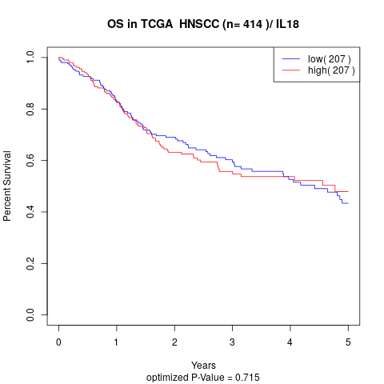

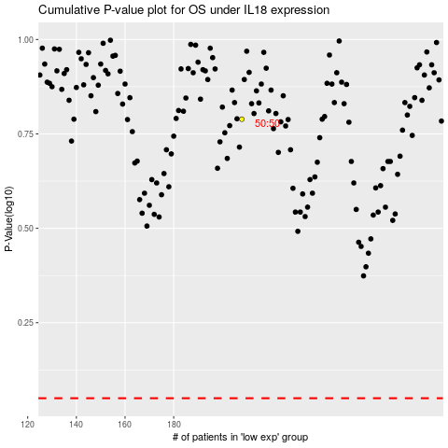

 |  |  |  |  |  | cases_OS | p_OS | rank | exp
 |  |  |  |  |  |  | cases_RFS | p_RFS | rank | exp

