IL18R1 _multivariate
Reported by Tex Li-Hsing Chi. tex@gate.sinica.edu.tw 2019-08-18

Table 2. The clinicopathological features of HNSCC cohort and IL18R1 expression. (Chi square test)
Cutoff at -0.216 (49.8%)
 |  | IL18R1 expression |  | IL18R1 expression |  | (Optimised)
 | Features | Low | (%) | High | (%) | Case no | P-value | Remark | Matthews
Gender | Female | 160 | 38.6 | 146 | 35.2 | 415 | 0.1254 | 0 | 0
2 | Male | 47 | 11.3 | 62 | 14.9
Age at diagnosis | <=65y | 142 | 34.2 | 132 | 31.8 | 415 | 0.3167 | 0 | 0
4 | >65y | 65 | 15.7 | 76 | 18.3
Clinical T Status | T1+T2 | 67 | 16.1 | 82 | 19.8 | 415 | 0.1628 | 0 | 0
6 | T3+T4 | 140 | 33.7 | 126 | 30.4
Clinical N Status | N0 | 116 | 28 | 100 | 24.1 | 415 | 0.1273 | 1 | 0
8 | N1-3 | 91 | 21.9 | 108 | 26
Clinical M Status | M0 | 206 | 49.6 | 206 | 49.6 | 415 | 1 | 0 | 0
10 | M1 | 1 | 0.2 | 2 | 0.5
Clinical Stage | Stage I+II | 49 | 11.8 | 53 | 12.8 | 415 | 0.7535 | 0 | 0
12 | Stage III+IV | 158 | 38.1 | 155 | 37.3
Surgical Margin status | Negative | 163 | 39.3 | 155 | 37.3 | 415 | 0.3537 | 0 | 0
14 | Positive | 44 | 10.6 | 53 | 12.8
Tobacco Exposure | Low | 83 | 20 | 78 | 18.8 | 415 | 0.6152 | 0 | 0
16 | High | 124 | 29.9 | 130 | 31.3

Table 3. Univariate/Multivariate Cox's proportional hazards regression analyses on OS time of IL18R1 gene expression in HNSCC

 |  | Univariate |  |  |  | Multivariate
 | Features | HR | CI95%(L) | CI95%(H) | P-value | HR | CI95%(L) | CI95%(H) | P-value
1 | Female | 1 |  |  |  | 1
Gender | Male | 1.157 | 0.843 | 1.587 | 0.367 | 1.233 | 0.879 | 1.729 | 0.224
11 | <=65y | 1 |  |  |  | 1
Age at diagnosis | >65y | 1.329 | 0.99 | 1.784 | 0.058 | 1.417 | 1.042 | 1.929 | 0.027
12 | T1+T2 | 1 |  |  |  | 1
Clinical T Status | T3+T4 | 1.409 | 1.028 | 1.931 | 0.033 | 2.159 | 1.142 | 4.084 | 0.018
13 | N0 | 1 |  |  |  | 1
Clinical N Status | N1-3 | 1.185 | 0.89 | 1.577 | 0.246 | 1.252 | 0.877 | 1.788 | 0.216
14 | M0 | 1 |  |  |  | 1
Clinical M Status | M1 | 4.097 | 1.009 | 16.644 | 0.049 | 9.489 | 2.069 | 43.511 | 0.004
15 | Stage I+II | 1 |  |  |  | 1
Clinical Stage | Stage III+IV | 1.245 | 0.882 | 1.759 | 0.213 | 0.506 | 0.236 | 1.086 | 0.08
16 | Negative | 1 |  |  |  | 1
Surgical Margin status | Positive | 1.591 | 1.155 | 2.191 | 0.004 | 1.696 | 1.226 | 2.346 | 0.001
17 | Low | 1 |  |  |  | 1
Tobacco Exposure | High | 1.364 | 1.008 | 1.844 | 0.044 | 1.465 | 1.062 | 2.021 | 0.02
18 | Low | 1 |  |  |  | 1
RNAseq(z-score) | High | 0.878 | 0.659 | 1.17 | 0.375 | 0.827 | 0.618 | 1.109 | 0.204

Table 4. Univariate/Multivariate Cox's proportional hazards regression analyses on RFS time of IL18R1 gene expression in HNSCC

 |  | Univariate |  |  |  | Multivariate
 | Features | HR | CI95%(L) | CI95%(H) | P-value | HR | CI95%(L) | CI95%(H) | P-value
1 | Female | 1 |  |  |  | 1
Gender | Male | 1.157 | 0.843 | 1.587 | 0.367 | 1.233 | 0.879 | 1.729 | 0.224
11 | <=65y | 1 |  |  |  | 1
Age at diagnosis | >65y | 1.329 | 0.99 | 1.784 | 0.058 | 1.417 | 1.042 | 1.929 | 0.027
12 | T1+T2 | 1 |  |  |  | 1
Clinical T Status | T3+T4 | 1.409 | 1.028 | 1.931 | 0.033 | 2.159 | 1.142 | 4.084 | 0.018
13 | N0 | 1 |  |  |  | 1
Clinical N Status | N1-3 | 1.185 | 0.89 | 1.577 | 0.246 | 1.252 | 0.877 | 1.788 | 0.216
14 | M0 | 1 |  |  |  | 1
Clinical M Status | M1 | 4.097 | 1.009 | 16.644 | 0.049 | 9.489 | 2.069 | 43.511 | 0.004
15 | Stage I+II | 1 |  |  |  | 1
Clinical Stage | Stage III+IV | 1.245 | 0.882 | 1.759 | 0.213 | 0.506 | 0.236 | 1.086 | 0.08
16 | Negative | 1 |  |  |  | 1
Surgical Margin status | Positive | 1.591 | 1.155 | 2.191 | 0.004 | 1.696 | 1.226 | 2.346 | 0.001
17 | Low | 1 |  |  |  | 1
Tobacco Exposure | High | 1.364 | 1.008 | 1.844 | 0.044 | 1.465 | 1.062 | 2.021 | 0.02
18 | Low | 1 |  |  |  | 1
RNAseq(z-score) | High | 0.878 | 0.659 | 1.17 | 0.375 | 0.827 | 0.618 | 1.109 | 0.204

Kaplan-Meier survival estimate: Cutoff at -0.216 (49.8%)



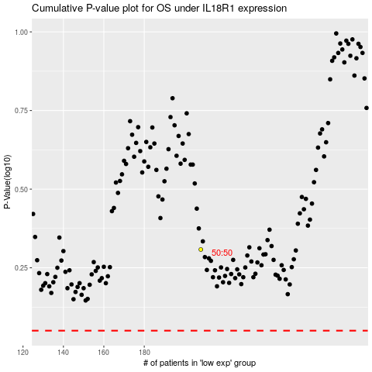

 |  |  |  |  |  | cases_OS | p_OS | rank | exp
 |  |  |  |  |  |  | cases_RFS | p_RFS | rank | exp

