IL18RAP _multivariate
Reported by Tex Li-Hsing Chi. tex@gate.sinica.edu.tw 2019-08-18

Table 2. The clinicopathological features of HNSCC cohort and IL18RAP expression. (Chi square test)
Cutoff at -0.319 (50.0%)
 |  | IL18RAP expression |  | IL18RAP expression |  | (Optimised)
 | Features | Low | (%) | High | (%) | Case no | P-value | Remark | Matthews
Gender | Female | 156 | 37.6 | 150 | 36.1 | 415 | 0.5222 | 0 | 0
2 | Male | 51 | 12.3 | 58 | 14
Age at diagnosis | <=65y | 148 | 35.7 | 126 | 30.4 | 415 | 0.0248 | 1 | 0
4 | >65y | 59 | 14.2 | 82 | 19.8
Clinical T Status | T1+T2 | 70 | 16.9 | 79 | 19 | 415 | 0.4343 | 0 | 0
6 | T3+T4 | 137 | 33 | 129 | 31.1
Clinical N Status | N0 | 116 | 28 | 100 | 24.1 | 415 | 0.1273 | 1 | 0
8 | N1-3 | 91 | 21.9 | 108 | 26
Clinical M Status | M0 | 207 | 49.9 | 205 | 49.4 | 415 | 0.2482 | 0 | 0
10 | M1 | 0 | 0 | 3 | 0.7
Clinical Stage | Stage I+II | 52 | 12.5 | 50 | 12 | 415 | 0.8871 | 0 | 0
12 | Stage III+IV | 155 | 37.3 | 158 | 38.1
Surgical Margin status | Negative | 160 | 38.6 | 158 | 38.1 | 415 | 0.8167 | 0 | 0
14 | Positive | 47 | 11.3 | 50 | 12
Tobacco Exposure | Low | 73 | 17.6 | 88 | 21.2 | 415 | 0.1587 | 0 | 0
16 | High | 134 | 32.3 | 120 | 28.9

Table 3. Univariate/Multivariate Cox's proportional hazards regression analyses on OS time of IL18RAP gene expression in HNSCC

 |  | Univariate |  |  |  | Multivariate
 | Features | HR | CI95%(L) | CI95%(H) | P-value | HR | CI95%(L) | CI95%(H) | P-value
1 | Female | 1 |  |  |  | 1
Gender | Male | 1.157 | 0.843 | 1.587 | 0.367 | 1.194 | 0.855 | 1.667 | 0.298
11 | <=65y | 1 |  |  |  | 1
Age at diagnosis | >65y | 1.329 | 0.99 | 1.784 | 0.058 | 1.43 | 1.048 | 1.952 | 0.024
12 | T1+T2 | 1 |  |  |  | 1
Clinical T Status | T3+T4 | 1.409 | 1.028 | 1.931 | 0.033 | 2.181 | 1.154 | 4.121 | 0.016
13 | N0 | 1 |  |  |  | 1
Clinical N Status | N1-3 | 1.185 | 0.89 | 1.577 | 0.246 | 1.262 | 0.883 | 1.802 | 0.202
14 | M0 | 1 |  |  |  | 1
Clinical M Status | M1 | 4.097 | 1.009 | 16.644 | 0.049 | 10.067 | 2.183 | 46.418 | 0.003
15 | Stage I+II | 1 |  |  |  | 1
Clinical Stage | Stage III+IV | 1.245 | 0.882 | 1.759 | 0.213 | 0.503 | 0.234 | 1.078 | 0.077
16 | Negative | 1 |  |  |  | 1
Surgical Margin status | Positive | 1.591 | 1.155 | 2.191 | 0.004 | 1.668 | 1.208 | 2.305 | 0.002
17 | Low | 1 |  |  |  | 1
Tobacco Exposure | High | 1.364 | 1.008 | 1.844 | 0.044 | 1.437 | 1.042 | 1.981 | 0.027
18 | Low | 1 |  |  |  | 1
RNAseq(z-score) | High | 0.895 | 0.67 | 1.196 | 0.454 | 0.858 | 0.637 | 1.156 | 0.314

Table 4. Univariate/Multivariate Cox's proportional hazards regression analyses on RFS time of IL18RAP gene expression in HNSCC

 |  | Univariate |  |  |  | Multivariate
 | Features | HR | CI95%(L) | CI95%(H) | P-value | HR | CI95%(L) | CI95%(H) | P-value
1 | Female | 1 |  |  |  | 1
Gender | Male | 1.157 | 0.843 | 1.587 | 0.367 | 1.194 | 0.855 | 1.667 | 0.298
11 | <=65y | 1 |  |  |  | 1
Age at diagnosis | >65y | 1.329 | 0.99 | 1.784 | 0.058 | 1.43 | 1.048 | 1.952 | 0.024
12 | T1+T2 | 1 |  |  |  | 1
Clinical T Status | T3+T4 | 1.409 | 1.028 | 1.931 | 0.033 | 2.181 | 1.154 | 4.121 | 0.016
13 | N0 | 1 |  |  |  | 1
Clinical N Status | N1-3 | 1.185 | 0.89 | 1.577 | 0.246 | 1.262 | 0.883 | 1.802 | 0.202
14 | M0 | 1 |  |  |  | 1
Clinical M Status | M1 | 4.097 | 1.009 | 16.644 | 0.049 | 10.067 | 2.183 | 46.418 | 0.003
15 | Stage I+II | 1 |  |  |  | 1
Clinical Stage | Stage III+IV | 1.245 | 0.882 | 1.759 | 0.213 | 0.503 | 0.234 | 1.078 | 0.077
16 | Negative | 1 |  |  |  | 1
Surgical Margin status | Positive | 1.591 | 1.155 | 2.191 | 0.004 | 1.668 | 1.208 | 2.305 | 0.002
17 | Low | 1 |  |  |  | 1
Tobacco Exposure | High | 1.364 | 1.008 | 1.844 | 0.044 | 1.437 | 1.042 | 1.981 | 0.027
18 | Low | 1 |  |  |  | 1
RNAseq(z-score) | High | 0.895 | 0.67 | 1.196 | 0.454 | 0.858 | 0.637 | 1.156 | 0.314

Kaplan-Meier survival estimate: Cutoff at -0.319 (50.0%)



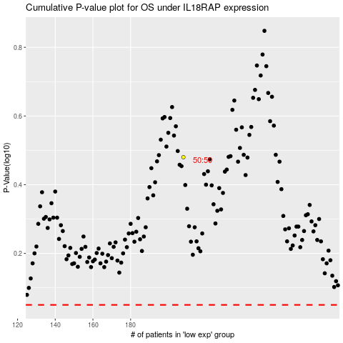

 |  |  |  |  |  | cases_OS | p_OS | rank | exp
 |  |  |  |  |  |  | cases_RFS | p_RFS | rank | exp

