IL1F5 _multivariate
Reported by Tex Li-Hsing Chi. tex@gate.sinica.edu.tw 2019-08-18

Table 2. The clinicopathological features of HNSCC cohort and IL1F5 expression. (Chi square test)
Cutoff at 0.059 (69.8%)
 |  | IL1F5 expression |  | IL1F5 expression |  | (Optimised)
 | Features | Low | (%) | High | (%) | Case no | P-value | Remark | Matthews
Gender | Female | 219 | 52.8 | 87 | 21 | 415 | 0.1897 | 0 | 0
2 | Male | 70 | 16.9 | 39 | 9.4
Age at diagnosis | <=65y | 190 | 45.8 | 84 | 20.2 | 415 | 0.9444 | 0 | 0
4 | >65y | 99 | 23.9 | 42 | 10.1
Clinical T Status | T1+T2 | 113 | 27.2 | 36 | 8.7 | 415 | 0.0518 | 0 | 0
6 | T3+T4 | 176 | 42.4 | 90 | 21.7
Clinical N Status | N0 | 141 | 34 | 75 | 18.1 | 415 | 0.0567 | 0 | 0
8 | N1-3 | 148 | 35.7 | 51 | 12.3
Clinical M Status | M0 | 287 | 69.2 | 125 | 30.1 | 415 | 1 | 0 | 0
10 | M1 | 2 | 0.5 | 1 | 0.2
Clinical Stage | Stage I+II | 74 | 17.8 | 28 | 6.7 | 415 | 0.5405 | 0 | 0
12 | Stage III+IV | 215 | 51.8 | 98 | 23.6
Surgical Margin status | Negative | 215 | 51.8 | 103 | 24.8 | 415 | 0.1298 | 0 | 0
14 | Positive | 74 | 17.8 | 23 | 5.5
Tobacco Exposure | Low | 109 | 26.3 | 52 | 12.5 | 415 | 0.5123 | 0 | 0
16 | High | 180 | 43.4 | 74 | 17.8

Table 3. Univariate/Multivariate Cox's proportional hazards regression analyses on OS time of IL1F5 gene expression in HNSCC

 |  | Univariate |  |  |  | Multivariate
 | Features | HR | CI95%(L) | CI95%(H) | P-value | HR | CI95%(L) | CI95%(H) | P-value
1 | Female | 1 |  |  |  | 1
Gender | Male | 1.157 | 0.843 | 1.587 | 0.367 | 1.309 | 0.935 | 1.834 | 0.117
11 | <=65y | 1 |  |  |  | 1
Age at diagnosis | >65y | 1.329 | 0.99 | 1.784 | 0.058 | 1.388 | 1.022 | 1.885 | 0.036
12 | T1+T2 | 1 |  |  |  | 1
Clinical T Status | T3+T4 | 1.409 | 1.028 | 1.931 | 0.033 | 2.294 | 1.214 | 4.333 | 0.011
13 | N0 | 1 |  |  |  | 1
Clinical N Status | N1-3 | 1.185 | 0.89 | 1.577 | 0.246 | 1.147 | 0.801 | 1.644 | 0.454
14 | M0 | 1 |  |  |  | 1
Clinical M Status | M1 | 4.097 | 1.009 | 16.644 | 0.049 | 10.813 | 2.352 | 49.714 | 0.002
15 | Stage I+II | 1 |  |  |  | 1
Clinical Stage | Stage III+IV | 1.245 | 0.882 | 1.759 | 0.213 | 0.515 | 0.24 | 1.106 | 0.089
16 | Negative | 1 |  |  |  | 1
Surgical Margin status | Positive | 1.591 | 1.155 | 2.191 | 0.004 | 1.606 | 1.162 | 2.22 | 0.004
17 | Low | 1 |  |  |  | 1
Tobacco Exposure | High | 1.364 | 1.008 | 1.844 | 0.044 | 1.425 | 1.036 | 1.96 | 0.03
18 | Low | 1 |  |  |  | 1
RNAseq(z-score) | High | 0.618 | 0.441 | 0.866 | 0.005 | 0.598 | 0.421 | 0.848 | 0.004

Table 4. Univariate/Multivariate Cox's proportional hazards regression analyses on RFS time of IL1F5 gene expression in HNSCC

 |  | Univariate |  |  |  | Multivariate
 | Features | HR | CI95%(L) | CI95%(H) | P-value | HR | CI95%(L) | CI95%(H) | P-value
1 | Female | 1 |  |  |  | 1
Gender | Male | 1.157 | 0.843 | 1.587 | 0.367 | 1.309 | 0.935 | 1.834 | 0.117
11 | <=65y | 1 |  |  |  | 1
Age at diagnosis | >65y | 1.329 | 0.99 | 1.784 | 0.058 | 1.388 | 1.022 | 1.885 | 0.036
12 | T1+T2 | 1 |  |  |  | 1
Clinical T Status | T3+T4 | 1.409 | 1.028 | 1.931 | 0.033 | 2.294 | 1.214 | 4.333 | 0.011
13 | N0 | 1 |  |  |  | 1
Clinical N Status | N1-3 | 1.185 | 0.89 | 1.577 | 0.246 | 1.147 | 0.801 | 1.644 | 0.454
14 | M0 | 1 |  |  |  | 1
Clinical M Status | M1 | 4.097 | 1.009 | 16.644 | 0.049 | 10.813 | 2.352 | 49.714 | 0.002
15 | Stage I+II | 1 |  |  |  | 1
Clinical Stage | Stage III+IV | 1.245 | 0.882 | 1.759 | 0.213 | 0.515 | 0.24 | 1.106 | 0.089
16 | Negative | 1 |  |  |  | 1
Surgical Margin status | Positive | 1.591 | 1.155 | 2.191 | 0.004 | 1.606 | 1.162 | 2.22 | 0.004
17 | Low | 1 |  |  |  | 1
Tobacco Exposure | High | 1.364 | 1.008 | 1.844 | 0.044 | 1.425 | 1.036 | 1.96 | 0.03
18 | Low | 1 |  |  |  | 1
RNAseq(z-score) | High | 0.618 | 0.441 | 0.866 | 0.005 | 0.598 | 0.421 | 0.848 | 0.004

Kaplan-Meier survival estimate: Cutoff at 0.059 (69.8%)

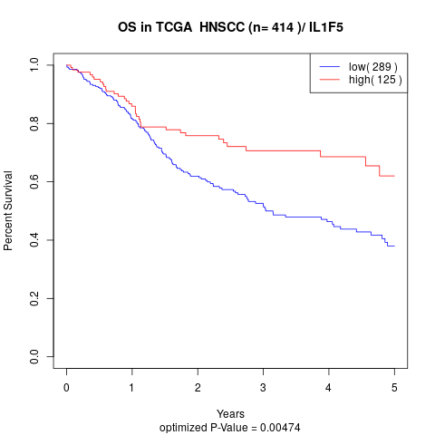

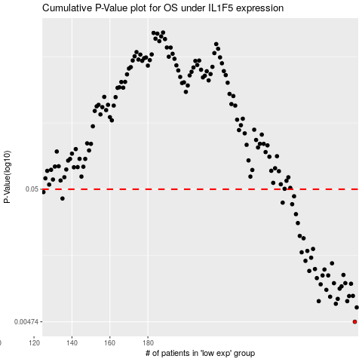

 |  |  |  |  |  | cases_OS | p_OS | rank | exp
 |  |  |  |  |  | 289 | 0.00474 | 233 | 0.058933022329
 |  |  |  |  |  | 290 | 0.00612 | 300 | 0.059917195175
 |  |  |  |  |  | 279 | 0.00653 | 146 | -0.025174357431
 |  |  |  |  |  | 270 | 0.00684 | 109 | -0.08874830343
 |  |  |  |  |  | 285 | 0.00684 | 380 | 0.02669370557
 |  |  |  |  |  | 280 | 0.00712 | 311 | -0.021229820743
 |  |  |  |  |  | 276 | 0.0074 | 219 | -0.060736436063
 |  |  |  |  |  | 286 | 0.00749 | 392 | 0.041283495097
 |  |  |  |  |  | 288 | 0.00751 | 108 | 0.04900262128
 |  |  |  |  |  | 274 | 0.00836 | 129 | -0.066377175829
 |  |  |  |  |  | 281 | 0.00854 | 20 | -0.020932249707
 |  |  |  |  |  | 282 | 0.0089 | 17 | -0.018959568452
 |  |  |  |  |  | 271 | 0.00922 | 53 | -0.07957394202
 |  |  |  |  |  | 287 | 0.00932 | 153 | 0.045908130251
 |  |  |  |  |  | 278 | 0.00941 | 221 | -0.028542780353
 |  |  |  |  |  | 284 | 0.00942 | 86 | 0.01194542712
 |  |  |  |  |  | 269 | 0.0103 | 289 | -0.10347184164
 |  |  |  |  |  | 275 | 0.0108 | 308 | -0.064010612099
 |  |  |  |  |  | 272 | 0.0108 | 348 | -0.067670343576
 |  |  |  |  |  | 283 | 0.0109 | 256 | 0.0094066451847
 |  |  |  |  |  | 265 | 0.0117 | 30 | -0.12105368592
 |  |  |  |  |  | 273 | 0.012 | 207 | -0.066824254977
 |  |  |  |  |  | 268 | 0.0121 | 401 | -0.11236229248
 |  |  |  |  |  | 277 | 0.0134 | 69 | -0.05461985103
 |  |  |  |  |  | 263 | 0.014 | 47 | -0.14635248859
 |  |  |  |  |  | 266 | 0.0148 | 378 | -0.11877352376
 |  |  |  |  |  | 261 | 0.0163 | 149 | -0.15392726804
 |  |  |  |  |  | 264 | 0.0167 | 80 | -0.14332468265
 |  |  |  |  |  | 267 | 0.0173 | 296 | -0.11512669575
 |  |  |  |  |  | 262 | 0.0209 | 241 | -0.15233253779
 |  |  |  |  |  | 260 | 0.0218 | 258 | -0.15437042454
 |  |  |  |  |  | 259 | 0.0274 | 248 | -0.15805771781
 |  |  |  |  |  | 258 | 0.0321 | 142 | -0.16641327714
 |  |  |  |  |  | 256 | 0.0383 | 96 | -0.17994102573
 |  |  |  |  |  | 251 | 0.0394 | 406 | -0.2109011793
 |  |  |  |  |  | 135 | 0.0424 | 403 | -0.57789930927
 |  |  |  |  |  | 257 | 0.0441 | 148 | -0.17616788143
 |  |  |  |  |  | 125 | 0.0475 | 14 | -0.59118216736
 |  |  |  |  |  |  | cases_RFS | p_RFS | rank | exp
 |  |  |  |  |  |  | 288 | 0.00474 | 108 | 0.04900262128
 |  |  |  |  |  |  | 289 | 0.00612 | 233 | 0.058933022329
 |  |  |  |  |  |  | 278 | 0.00653 | 221 | -0.028542780353
 |  |  |  |  |  |  | 284 | 0.00684 | 86 | 0.01194542712
 |  |  |  |  |  |  | 269 | 0.00684 | 289 | -0.10347184164
 |  |  |  |  |  |  | 279 | 0.00712 | 146 | -0.025174357431
 |  |  |  |  |  |  | 275 | 0.0074 | 308 | -0.064010612099
 |  |  |  |  |  |  | 285 | 0.00749 | 380 | 0.02669370557
 |  |  |  |  |  |  | 287 | 0.00751 | 153 | 0.045908130251
 |  |  |  |  |  |  | 273 | 0.00836 | 207 | -0.066824254977
 |  |  |  |  |  |  | 280 | 0.00854 | 311 | -0.021229820743
 |  |  |  |  |  |  | 281 | 0.0089 | 20 | -0.020932249707
 |  |  |  |  |  |  | 270 | 0.00922 | 109 | -0.08874830343
 |  |  |  |  |  |  | 286 | 0.00932 | 392 | 0.041283495097
 |  |  |  |  |  |  | 277 | 0.00941 | 69 | -0.05461985103
 |  |  |  |  |  |  | 283 | 0.00942 | 256 | 0.0094066451847
 |  |  |  |  |  |  | 268 | 0.0103 | 401 | -0.11236229248
 |  |  |  |  |  |  | 271 | 0.0108 | 53 | -0.07957394202
 |  |  |  |  |  |  | 274 | 0.0108 | 129 | -0.066377175829
 |  |  |  |  |  |  | 282 | 0.0109 | 17 | -0.018959568452
 |  |  |  |  |  |  | 264 | 0.0117 | 80 | -0.14332468265
 |  |  |  |  |  |  | 272 | 0.012 | 348 | -0.067670343576
 |  |  |  |  |  |  | 267 | 0.0121 | 296 | -0.11512669575
 |  |  |  |  |  |  | 276 | 0.0134 | 219 | -0.060736436063
 |  |  |  |  |  |  | 262 | 0.014 | 241 | -0.15233253779
 |  |  |  |  |  |  | 265 | 0.0148 | 30 | -0.12105368592
 |  |  |  |  |  |  | 260 | 0.0163 | 258 | -0.15437042454
 |  |  |  |  |  |  | 263 | 0.0167 | 47 | -0.14635248859
 |  |  |  |  |  |  | 266 | 0.0173 | 378 | -0.11877352376
 |  |  |  |  |  |  | 261 | 0.0209 | 149 | -0.15392726804
 |  |  |  |  |  |  | 259 | 0.0218 | 248 | -0.15805771781
 |  |  |  |  |  |  | 258 | 0.0274 | 142 | -0.16641327714
 |  |  |  |  |  |  | 257 | 0.0321 | 148 | -0.17616788143
 |  |  |  |  |  |  | 255 | 0.0383 | 67 | -0.19192025567
 |  |  |  |  |  |  | 250 | 0.0394 | 21 | -0.21095774808
 |  |  |  |  |  |  | 134 | 0.0424 | 199 | -0.57802249432
 |  |  |  |  |  |  | 256 | 0.0441 | 96 | -0.17994102573
 |  |  |  |  |  |  |  | 0.0475 | 261 | -0.59335462861

