IL1F9 _multivariate
Reported by Tex Li-Hsing Chi. tex@gate.sinica.edu.tw 2019-08-18

Table 2. The clinicopathological features of HNSCC cohort and IL1F9 expression. (Chi square test)
Cutoff at -0.405 (46.6%)
 |  | IL1F9 expression |  | IL1F9 expression |  | (Optimised)
 | Features | Low | (%) | High | (%) | Case no | P-value | Remark | Matthews
Gender | Female | 148 | 35.7 | 158 | 38.1 | 415 | 0.2456 | 0 | 0
2 | Male | 45 | 10.8 | 64 | 15.4
Age at diagnosis | <=65y | 126 | 30.4 | 148 | 35.7 | 415 | 0.8473 | 0 | 0
4 | >65y | 67 | 16.1 | 74 | 17.8
Clinical T Status | T1+T2 | 78 | 18.8 | 71 | 17.1 | 415 | 0.0923 | 0 | 0
6 | T3+T4 | 115 | 27.7 | 151 | 36.4
Clinical N Status | N0 | 97 | 23.4 | 119 | 28.7 | 415 | 0.5607 | 0 | 0
8 | N1-3 | 96 | 23.1 | 103 | 24.8
Clinical M Status | M0 | 192 | 46.3 | 220 | 53 | 415 | 1 | 0 | 0
10 | M1 | 1 | 0.2 | 2 | 0.5
Clinical Stage | Stage I+II | 50 | 12 | 52 | 12.5 | 415 | 0.6371 | 0 | 0
12 | Stage III+IV | 143 | 34.5 | 170 | 41
Surgical Margin status | Negative | 140 | 33.7 | 178 | 42.9 | 415 | 0.0809 | 0 | 0
14 | Positive | 53 | 12.8 | 44 | 10.6
Tobacco Exposure | Low | 73 | 17.6 | 88 | 21.2 | 415 | 0.7621 | 0 | 0
16 | High | 120 | 28.9 | 134 | 32.3

Table 3. Univariate/Multivariate Cox's proportional hazards regression analyses on OS time of IL1F9 gene expression in HNSCC

 |  | Univariate |  |  |  | Multivariate
 | Features | HR | CI95%(L) | CI95%(H) | P-value | HR | CI95%(L) | CI95%(H) | P-value
1 | Female | 1 |  |  |  | 1
Gender | Male | 1.157 | 0.843 | 1.587 | 0.367 | 1.245 | 0.891 | 1.74 | 0.2
11 | <=65y | 1 |  |  |  | 1
Age at diagnosis | >65y | 1.329 | 0.99 | 1.784 | 0.058 | 1.408 | 1.035 | 1.916 | 0.03
12 | T1+T2 | 1 |  |  |  | 1
Clinical T Status | T3+T4 | 1.409 | 1.028 | 1.931 | 0.033 | 2.332 | 1.233 | 4.411 | 0.009
13 | N0 | 1 |  |  |  | 1
Clinical N Status | N1-3 | 1.185 | 0.89 | 1.577 | 0.246 | 1.235 | 0.865 | 1.763 | 0.245
14 | M0 | 1 |  |  |  | 1
Clinical M Status | M1 | 4.097 | 1.009 | 16.644 | 0.049 | 10.894 | 2.363 | 50.225 | 0.002
15 | Stage I+II | 1 |  |  |  | 1
Clinical Stage | Stage III+IV | 1.245 | 0.882 | 1.759 | 0.213 | 0.491 | 0.229 | 1.055 | 0.068
16 | Negative | 1 |  |  |  | 1
Surgical Margin status | Positive | 1.591 | 1.155 | 2.191 | 0.004 | 1.575 | 1.137 | 2.183 | 0.006
17 | Low | 1 |  |  |  | 1
Tobacco Exposure | High | 1.364 | 1.008 | 1.844 | 0.044 | 1.45 | 1.053 | 1.997 | 0.023
18 | Low | 1 |  |  |  | 1
RNAseq(z-score) | High | 0.727 | 0.545 | 0.969 | 0.03 | 0.711 | 0.529 | 0.955 | 0.023

Table 4. Univariate/Multivariate Cox's proportional hazards regression analyses on RFS time of IL1F9 gene expression in HNSCC

 |  | Univariate |  |  |  | Multivariate
 | Features | HR | CI95%(L) | CI95%(H) | P-value | HR | CI95%(L) | CI95%(H) | P-value
1 | Female | 1 |  |  |  | 1
Gender | Male | 1.157 | 0.843 | 1.587 | 0.367 | 1.245 | 0.891 | 1.74 | 0.2
11 | <=65y | 1 |  |  |  | 1
Age at diagnosis | >65y | 1.329 | 0.99 | 1.784 | 0.058 | 1.408 | 1.035 | 1.916 | 0.03
12 | T1+T2 | 1 |  |  |  | 1
Clinical T Status | T3+T4 | 1.409 | 1.028 | 1.931 | 0.033 | 2.332 | 1.233 | 4.411 | 0.009
13 | N0 | 1 |  |  |  | 1
Clinical N Status | N1-3 | 1.185 | 0.89 | 1.577 | 0.246 | 1.235 | 0.865 | 1.763 | 0.245
14 | M0 | 1 |  |  |  | 1
Clinical M Status | M1 | 4.097 | 1.009 | 16.644 | 0.049 | 10.894 | 2.363 | 50.225 | 0.002
15 | Stage I+II | 1 |  |  |  | 1
Clinical Stage | Stage III+IV | 1.245 | 0.882 | 1.759 | 0.213 | 0.491 | 0.229 | 1.055 | 0.068
16 | Negative | 1 |  |  |  | 1
Surgical Margin status | Positive | 1.591 | 1.155 | 2.191 | 0.004 | 1.575 | 1.137 | 2.183 | 0.006
17 | Low | 1 |  |  |  | 1
Tobacco Exposure | High | 1.364 | 1.008 | 1.844 | 0.044 | 1.45 | 1.053 | 1.997 | 0.023
18 | Low | 1 |  |  |  | 1
RNAseq(z-score) | High | 0.727 | 0.545 | 0.969 | 0.03 | 0.711 | 0.529 | 0.955 | 0.023

Kaplan-Meier survival estimate: Cutoff at -0.405 (46.6%)

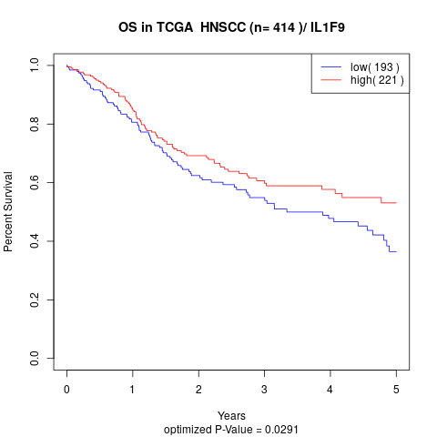

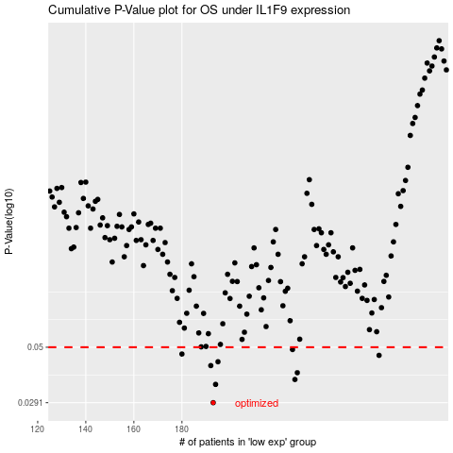

 |  |  |  |  |  | cases_OS | p_OS | rank | exp
 |  |  |  |  |  | 193 | 0.0291 | 134 | -0.40543628372
 |  |  |  |  |  | 194 | 0.0348 | 128 | -0.40339356313
 |  |  |  |  |  | 227 | 0.0365 | 144 | -0.26540532267
 |  |  |  |  |  | 228 | 0.039 | 403 | -0.25897214463
 |  |  |  |  |  | 192 | 0.0418 | 250 | -0.41195843306
 |  |  |  |  |  | 195 | 0.0434 | 93 | -0.39360948361
 |  |  |  |  |  | 262 | 0.0462 | 219 | -0.058901544689
 |  |  |  |  |  | 180 | 0.0468 | 41 | -0.44187760043
 |  |  |  |  |  | 226 | 0.0489 | 204 | -0.26780833756
 |  |  |  |  |  |  | cases_RFS | p_RFS | rank | exp
 |  |  |  |  |  |  | 192 | 0.0291 | 250 | -0.41195843306
 |  |  |  |  |  |  | 193 | 0.0348 | 134 | -0.40543628372
 |  |  |  |  |  |  | 226 | 0.0365 | 204 | -0.26780833756
 |  |  |  |  |  |  | 227 | 0.039 | 144 | -0.26540532267
 |  |  |  |  |  |  | 191 | 0.0418 | 261 | -0.41276391291
 |  |  |  |  |  |  | 194 | 0.0434 | 128 | -0.40339356313
 |  |  |  |  |  |  | 261 | 0.0462 | 236 | -0.064037860688
 |  |  |  |  |  |  | 179 | 0.0468 | 191 | -0.4424475564
 |  |  |  |  |  |  | 225 | 0.0489 | 80 | -0.26970851981

