IL1R2 _multivariate
Reported by Tex Li-Hsing Chi. tex@gate.sinica.edu.tw 2019-08-18

Table 2. The clinicopathological features of HNSCC cohort and IL1R2 expression. (Chi square test)
Cutoff at -0.246 (50.0%)
 |  | IL1R2 expression |  | IL1R2 expression |  | (Optimised)
 | Features | Low | (%) | High | (%) | Case no | P-value | Remark | Matthews
Gender | Female | 156 | 37.6 | 150 | 36.1 | 415 | 0.5222 | 0 | 0
2 | Male | 51 | 12.3 | 58 | 14
Age at diagnosis | <=65y | 130 | 31.3 | 144 | 34.7 | 415 | 0.2009 | 0 | 0
4 | >65y | 77 | 18.6 | 64 | 15.4
Clinical T Status | T1+T2 | 78 | 18.8 | 71 | 17.1 | 415 | 0.5152 | 0 | 0
6 | T3+T4 | 129 | 31.1 | 137 | 33
Clinical N Status | N0 | 113 | 27.2 | 103 | 24.8 | 415 | 0.3495 | 1 | 0
8 | N1-3 | 94 | 22.7 | 105 | 25.3
Clinical M Status | M0 | 204 | 49.2 | 208 | 50.1 | 415 | 0.1232 | 0 | 0
10 | M1 | 3 | 0.7 | 0 | 0
Clinical Stage | Stage I+II | 53 | 12.8 | 49 | 11.8 | 415 | 0.7113 | 0 | 0
12 | Stage III+IV | 154 | 37.1 | 159 | 38.3
Surgical Margin status | Negative | 158 | 38.1 | 160 | 38.6 | 415 | 0.9081 | 0 | 0
14 | Positive | 49 | 11.8 | 48 | 11.6
Tobacco Exposure | Low | 85 | 20.5 | 76 | 18.3 | 415 | 0.3655 | 0 | 0
16 | High | 122 | 29.4 | 132 | 31.8

Table 3. Univariate/Multivariate Cox's proportional hazards regression analyses on OS time of IL1R2 gene expression in HNSCC

 |  | Univariate |  |  |  | Multivariate
 | Features | HR | CI95%(L) | CI95%(H) | P-value | HR | CI95%(L) | CI95%(H) | P-value
1 | Female | 1 |  |  |  | 1
Gender | Male | 1.157 | 0.843 | 1.587 | 0.367 | 1.206 | 0.864 | 1.683 | 0.27
11 | <=65y | 1 |  |  |  | 1
Age at diagnosis | >65y | 1.329 | 0.99 | 1.784 | 0.058 | 1.367 | 1.006 | 1.858 | 0.046
12 | T1+T2 | 1 |  |  |  | 1
Clinical T Status | T3+T4 | 1.409 | 1.028 | 1.931 | 0.033 | 2.229 | 1.178 | 4.215 | 0.014
13 | N0 | 1 |  |  |  | 1
Clinical N Status | N1-3 | 1.185 | 0.89 | 1.577 | 0.246 | 1.258 | 0.881 | 1.796 | 0.207
14 | M0 | 1 |  |  |  | 1
Clinical M Status | M1 | 4.097 | 1.009 | 16.644 | 0.049 | 8.359 | 1.814 | 38.524 | 0.006
15 | Stage I+II | 1 |  |  |  | 1
Clinical Stage | Stage III+IV | 1.245 | 0.882 | 1.759 | 0.213 | 0.497 | 0.231 | 1.066 | 0.073
16 | Negative | 1 |  |  |  | 1
Surgical Margin status | Positive | 1.591 | 1.155 | 2.191 | 0.004 | 1.685 | 1.219 | 2.329 | 0.002
17 | Low | 1 |  |  |  | 1
Tobacco Exposure | High | 1.364 | 1.008 | 1.844 | 0.044 | 1.461 | 1.062 | 2.01 | 0.02
18 | Low | 1 |  |  |  | 1
RNAseq(z-score) | High | 0.779 | 0.584 | 1.039 | 0.09 | 0.775 | 0.579 | 1.038 | 0.087

Table 4. Univariate/Multivariate Cox's proportional hazards regression analyses on RFS time of IL1R2 gene expression in HNSCC

 |  | Univariate |  |  |  | Multivariate
 | Features | HR | CI95%(L) | CI95%(H) | P-value | HR | CI95%(L) | CI95%(H) | P-value
1 | Female | 1 |  |  |  | 1
Gender | Male | 1.157 | 0.843 | 1.587 | 0.367 | 1.206 | 0.864 | 1.683 | 0.27
11 | <=65y | 1 |  |  |  | 1
Age at diagnosis | >65y | 1.329 | 0.99 | 1.784 | 0.058 | 1.367 | 1.006 | 1.858 | 0.046
12 | T1+T2 | 1 |  |  |  | 1
Clinical T Status | T3+T4 | 1.409 | 1.028 | 1.931 | 0.033 | 2.229 | 1.178 | 4.215 | 0.014
13 | N0 | 1 |  |  |  | 1
Clinical N Status | N1-3 | 1.185 | 0.89 | 1.577 | 0.246 | 1.258 | 0.881 | 1.796 | 0.207
14 | M0 | 1 |  |  |  | 1
Clinical M Status | M1 | 4.097 | 1.009 | 16.644 | 0.049 | 8.359 | 1.814 | 38.524 | 0.006
15 | Stage I+II | 1 |  |  |  | 1
Clinical Stage | Stage III+IV | 1.245 | 0.882 | 1.759 | 0.213 | 0.497 | 0.231 | 1.066 | 0.073
16 | Negative | 1 |  |  |  | 1
Surgical Margin status | Positive | 1.591 | 1.155 | 2.191 | 0.004 | 1.685 | 1.219 | 2.329 | 0.002
17 | Low | 1 |  |  |  | 1
Tobacco Exposure | High | 1.364 | 1.008 | 1.844 | 0.044 | 1.461 | 1.062 | 2.01 | 0.02
18 | Low | 1 |  |  |  | 1
RNAseq(z-score) | High | 0.779 | 0.584 | 1.039 | 0.09 | 0.775 | 0.579 | 1.038 | 0.087

Kaplan-Meier survival estimate: Cutoff at -0.246 (50.0%)



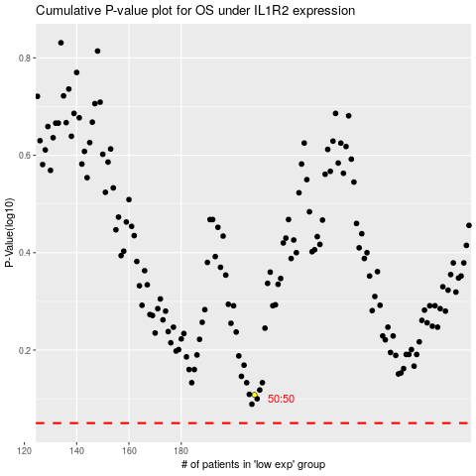

 |  |  |  |  |  | cases_OS | p_OS | rank | exp
 |  |  |  |  |  |  | cases_RFS | p_RFS | rank | exp

