IL1RL1 _multivariate
Reported by Tex Li-Hsing Chi. tex@gate.sinica.edu.tw 2019-08-18

Table 2. The clinicopathological features of HNSCC cohort and IL1RL1 expression. (Chi square test)
Cutoff at -0.291 (50.0%)
 |  | IL1RL1 expression |  | IL1RL1 expression |  | (Optimised)
 | Features | Low | (%) | High | (%) | Case no | P-value | Remark | Matthews
Gender | Female | 165 | 39.8 | 141 | 34 | 415 | 0.0081 | 1 | 0
2 | Male | 42 | 10.1 | 67 | 16.1
Age at diagnosis | <=65y | 141 | 34 | 133 | 32 | 415 | 0.4272 | 0 | 0
4 | >65y | 66 | 15.9 | 75 | 18.1
Clinical T Status | T1+T2 | 87 | 21 | 62 | 14.9 | 415 | 0.0127 | 1 | 0
6 | T3+T4 | 120 | 28.9 | 146 | 35.2
Clinical N Status | N0 | 110 | 26.5 | 106 | 25.5 | 415 | 0.7294 | 0 | 0
8 | N1-3 | 97 | 23.4 | 102 | 24.6
Clinical M Status | M0 | 205 | 49.4 | 207 | 49.9 | 415 | 0.6232 | 0 | 0
10 | M1 | 2 | 0.5 | 1 | 0.2
Clinical Stage | Stage I+II | 56 | 13.5 | 46 | 11.1 | 415 | 0.2918 | 0 | 0
12 | Stage III+IV | 151 | 36.4 | 162 | 39
Surgical Margin status | Negative | 154 | 37.1 | 164 | 39.5 | 415 | 0.2984 | 0 | 0
14 | Positive | 53 | 12.8 | 44 | 10.6
Tobacco Exposure | Low | 87 | 21 | 74 | 17.8 | 415 | 0.1911 | 0 | 0
16 | High | 120 | 28.9 | 134 | 32.3

Table 3. Univariate/Multivariate Cox's proportional hazards regression analyses on OS time of IL1RL1 gene expression in HNSCC

 |  | Univariate |  |  |  | Multivariate
 | Features | HR | CI95%(L) | CI95%(H) | P-value | HR | CI95%(L) | CI95%(H) | P-value
1 | Female | 1 |  |  |  | 1
Gender | Male | 1.157 | 0.843 | 1.587 | 0.367 | 1.194 | 0.849 | 1.681 | 0.308
11 | <=65y | 1 |  |  |  | 1
Age at diagnosis | >65y | 1.329 | 0.99 | 1.784 | 0.058 | 1.387 | 1.019 | 1.89 | 0.038
12 | T1+T2 | 1 |  |  |  | 1
Clinical T Status | T3+T4 | 1.409 | 1.028 | 1.931 | 0.033 | 2.194 | 1.159 | 4.155 | 0.016
13 | N0 | 1 |  |  |  | 1
Clinical N Status | N1-3 | 1.185 | 0.89 | 1.577 | 0.246 | 1.244 | 0.871 | 1.776 | 0.23
14 | M0 | 1 |  |  |  | 1
Clinical M Status | M1 | 4.097 | 1.009 | 16.644 | 0.049 | 9.381 | 2.046 | 43.011 | 0.004
15 | Stage I+II | 1 |  |  |  | 1
Clinical Stage | Stage III+IV | 1.245 | 0.882 | 1.759 | 0.213 | 0.505 | 0.235 | 1.084 | 0.08
16 | Negative | 1 |  |  |  | 1
Surgical Margin status | Positive | 1.591 | 1.155 | 2.191 | 0.004 | 1.673 | 1.211 | 2.312 | 0.002
17 | Low | 1 |  |  |  | 1
Tobacco Exposure | High | 1.364 | 1.008 | 1.844 | 0.044 | 1.449 | 1.051 | 2 | 0.024
18 | Low | 1 |  |  |  | 1
RNAseq(z-score) | High | 1.122 | 0.843 | 1.495 | 0.429 | 1.026 | 0.762 | 1.383 | 0.864

Table 4. Univariate/Multivariate Cox's proportional hazards regression analyses on RFS time of IL1RL1 gene expression in HNSCC

 |  | Univariate |  |  |  | Multivariate
 | Features | HR | CI95%(L) | CI95%(H) | P-value | HR | CI95%(L) | CI95%(H) | P-value
1 | Female | 1 |  |  |  | 1
Gender | Male | 1.157 | 0.843 | 1.587 | 0.367 | 1.194 | 0.849 | 1.681 | 0.308
11 | <=65y | 1 |  |  |  | 1
Age at diagnosis | >65y | 1.329 | 0.99 | 1.784 | 0.058 | 1.387 | 1.019 | 1.89 | 0.038
12 | T1+T2 | 1 |  |  |  | 1
Clinical T Status | T3+T4 | 1.409 | 1.028 | 1.931 | 0.033 | 2.194 | 1.159 | 4.155 | 0.016
13 | N0 | 1 |  |  |  | 1
Clinical N Status | N1-3 | 1.185 | 0.89 | 1.577 | 0.246 | 1.244 | 0.871 | 1.776 | 0.23
14 | M0 | 1 |  |  |  | 1
Clinical M Status | M1 | 4.097 | 1.009 | 16.644 | 0.049 | 9.381 | 2.046 | 43.011 | 0.004
15 | Stage I+II | 1 |  |  |  | 1
Clinical Stage | Stage III+IV | 1.245 | 0.882 | 1.759 | 0.213 | 0.505 | 0.235 | 1.084 | 0.08
16 | Negative | 1 |  |  |  | 1
Surgical Margin status | Positive | 1.591 | 1.155 | 2.191 | 0.004 | 1.673 | 1.211 | 2.312 | 0.002
17 | Low | 1 |  |  |  | 1
Tobacco Exposure | High | 1.364 | 1.008 | 1.844 | 0.044 | 1.449 | 1.051 | 2 | 0.024
18 | Low | 1 |  |  |  | 1
RNAseq(z-score) | High | 1.122 | 0.843 | 1.495 | 0.429 | 1.026 | 0.762 | 1.383 | 0.864

Kaplan-Meier survival estimate: Cutoff at -0.291 (50.0%)



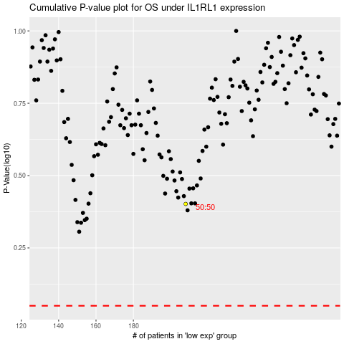

 |  |  |  |  |  | cases_OS | p_OS | rank | exp
 |  |  |  |  |  |  | cases_RFS | p_RFS | rank | exp

