IL20 _multivariate
Reported by Tex Li-Hsing Chi. tex@gate.sinica.edu.tw 2019-08-18

Table 2. The clinicopathological features of HNSCC cohort and IL20 expression. (Chi square test)
Cutoff at -0.414 (39.6%)
 |  | IL20 expression |  | IL20 expression |  | (Optimised)
 | Features | Low | (%) | High | (%) | Case no | P-value | Remark | Matthews
Gender | Female | 129 | 31.1 | 177 | 42.7 | 415 | 0.0839 | 0 | 0
2 | Male | 35 | 8.4 | 74 | 17.8
Age at diagnosis | <=65y | 112 | 27 | 162 | 39 | 415 | 0.4948 | 0 | 0
4 | >65y | 52 | 12.5 | 89 | 21.4
Clinical T Status | T1+T2 | 61 | 14.7 | 88 | 21.2 | 415 | 0.7349 | 0 | 0
6 | T3+T4 | 103 | 24.8 | 163 | 39.3
Clinical N Status | N0 | 80 | 19.3 | 136 | 32.8 | 415 | 0.3288 | 0 | 0
8 | N1-3 | 84 | 20.2 | 115 | 27.7
Clinical M Status | M0 | 162 | 39 | 250 | 60.2 | 415 | 0.5649 | 0 | 0
10 | M1 | 2 | 0.5 | 1 | 0.2
Clinical Stage | Stage I+II | 34 | 8.2 | 68 | 16.4 | 415 | 0.1756 | 0 | 0
12 | Stage III+IV | 130 | 31.3 | 183 | 44.1
Surgical Margin status | Negative | 128 | 30.8 | 190 | 45.8 | 415 | 0.6357 | 0 | 0
14 | Positive | 36 | 8.7 | 61 | 14.7
Tobacco Exposure | Low | 53 | 12.8 | 108 | 26 | 415 | 0.0308 | 1 | 0
16 | High | 111 | 26.7 | 143 | 34.5

Table 3. Univariate/Multivariate Cox's proportional hazards regression analyses on OS time of IL20 gene expression in HNSCC

 |  | Univariate |  |  |  | Multivariate
 | Features | HR | CI95%(L) | CI95%(H) | P-value | HR | CI95%(L) | CI95%(H) | P-value
1 | Female | 1 |  |  |  | 1
Gender | Male | 1.157 | 0.843 | 1.587 | 0.367 | 1.157 | 0.825 | 1.621 | 0.398
11 | <=65y | 1 |  |  |  | 1
Age at diagnosis | >65y | 1.329 | 0.99 | 1.784 | 0.058 | 1.371 | 1.009 | 1.864 | 0.044
12 | T1+T2 | 1 |  |  |  | 1
Clinical T Status | T3+T4 | 1.409 | 1.028 | 1.931 | 0.033 | 2.104 | 1.111 | 3.984 | 0.022
13 | N0 | 1 |  |  |  | 1
Clinical N Status | N1-3 | 1.185 | 0.89 | 1.577 | 0.246 | 1.262 | 0.885 | 1.8 | 0.199
14 | M0 | 1 |  |  |  | 1
Clinical M Status | M1 | 4.097 | 1.009 | 16.644 | 0.049 | 9.368 | 2.044 | 42.929 | 0.004
15 | Stage I+II | 1 |  |  |  | 1
Clinical Stage | Stage III+IV | 1.245 | 0.882 | 1.759 | 0.213 | 0.542 | 0.251 | 1.168 | 0.118
16 | Negative | 1 |  |  |  | 1
Surgical Margin status | Positive | 1.591 | 1.155 | 2.191 | 0.004 | 1.632 | 1.181 | 2.256 | 0.003
17 | Low | 1 |  |  |  | 1
Tobacco Exposure | High | 1.364 | 1.008 | 1.844 | 0.044 | 1.493 | 1.082 | 2.059 | 0.015
18 | Low | 1 |  |  |  | 1
RNAseq(z-score) | High | 1.35 | 0.999 | 1.823 | 0.05 | 1.344 | 0.984 | 1.834 | 0.063

Table 4. Univariate/Multivariate Cox's proportional hazards regression analyses on RFS time of IL20 gene expression in HNSCC

 |  | Univariate |  |  |  | Multivariate
 | Features | HR | CI95%(L) | CI95%(H) | P-value | HR | CI95%(L) | CI95%(H) | P-value
1 | Female | 1 |  |  |  | 1
Gender | Male | 1.157 | 0.843 | 1.587 | 0.367 | 1.157 | 0.825 | 1.621 | 0.398
11 | <=65y | 1 |  |  |  | 1
Age at diagnosis | >65y | 1.329 | 0.99 | 1.784 | 0.058 | 1.371 | 1.009 | 1.864 | 0.044
12 | T1+T2 | 1 |  |  |  | 1
Clinical T Status | T3+T4 | 1.409 | 1.028 | 1.931 | 0.033 | 2.104 | 1.111 | 3.984 | 0.022
13 | N0 | 1 |  |  |  | 1
Clinical N Status | N1-3 | 1.185 | 0.89 | 1.577 | 0.246 | 1.262 | 0.885 | 1.8 | 0.199
14 | M0 | 1 |  |  |  | 1
Clinical M Status | M1 | 4.097 | 1.009 | 16.644 | 0.049 | 9.368 | 2.044 | 42.929 | 0.004
15 | Stage I+II | 1 |  |  |  | 1
Clinical Stage | Stage III+IV | 1.245 | 0.882 | 1.759 | 0.213 | 0.542 | 0.251 | 1.168 | 0.118
16 | Negative | 1 |  |  |  | 1
Surgical Margin status | Positive | 1.591 | 1.155 | 2.191 | 0.004 | 1.632 | 1.181 | 2.256 | 0.003
17 | Low | 1 |  |  |  | 1
Tobacco Exposure | High | 1.364 | 1.008 | 1.844 | 0.044 | 1.493 | 1.082 | 2.059 | 0.015
18 | Low | 1 |  |  |  | 1
RNAseq(z-score) | High | 1.35 | 0.999 | 1.823 | 0.05 | 1.344 | 0.984 | 1.834 | 0.063

Kaplan-Meier survival estimate: Cutoff at -0.414 (39.6%)

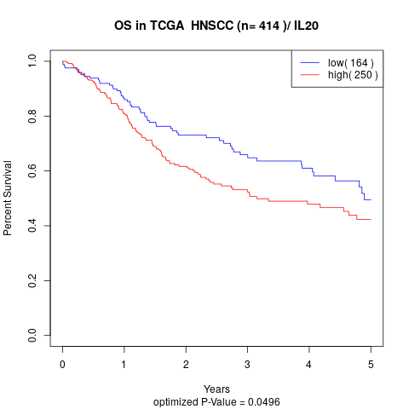

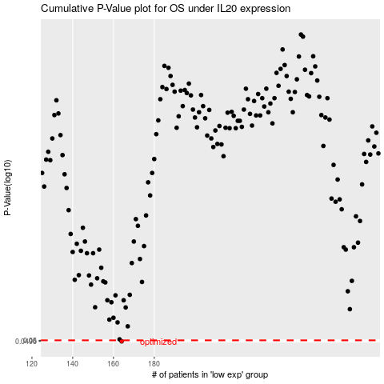

 |  |  |  |  |  | cases_OS | p_OS | rank | exp
 |  |  |  |  |  | 164 | 0.0496 | 225 | -0.41372188341
 |  |  |  |  |  |  | cases_RFS | p_RFS | rank | exp
 |  |  |  |  |  |  | 163 | 0.0496 | 345 | -0.4155313798

