IL24 _multivariate
Reported by Tex Li-Hsing Chi. tex@gate.sinica.edu.tw 2019-08-18

Table 2. The clinicopathological features of HNSCC cohort and IL24 expression. (Chi square test)
Cutoff at -0.308 (50.0%)
 |  | IL24 expression |  | IL24 expression |  | (Optimised)
 | Features | Low | (%) | High | (%) | Case no | P-value | Remark | Matthews
Gender | Female | 155 | 37.3 | 151 | 36.4 | 415 | 0.6768 | 0 | 0
2 | Male | 52 | 12.5 | 57 | 13.7
Age at diagnosis | <=65y | 139 | 33.5 | 135 | 32.5 | 415 | 0.7044 | 0 | 0
4 | >65y | 68 | 16.4 | 73 | 17.6
Clinical T Status | T1+T2 | 76 | 18.3 | 73 | 17.6 | 415 | 0.8092 | 0 | 0
6 | T3+T4 | 131 | 31.6 | 135 | 32.5
Clinical N Status | N0 | 104 | 25.1 | 112 | 27 | 415 | 0.5243 | 0 | 0
8 | N1-3 | 103 | 24.8 | 96 | 23.1
Clinical M Status | M0 | 206 | 49.6 | 206 | 49.6 | 415 | 1 | 0 | 0
10 | M1 | 1 | 0.2 | 2 | 0.5
Clinical Stage | Stage I+II | 47 | 11.3 | 55 | 13.3 | 415 | 0.4413 | 0 | 0
12 | Stage III+IV | 160 | 38.6 | 153 | 36.9
Surgical Margin status | Negative | 158 | 38.1 | 160 | 38.6 | 415 | 0.9081 | 0 | 0
14 | Positive | 49 | 11.8 | 48 | 11.6
Tobacco Exposure | Low | 79 | 19 | 82 | 19.8 | 415 | 0.8405 | 0 | 0
16 | High | 128 | 30.8 | 126 | 30.4

Table 3. Univariate/Multivariate Cox's proportional hazards regression analyses on OS time of IL24 gene expression in HNSCC

 |  | Univariate |  |  |  | Multivariate
 | Features | HR | CI95%(L) | CI95%(H) | P-value | HR | CI95%(L) | CI95%(H) | P-value
1 | Female | 1 |  |  |  | 1
Gender | Male | 1.157 | 0.843 | 1.587 | 0.367 | 1.199 | 0.858 | 1.676 | 0.288
11 | <=65y | 1 |  |  |  | 1
Age at diagnosis | >65y | 1.329 | 0.99 | 1.784 | 0.058 | 1.387 | 1.02 | 1.887 | 0.037
12 | T1+T2 | 1 |  |  |  | 1
Clinical T Status | T3+T4 | 1.409 | 1.028 | 1.931 | 0.033 | 2.182 | 1.153 | 4.132 | 0.017
13 | N0 | 1 |  |  |  | 1
Clinical N Status | N1-3 | 1.185 | 0.89 | 1.577 | 0.246 | 1.247 | 0.873 | 1.78 | 0.225
14 | M0 | 1 |  |  |  | 1
Clinical M Status | M1 | 4.097 | 1.009 | 16.644 | 0.049 | 9.113 | 1.975 | 42.051 | 0.005
15 | Stage I+II | 1 |  |  |  | 1
Clinical Stage | Stage III+IV | 1.245 | 0.882 | 1.759 | 0.213 | 0.512 | 0.238 | 1.102 | 0.087
16 | Negative | 1 |  |  |  | 1
Surgical Margin status | Positive | 1.591 | 1.155 | 2.191 | 0.004 | 1.671 | 1.209 | 2.308 | 0.002
17 | Low | 1 |  |  |  | 1
Tobacco Exposure | High | 1.364 | 1.008 | 1.844 | 0.044 | 1.46 | 1.058 | 2.014 | 0.021
18 | Low | 1 |  |  |  | 1
RNAseq(z-score) | High | 1.081 | 0.811 | 1.44 | 0.595 | 1.067 | 0.795 | 1.432 | 0.664

Table 4. Univariate/Multivariate Cox's proportional hazards regression analyses on RFS time of IL24 gene expression in HNSCC

 |  | Univariate |  |  |  | Multivariate
 | Features | HR | CI95%(L) | CI95%(H) | P-value | HR | CI95%(L) | CI95%(H) | P-value
1 | Female | 1 |  |  |  | 1
Gender | Male | 1.157 | 0.843 | 1.587 | 0.367 | 1.199 | 0.858 | 1.676 | 0.288
11 | <=65y | 1 |  |  |  | 1
Age at diagnosis | >65y | 1.329 | 0.99 | 1.784 | 0.058 | 1.387 | 1.02 | 1.887 | 0.037
12 | T1+T2 | 1 |  |  |  | 1
Clinical T Status | T3+T4 | 1.409 | 1.028 | 1.931 | 0.033 | 2.182 | 1.153 | 4.132 | 0.017
13 | N0 | 1 |  |  |  | 1
Clinical N Status | N1-3 | 1.185 | 0.89 | 1.577 | 0.246 | 1.247 | 0.873 | 1.78 | 0.225
14 | M0 | 1 |  |  |  | 1
Clinical M Status | M1 | 4.097 | 1.009 | 16.644 | 0.049 | 9.113 | 1.975 | 42.051 | 0.005
15 | Stage I+II | 1 |  |  |  | 1
Clinical Stage | Stage III+IV | 1.245 | 0.882 | 1.759 | 0.213 | 0.512 | 0.238 | 1.102 | 0.087
16 | Negative | 1 |  |  |  | 1
Surgical Margin status | Positive | 1.591 | 1.155 | 2.191 | 0.004 | 1.671 | 1.209 | 2.308 | 0.002
17 | Low | 1 |  |  |  | 1
Tobacco Exposure | High | 1.364 | 1.008 | 1.844 | 0.044 | 1.46 | 1.058 | 2.014 | 0.021
18 | Low | 1 |  |  |  | 1
RNAseq(z-score) | High | 1.081 | 0.811 | 1.44 | 0.595 | 1.067 | 0.795 | 1.432 | 0.664

Kaplan-Meier survival estimate: Cutoff at -0.308 (50.0%)

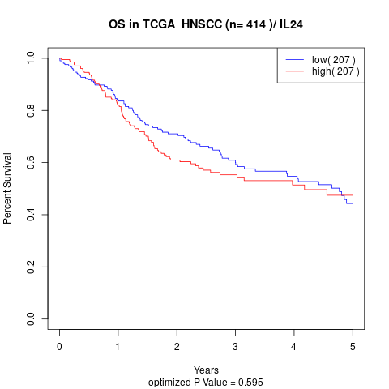

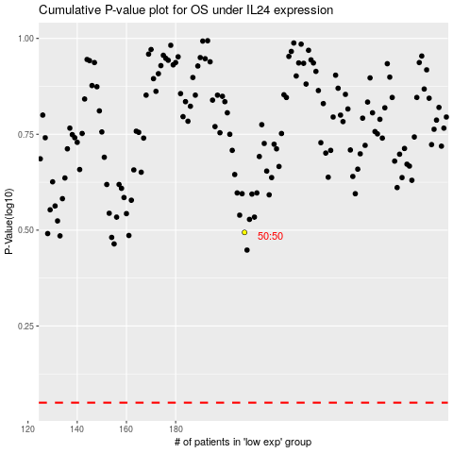

 |  |  |  |  |  | cases_OS | p_OS | rank | exp
 |  |  |  |  |  |  | cases_RFS | p_RFS | rank | exp

