IL27 _multivariate
Reported by Tex Li-Hsing Chi. tex@gate.sinica.edu.tw 2019-08-18

Table 2. The clinicopathological features of HNSCC cohort and IL27 expression. (Chi square test)
Cutoff at -0.322 (49.8%)
 |  | IL27 expression |  | IL27 expression |  | (Optimised)
 | Features | Low | (%) | High | (%) | Case no | P-value | Remark | Matthews
Gender | Female | 154 | 37.1 | 152 | 36.6 | 415 | 0.8463 | 0 | 0
2 | Male | 53 | 12.8 | 56 | 13.5
Age at diagnosis | <=65y | 146 | 35.2 | 128 | 30.8 | 415 | 0.0672 | 0 | 0
4 | >65y | 61 | 14.7 | 80 | 19.3
Clinical T Status | T1+T2 | 68 | 16.4 | 81 | 19.5 | 415 | 0.2336 | 0 | 0
6 | T3+T4 | 139 | 33.5 | 127 | 30.6
Clinical N Status | N0 | 112 | 27 | 104 | 25.1 | 415 | 0.4599 | 0 | 0
8 | N1-3 | 95 | 22.9 | 104 | 25.1
Clinical M Status | M0 | 207 | 49.9 | 205 | 49.4 | 415 | 0.2482 | 0 | 0
10 | M1 | 0 | 0 | 3 | 0.7
Clinical Stage | Stage I+II | 48 | 11.6 | 54 | 13 | 415 | 0.5878 | 0 | 0
12 | Stage III+IV | 159 | 38.3 | 154 | 37.1
Surgical Margin status | Negative | 157 | 37.8 | 161 | 38.8 | 415 | 0.729 | 0 | 0
14 | Positive | 50 | 12 | 47 | 11.3
Tobacco Exposure | Low | 78 | 18.8 | 83 | 20 | 415 | 0.6873 | 0 | 0
16 | High | 129 | 31.1 | 125 | 30.1

Table 3. Univariate/Multivariate Cox's proportional hazards regression analyses on OS time of IL27 gene expression in HNSCC

 |  | Univariate |  |  |  | Multivariate
 | Features | HR | CI95%(L) | CI95%(H) | P-value | HR | CI95%(L) | CI95%(H) | P-value
1 | Female | 1 |  |  |  | 1
Gender | Male | 1.157 | 0.843 | 1.587 | 0.367 | 1.203 | 0.861 | 1.68 | 0.279
11 | <=65y | 1 |  |  |  | 1
Age at diagnosis | >65y | 1.329 | 0.99 | 1.784 | 0.058 | 1.386 | 1.019 | 1.885 | 0.038
12 | T1+T2 | 1 |  |  |  | 1
Clinical T Status | T3+T4 | 1.409 | 1.028 | 1.931 | 0.033 | 2.204 | 1.166 | 4.167 | 0.015
13 | N0 | 1 |  |  |  | 1
Clinical N Status | N1-3 | 1.185 | 0.89 | 1.577 | 0.246 | 1.238 | 0.868 | 1.767 | 0.238
14 | M0 | 1 |  |  |  | 1
Clinical M Status | M1 | 4.097 | 1.009 | 16.644 | 0.049 | 9.134 | 1.979 | 42.156 | 0.005
15 | Stage I+II | 1 |  |  |  | 1
Clinical Stage | Stage III+IV | 1.245 | 0.882 | 1.759 | 0.213 | 0.508 | 0.236 | 1.092 | 0.083
16 | Negative | 1 |  |  |  | 1
Surgical Margin status | Positive | 1.591 | 1.155 | 2.191 | 0.004 | 1.671 | 1.209 | 2.308 | 0.002
17 | Low | 1 |  |  |  | 1
Tobacco Exposure | High | 1.364 | 1.008 | 1.844 | 0.044 | 1.458 | 1.058 | 2.009 | 0.021
18 | Low | 1 |  |  |  | 1
RNAseq(z-score) | High | 1.063 | 0.798 | 1.415 | 0.677 | 1.06 | 0.792 | 1.417 | 0.696

Table 4. Univariate/Multivariate Cox's proportional hazards regression analyses on RFS time of IL27 gene expression in HNSCC

 |  | Univariate |  |  |  | Multivariate
 | Features | HR | CI95%(L) | CI95%(H) | P-value | HR | CI95%(L) | CI95%(H) | P-value
1 | Female | 1 |  |  |  | 1
Gender | Male | 1.157 | 0.843 | 1.587 | 0.367 | 1.203 | 0.861 | 1.68 | 0.279
11 | <=65y | 1 |  |  |  | 1
Age at diagnosis | >65y | 1.329 | 0.99 | 1.784 | 0.058 | 1.386 | 1.019 | 1.885 | 0.038
12 | T1+T2 | 1 |  |  |  | 1
Clinical T Status | T3+T4 | 1.409 | 1.028 | 1.931 | 0.033 | 2.204 | 1.166 | 4.167 | 0.015
13 | N0 | 1 |  |  |  | 1
Clinical N Status | N1-3 | 1.185 | 0.89 | 1.577 | 0.246 | 1.238 | 0.868 | 1.767 | 0.238
14 | M0 | 1 |  |  |  | 1
Clinical M Status | M1 | 4.097 | 1.009 | 16.644 | 0.049 | 9.134 | 1.979 | 42.156 | 0.005
15 | Stage I+II | 1 |  |  |  | 1
Clinical Stage | Stage III+IV | 1.245 | 0.882 | 1.759 | 0.213 | 0.508 | 0.236 | 1.092 | 0.083
16 | Negative | 1 |  |  |  | 1
Surgical Margin status | Positive | 1.591 | 1.155 | 2.191 | 0.004 | 1.671 | 1.209 | 2.308 | 0.002
17 | Low | 1 |  |  |  | 1
Tobacco Exposure | High | 1.364 | 1.008 | 1.844 | 0.044 | 1.458 | 1.058 | 2.009 | 0.021
18 | Low | 1 |  |  |  | 1
RNAseq(z-score) | High | 1.063 | 0.798 | 1.415 | 0.677 | 1.06 | 0.792 | 1.417 | 0.696

Kaplan-Meier survival estimate: Cutoff at -0.322 (49.8%)

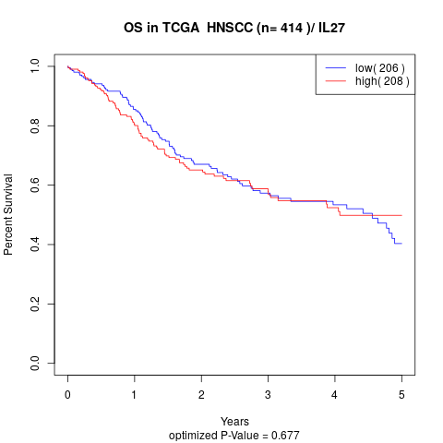

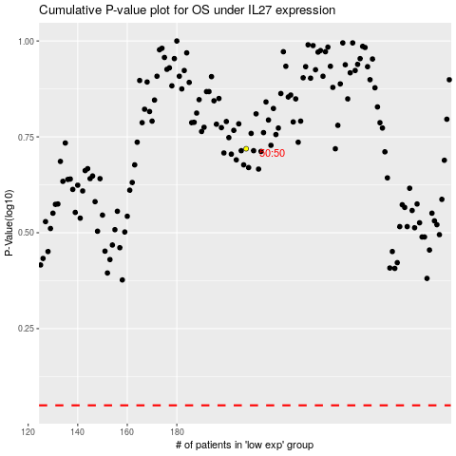

 |  |  |  |  |  | cases_OS | p_OS | rank | exp
 |  |  |  |  |  |  | cases_RFS | p_RFS | rank | exp

