IL2RA _multivariate
Reported by Tex Li-Hsing Chi. tex@gate.sinica.edu.tw 2019-08-18

Table 2. The clinicopathological features of HNSCC cohort and IL2RA expression. (Chi square test)
Cutoff at -0.179 (49.8%)
 |  | IL2RA expression |  | IL2RA expression |  | (Optimised)
 | Features | Low | (%) | High | (%) | Case no | P-value | Remark | Matthews
Gender | Female | 161 | 38.8 | 145 | 34.9 | 415 | 0.0792 | 0 | 0
2 | Male | 46 | 11.1 | 63 | 15.2
Age at diagnosis | <=65y | 140 | 33.7 | 134 | 32.3 | 415 | 0.5574 | 0 | 0
4 | >65y | 67 | 16.1 | 74 | 17.8
Clinical T Status | T1+T2 | 78 | 18.8 | 71 | 17.1 | 415 | 0.5152 | 0 | 0
6 | T3+T4 | 129 | 31.1 | 137 | 33
Clinical N Status | N0 | 120 | 28.9 | 96 | 23.1 | 415 | 0.0208 | 1 | 0
8 | N1-3 | 87 | 21 | 112 | 27
Clinical M Status | M0 | 204 | 49.2 | 208 | 50.1 | 415 | 0.1232 | 0 | 0
10 | M1 | 3 | 0.7 | 0 | 0
Clinical Stage | Stage I+II | 53 | 12.8 | 49 | 11.8 | 415 | 0.7113 | 0 | 0
12 | Stage III+IV | 154 | 37.1 | 159 | 38.3
Surgical Margin status | Negative | 156 | 37.6 | 162 | 39 | 415 | 0.5636 | 0 | 0
14 | Positive | 51 | 12.3 | 46 | 11.1
Tobacco Exposure | Low | 78 | 18.8 | 83 | 20 | 415 | 0.6873 | 0 | 0
16 | High | 129 | 31.1 | 125 | 30.1

Table 3. Univariate/Multivariate Cox's proportional hazards regression analyses on OS time of IL2RA gene expression in HNSCC

 |  | Univariate |  |  |  | Multivariate
 | Features | HR | CI95%(L) | CI95%(H) | P-value | HR | CI95%(L) | CI95%(H) | P-value
1 | Female | 1 |  |  |  | 1
Gender | Male | 1.157 | 0.843 | 1.587 | 0.367 | 1.201 | 0.859 | 1.678 | 0.284
11 | <=65y | 1 |  |  |  | 1
Age at diagnosis | >65y | 1.329 | 0.99 | 1.784 | 0.058 | 1.381 | 1.017 | 1.875 | 0.039
12 | T1+T2 | 1 |  |  |  | 1
Clinical T Status | T3+T4 | 1.409 | 1.028 | 1.931 | 0.033 | 2.262 | 1.196 | 4.278 | 0.012
13 | N0 | 1 |  |  |  | 1
Clinical N Status | N1-3 | 1.185 | 0.89 | 1.577 | 0.246 | 1.289 | 0.9 | 1.845 | 0.166
14 | M0 | 1 |  |  |  | 1
Clinical M Status | M1 | 4.097 | 1.009 | 16.644 | 0.049 | 8.495 | 1.843 | 39.148 | 0.006
15 | Stage I+II | 1 |  |  |  | 1
Clinical Stage | Stage III+IV | 1.245 | 0.882 | 1.759 | 0.213 | 0.482 | 0.224 | 1.035 | 0.061
16 | Negative | 1 |  |  |  | 1
Surgical Margin status | Positive | 1.591 | 1.155 | 2.191 | 0.004 | 1.665 | 1.205 | 2.3 | 0.002
17 | Low | 1 |  |  |  | 1
Tobacco Exposure | High | 1.364 | 1.008 | 1.844 | 0.044 | 1.434 | 1.04 | 1.977 | 0.028
18 | Low | 1 |  |  |  | 1
RNAseq(z-score) | High | 0.8 | 0.6 | 1.067 | 0.129 | 0.801 | 0.598 | 1.072 | 0.136

Table 4. Univariate/Multivariate Cox's proportional hazards regression analyses on RFS time of IL2RA gene expression in HNSCC

 |  | Univariate |  |  |  | Multivariate
 | Features | HR | CI95%(L) | CI95%(H) | P-value | HR | CI95%(L) | CI95%(H) | P-value
1 | Female | 1 |  |  |  | 1
Gender | Male | 1.157 | 0.843 | 1.587 | 0.367 | 1.201 | 0.859 | 1.678 | 0.284
11 | <=65y | 1 |  |  |  | 1
Age at diagnosis | >65y | 1.329 | 0.99 | 1.784 | 0.058 | 1.381 | 1.017 | 1.875 | 0.039
12 | T1+T2 | 1 |  |  |  | 1
Clinical T Status | T3+T4 | 1.409 | 1.028 | 1.931 | 0.033 | 2.262 | 1.196 | 4.278 | 0.012
13 | N0 | 1 |  |  |  | 1
Clinical N Status | N1-3 | 1.185 | 0.89 | 1.577 | 0.246 | 1.289 | 0.9 | 1.845 | 0.166
14 | M0 | 1 |  |  |  | 1
Clinical M Status | M1 | 4.097 | 1.009 | 16.644 | 0.049 | 8.495 | 1.843 | 39.148 | 0.006
15 | Stage I+II | 1 |  |  |  | 1
Clinical Stage | Stage III+IV | 1.245 | 0.882 | 1.759 | 0.213 | 0.482 | 0.224 | 1.035 | 0.061
16 | Negative | 1 |  |  |  | 1
Surgical Margin status | Positive | 1.591 | 1.155 | 2.191 | 0.004 | 1.665 | 1.205 | 2.3 | 0.002
17 | Low | 1 |  |  |  | 1
Tobacco Exposure | High | 1.364 | 1.008 | 1.844 | 0.044 | 1.434 | 1.04 | 1.977 | 0.028
18 | Low | 1 |  |  |  | 1
RNAseq(z-score) | High | 0.8 | 0.6 | 1.067 | 0.129 | 0.801 | 0.598 | 1.072 | 0.136

Kaplan-Meier survival estimate: Cutoff at -0.179 (49.8%)



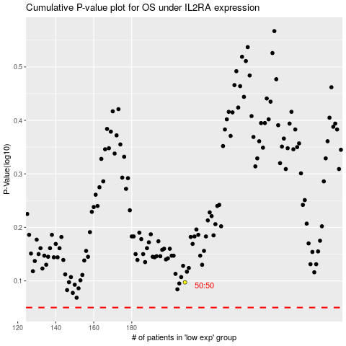

 |  |  |  |  |  | cases_OS | p_OS | rank | exp
 |  |  |  |  |  |  | cases_RFS | p_RFS | rank | exp

