IL2RB _multivariate
Reported by Tex Li-Hsing Chi. tex@gate.sinica.edu.tw 2019-08-18

Table 2. The clinicopathological features of HNSCC cohort and IL2RB expression. (Chi square test)
Cutoff at -0.345 (49.8%)
 |  | IL2RB expression |  | IL2RB expression |  | (Optimised)
 | Features | Low | (%) | High | (%) | Case no | P-value | Remark | Matthews
Gender | Female | 160 | 38.6 | 146 | 35.2 | 415 | 0.1254 | 0 | 0
2 | Male | 47 | 11.3 | 62 | 14.9
Age at diagnosis | <=65y | 144 | 34.7 | 130 | 31.3 | 415 | 0.1568 | 0 | 0
4 | >65y | 63 | 15.2 | 78 | 18.8
Clinical T Status | T1+T2 | 62 | 14.9 | 87 | 21 | 415 | 0.0156 | 1 | 0
6 | T3+T4 | 145 | 34.9 | 121 | 29.2
Clinical N Status | N0 | 112 | 27 | 104 | 25.1 | 415 | 0.4599 | 0 | 0
8 | N1-3 | 95 | 22.9 | 104 | 25.1
Clinical M Status | M0 | 206 | 49.6 | 206 | 49.6 | 415 | 1 | 0 | 0
10 | M1 | 1 | 0.2 | 2 | 0.5
Clinical Stage | Stage I+II | 43 | 10.4 | 59 | 14.2 | 415 | 0.0925 | 0 | 0
12 | Stage III+IV | 164 | 39.5 | 149 | 35.9
Surgical Margin status | Negative | 156 | 37.6 | 162 | 39 | 415 | 0.5636 | 0 | 0
14 | Positive | 51 | 12.3 | 46 | 11.1
Tobacco Exposure | Low | 75 | 18.1 | 86 | 20.7 | 415 | 0.3141 | 0 | 0
16 | High | 132 | 31.8 | 122 | 29.4

Table 3. Univariate/Multivariate Cox's proportional hazards regression analyses on OS time of IL2RB gene expression in HNSCC

 |  | Univariate |  |  |  | Multivariate
 | Features | HR | CI95%(L) | CI95%(H) | P-value | HR | CI95%(L) | CI95%(H) | P-value
1 | Female | 1 |  |  |  | 1
Gender | Male | 1.157 | 0.843 | 1.587 | 0.367 | 1.21 | 0.866 | 1.69 | 0.265
11 | <=65y | 1 |  |  |  | 1
Age at diagnosis | >65y | 1.329 | 0.99 | 1.784 | 0.058 | 1.402 | 1.032 | 1.904 | 0.031
12 | T1+T2 | 1 |  |  |  | 1
Clinical T Status | T3+T4 | 1.409 | 1.028 | 1.931 | 0.033 | 2.172 | 1.149 | 4.108 | 0.017
13 | N0 | 1 |  |  |  | 1
Clinical N Status | N1-3 | 1.185 | 0.89 | 1.577 | 0.246 | 1.26 | 0.882 | 1.799 | 0.204
14 | M0 | 1 |  |  |  | 1
Clinical M Status | M1 | 4.097 | 1.009 | 16.644 | 0.049 | 9.814 | 2.138 | 45.059 | 0.003
15 | Stage I+II | 1 |  |  |  | 1
Clinical Stage | Stage III+IV | 1.245 | 0.882 | 1.759 | 0.213 | 0.497 | 0.231 | 1.066 | 0.073
16 | Negative | 1 |  |  |  | 1
Surgical Margin status | Positive | 1.591 | 1.155 | 2.191 | 0.004 | 1.674 | 1.211 | 2.313 | 0.002
17 | Low | 1 |  |  |  | 1
Tobacco Exposure | High | 1.364 | 1.008 | 1.844 | 0.044 | 1.439 | 1.044 | 1.983 | 0.026
18 | Low | 1 |  |  |  | 1
RNAseq(z-score) | High | 0.848 | 0.636 | 1.131 | 0.262 | 0.838 | 0.626 | 1.122 | 0.235

Table 4. Univariate/Multivariate Cox's proportional hazards regression analyses on RFS time of IL2RB gene expression in HNSCC

 |  | Univariate |  |  |  | Multivariate
 | Features | HR | CI95%(L) | CI95%(H) | P-value | HR | CI95%(L) | CI95%(H) | P-value
1 | Female | 1 |  |  |  | 1
Gender | Male | 1.157 | 0.843 | 1.587 | 0.367 | 1.21 | 0.866 | 1.69 | 0.265
11 | <=65y | 1 |  |  |  | 1
Age at diagnosis | >65y | 1.329 | 0.99 | 1.784 | 0.058 | 1.402 | 1.032 | 1.904 | 0.031
12 | T1+T2 | 1 |  |  |  | 1
Clinical T Status | T3+T4 | 1.409 | 1.028 | 1.931 | 0.033 | 2.172 | 1.149 | 4.108 | 0.017
13 | N0 | 1 |  |  |  | 1
Clinical N Status | N1-3 | 1.185 | 0.89 | 1.577 | 0.246 | 1.26 | 0.882 | 1.799 | 0.204
14 | M0 | 1 |  |  |  | 1
Clinical M Status | M1 | 4.097 | 1.009 | 16.644 | 0.049 | 9.814 | 2.138 | 45.059 | 0.003
15 | Stage I+II | 1 |  |  |  | 1
Clinical Stage | Stage III+IV | 1.245 | 0.882 | 1.759 | 0.213 | 0.497 | 0.231 | 1.066 | 0.073
16 | Negative | 1 |  |  |  | 1
Surgical Margin status | Positive | 1.591 | 1.155 | 2.191 | 0.004 | 1.674 | 1.211 | 2.313 | 0.002
17 | Low | 1 |  |  |  | 1
Tobacco Exposure | High | 1.364 | 1.008 | 1.844 | 0.044 | 1.439 | 1.044 | 1.983 | 0.026
18 | Low | 1 |  |  |  | 1
RNAseq(z-score) | High | 0.848 | 0.636 | 1.131 | 0.262 | 0.838 | 0.626 | 1.122 | 0.235

Kaplan-Meier survival estimate: Cutoff at -0.345 (49.8%)



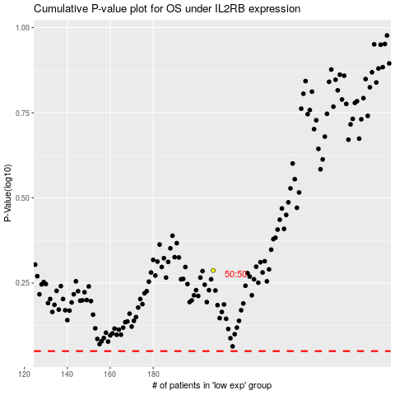

 |  |  |  |  |  | cases_OS | p_OS | rank | exp
 |  |  |  |  |  |  | cases_RFS | p_RFS | rank | exp

