IL32 _multivariate
Reported by Tex Li-Hsing Chi. tex@gate.sinica.edu.tw 2019-08-18

Table 2. The clinicopathological features of HNSCC cohort and IL32 expression. (Chi square test)
Cutoff at -0.288 (50.0%)
 |  | IL32 expression |  | IL32 expression |  | (Optimised)
 | Features | Low | (%) | High | (%) | Case no | P-value | Remark | Matthews
Gender | Female | 156 | 37.6 | 150 | 36.1 | 415 | 0.5222 | 0 | 0
2 | Male | 51 | 12.3 | 58 | 14
Age at diagnosis | <=65y | 137 | 33 | 137 | 33 | 415 | 1 | 0 | 0
4 | >65y | 70 | 16.9 | 71 | 17.1
Clinical T Status | T1+T2 | 62 | 14.9 | 87 | 21 | 415 | 0.0156 | 1 | 0
6 | T3+T4 | 145 | 34.9 | 121 | 29.2
Clinical N Status | N0 | 117 | 28.2 | 99 | 23.9 | 415 | 0.0852 | 1 | 0
8 | N1-3 | 90 | 21.7 | 109 | 26.3
Clinical M Status | M0 | 206 | 49.6 | 206 | 49.6 | 415 | 1 | 0 | 0
10 | M1 | 1 | 0.2 | 2 | 0.5
Clinical Stage | Stage I+II | 45 | 10.8 | 57 | 13.7 | 415 | 0.2202 | 0 | 0
12 | Stage III+IV | 162 | 39 | 151 | 36.4
Surgical Margin status | Negative | 159 | 38.3 | 159 | 38.3 | 415 | 1 | 0 | 0
14 | Positive | 48 | 11.6 | 49 | 11.8
Tobacco Exposure | Low | 71 | 17.1 | 90 | 21.7 | 415 | 0.0698 | 0 | 0
16 | High | 136 | 32.8 | 118 | 28.4

Table 3. Univariate/Multivariate Cox's proportional hazards regression analyses on OS time of IL32 gene expression in HNSCC

 |  | Univariate |  |  |  | Multivariate
 | Features | HR | CI95%(L) | CI95%(H) | P-value | HR | CI95%(L) | CI95%(H) | P-value
1 | Female | 1 |  |  |  | 1
Gender | Male | 1.157 | 0.843 | 1.587 | 0.367 | 1.205 | 0.863 | 1.683 | 0.274
11 | <=65y | 1 |  |  |  | 1
Age at diagnosis | >65y | 1.329 | 0.99 | 1.784 | 0.058 | 1.392 | 1.024 | 1.891 | 0.034
12 | T1+T2 | 1 |  |  |  | 1
Clinical T Status | T3+T4 | 1.409 | 1.028 | 1.931 | 0.033 | 2.176 | 1.15 | 4.117 | 0.017
13 | N0 | 1 |  |  |  | 1
Clinical N Status | N1-3 | 1.185 | 0.89 | 1.577 | 0.246 | 1.278 | 0.892 | 1.831 | 0.182
14 | M0 | 1 |  |  |  | 1
Clinical M Status | M1 | 4.097 | 1.009 | 16.644 | 0.049 | 9.69 | 2.112 | 44.461 | 0.003
15 | Stage I+II | 1 |  |  |  | 1
Clinical Stage | Stage III+IV | 1.245 | 0.882 | 1.759 | 0.213 | 0.498 | 0.232 | 1.07 | 0.074
16 | Negative | 1 |  |  |  | 1
Surgical Margin status | Positive | 1.591 | 1.155 | 2.191 | 0.004 | 1.695 | 1.225 | 2.345 | 0.001
17 | Low | 1 |  |  |  | 1
Tobacco Exposure | High | 1.364 | 1.008 | 1.844 | 0.044 | 1.421 | 1.029 | 1.963 | 0.033
18 | Low | 1 |  |  |  | 1
RNAseq(z-score) | High | 0.865 | 0.647 | 1.158 | 0.33 | 0.851 | 0.63 | 1.151 | 0.295

Table 4. Univariate/Multivariate Cox's proportional hazards regression analyses on RFS time of IL32 gene expression in HNSCC

 |  | Univariate |  |  |  | Multivariate
 | Features | HR | CI95%(L) | CI95%(H) | P-value | HR | CI95%(L) | CI95%(H) | P-value
1 | Female | 1 |  |  |  | 1
Gender | Male | 1.157 | 0.843 | 1.587 | 0.367 | 1.205 | 0.863 | 1.683 | 0.274
11 | <=65y | 1 |  |  |  | 1
Age at diagnosis | >65y | 1.329 | 0.99 | 1.784 | 0.058 | 1.392 | 1.024 | 1.891 | 0.034
12 | T1+T2 | 1 |  |  |  | 1
Clinical T Status | T3+T4 | 1.409 | 1.028 | 1.931 | 0.033 | 2.176 | 1.15 | 4.117 | 0.017
13 | N0 | 1 |  |  |  | 1
Clinical N Status | N1-3 | 1.185 | 0.89 | 1.577 | 0.246 | 1.278 | 0.892 | 1.831 | 0.182
14 | M0 | 1 |  |  |  | 1
Clinical M Status | M1 | 4.097 | 1.009 | 16.644 | 0.049 | 9.69 | 2.112 | 44.461 | 0.003
15 | Stage I+II | 1 |  |  |  | 1
Clinical Stage | Stage III+IV | 1.245 | 0.882 | 1.759 | 0.213 | 0.498 | 0.232 | 1.07 | 0.074
16 | Negative | 1 |  |  |  | 1
Surgical Margin status | Positive | 1.591 | 1.155 | 2.191 | 0.004 | 1.695 | 1.225 | 2.345 | 0.001
17 | Low | 1 |  |  |  | 1
Tobacco Exposure | High | 1.364 | 1.008 | 1.844 | 0.044 | 1.421 | 1.029 | 1.963 | 0.033
18 | Low | 1 |  |  |  | 1
RNAseq(z-score) | High | 0.865 | 0.647 | 1.158 | 0.33 | 0.851 | 0.63 | 1.151 | 0.295

Kaplan-Meier survival estimate: Cutoff at -0.288 (50.0%)



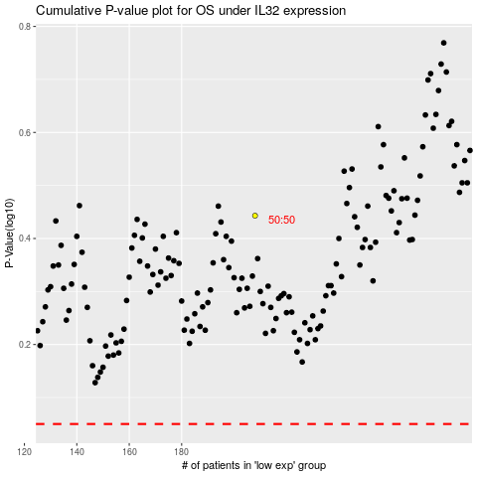

 |  |  |  |  |  | cases_OS | p_OS | rank | exp
 |  |  |  |  |  |  | cases_RFS | p_RFS | rank | exp

