IL33 _multivariate
Reported by Tex Li-Hsing Chi. tex@gate.sinica.edu.tw 2019-08-18

Table 2. The clinicopathological features of HNSCC cohort and IL33 expression. (Chi square test)
Cutoff at -0.386 (49.8%)
 |  | IL33 expression |  | IL33 expression |  | (Optimised)
 | Features | Low | (%) | High | (%) | Case no | P-value | Remark | Matthews
Gender | Female | 162 | 39 | 144 | 34.7 | 415 | 0.0479 | 1 | 0
2 | Male | 45 | 10.8 | 64 | 15.4
Age at diagnosis | <=65y | 139 | 33.5 | 135 | 32.5 | 415 | 0.7044 | 0 | 0
4 | >65y | 68 | 16.4 | 73 | 17.6
Clinical T Status | T1+T2 | 57 | 13.7 | 92 | 22.2 | 415 | 6e-04 | 1 | 0
6 | T3+T4 | 150 | 36.1 | 116 | 28
Clinical N Status | N0 | 96 | 23.1 | 120 | 28.9 | 415 | 0.0272 | 1 | 0
8 | N1-3 | 111 | 26.7 | 88 | 21.2
Clinical M Status | M0 | 205 | 49.4 | 207 | 49.9 | 415 | 0.6232 | 0 | 0
10 | M1 | 2 | 0.5 | 1 | 0.2
Clinical Stage | Stage I+II | 34 | 8.2 | 68 | 16.4 | 415 | 2e-04 | 1 | 0
12 | Stage III+IV | 173 | 41.7 | 140 | 33.7
Surgical Margin status | Negative | 164 | 39.5 | 154 | 37.1 | 415 | 0.2462 | 0 | 0
14 | Positive | 43 | 10.4 | 54 | 13
Tobacco Exposure | Low | 69 | 16.6 | 92 | 22.2 | 415 | 0.0266 | 1 | 0
16 | High | 138 | 33.3 | 116 | 28

Table 3. Univariate/Multivariate Cox's proportional hazards regression analyses on OS time of IL33 gene expression in HNSCC

 |  | Univariate |  |  |  | Multivariate
 | Features | HR | CI95%(L) | CI95%(H) | P-value | HR | CI95%(L) | CI95%(H) | P-value
1 | Female | 1 |  |  |  | 1
Gender | Male | 1.157 | 0.843 | 1.587 | 0.367 | 1.197 | 0.856 | 1.673 | 0.293
11 | <=65y | 1 |  |  |  | 1
Age at diagnosis | >65y | 1.329 | 0.99 | 1.784 | 0.058 | 1.394 | 1.026 | 1.896 | 0.034
12 | T1+T2 | 1 |  |  |  | 1
Clinical T Status | T3+T4 | 1.409 | 1.028 | 1.931 | 0.033 | 2.213 | 1.169 | 4.186 | 0.015
13 | N0 | 1 |  |  |  | 1
Clinical N Status | N1-3 | 1.185 | 0.89 | 1.577 | 0.246 | 1.243 | 0.871 | 1.773 | 0.231
14 | M0 | 1 |  |  |  | 1
Clinical M Status | M1 | 4.097 | 1.009 | 16.644 | 0.049 | 9.454 | 2.062 | 43.348 | 0.004
15 | Stage I+II | 1 |  |  |  | 1
Clinical Stage | Stage III+IV | 1.245 | 0.882 | 1.759 | 0.213 | 0.508 | 0.237 | 1.093 | 0.083
16 | Negative | 1 |  |  |  | 1
Surgical Margin status | Positive | 1.591 | 1.155 | 2.191 | 0.004 | 1.667 | 1.206 | 2.305 | 0.002
17 | Low | 1 |  |  |  | 1
Tobacco Exposure | High | 1.364 | 1.008 | 1.844 | 0.044 | 1.456 | 1.057 | 2.006 | 0.022
18 | Low | 1 |  |  |  | 1
RNAseq(z-score) | High | 0.98 | 0.735 | 1.305 | 0.888 | 1.048 | 0.778 | 1.412 | 0.755

Table 4. Univariate/Multivariate Cox's proportional hazards regression analyses on RFS time of IL33 gene expression in HNSCC

 |  | Univariate |  |  |  | Multivariate
 | Features | HR | CI95%(L) | CI95%(H) | P-value | HR | CI95%(L) | CI95%(H) | P-value
1 | Female | 1 |  |  |  | 1
Gender | Male | 1.157 | 0.843 | 1.587 | 0.367 | 1.197 | 0.856 | 1.673 | 0.293
11 | <=65y | 1 |  |  |  | 1
Age at diagnosis | >65y | 1.329 | 0.99 | 1.784 | 0.058 | 1.394 | 1.026 | 1.896 | 0.034
12 | T1+T2 | 1 |  |  |  | 1
Clinical T Status | T3+T4 | 1.409 | 1.028 | 1.931 | 0.033 | 2.213 | 1.169 | 4.186 | 0.015
13 | N0 | 1 |  |  |  | 1
Clinical N Status | N1-3 | 1.185 | 0.89 | 1.577 | 0.246 | 1.243 | 0.871 | 1.773 | 0.231
14 | M0 | 1 |  |  |  | 1
Clinical M Status | M1 | 4.097 | 1.009 | 16.644 | 0.049 | 9.454 | 2.062 | 43.348 | 0.004
15 | Stage I+II | 1 |  |  |  | 1
Clinical Stage | Stage III+IV | 1.245 | 0.882 | 1.759 | 0.213 | 0.508 | 0.237 | 1.093 | 0.083
16 | Negative | 1 |  |  |  | 1
Surgical Margin status | Positive | 1.591 | 1.155 | 2.191 | 0.004 | 1.667 | 1.206 | 2.305 | 0.002
17 | Low | 1 |  |  |  | 1
Tobacco Exposure | High | 1.364 | 1.008 | 1.844 | 0.044 | 1.456 | 1.057 | 2.006 | 0.022
18 | Low | 1 |  |  |  | 1
RNAseq(z-score) | High | 0.98 | 0.735 | 1.305 | 0.888 | 1.048 | 0.778 | 1.412 | 0.755

Kaplan-Meier survival estimate: Cutoff at -0.386 (49.8%)

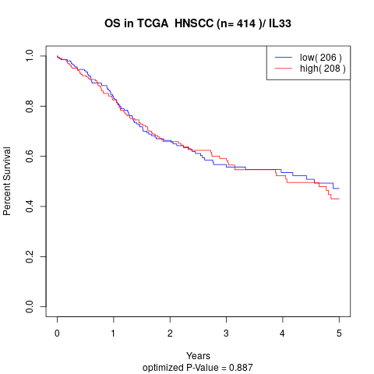

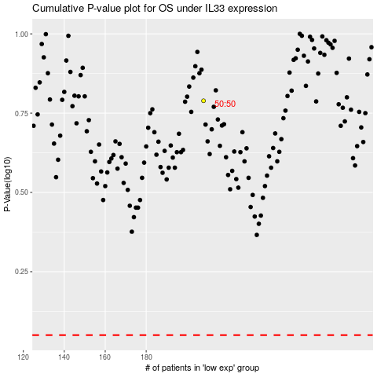

 |  |  |  |  |  | cases_OS | p_OS | rank | exp
 |  |  |  |  |  |  | cases_RFS | p_RFS | rank | exp

