IL3RA _multivariate
Reported by Tex Li-Hsing Chi. tex@gate.sinica.edu.tw 2019-08-18

Table 2. The clinicopathological features of HNSCC cohort and IL3RA expression. (Chi square test)
Cutoff at -0.529 (30.2%)
 |  | IL3RA expression |  | IL3RA expression |  | (Optimised)
 | Features | Low | (%) | High | (%) | Case no | P-value | Remark | Matthews
Gender | Female | 93 | 22.4 | 213 | 51.3 | 415 | 0.9358 | 0 | 0
2 | Male | 32 | 7.7 | 77 | 18.6
Age at diagnosis | <=65y | 81 | 19.5 | 193 | 46.5 | 415 | 0.816 | 0 | 0
4 | >65y | 44 | 10.6 | 97 | 23.4
Clinical T Status | T1+T2 | 41 | 9.9 | 108 | 26 | 415 | 0.451 | 0 | 0
6 | T3+T4 | 84 | 20.2 | 182 | 43.9
Clinical N Status | N0 | 71 | 17.1 | 145 | 34.9 | 415 | 0.244 | 0 | 0
8 | N1-3 | 54 | 13 | 145 | 34.9
Clinical M Status | M0 | 124 | 29.9 | 288 | 69.4 | 415 | 1 | 0 | 0
10 | M1 | 1 | 0.2 | 2 | 0.5
Clinical Stage | Stage I+II | 30 | 7.2 | 72 | 17.3 | 415 | 0.9558 | 0 | 0
12 | Stage III+IV | 95 | 22.9 | 218 | 52.5
Surgical Margin status | Negative | 99 | 23.9 | 219 | 52.8 | 415 | 0.4502 | 0 | 0
14 | Positive | 26 | 6.3 | 71 | 17.1
Tobacco Exposure | Low | 50 | 12 | 111 | 26.7 | 415 | 0.7432 | 0 | 0
16 | High | 75 | 18.1 | 179 | 43.1

Table 3. Univariate/Multivariate Cox's proportional hazards regression analyses on OS time of IL3RA gene expression in HNSCC

 |  | Univariate |  |  |  | Multivariate
 | Features | HR | CI95%(L) | CI95%(H) | P-value | HR | CI95%(L) | CI95%(H) | P-value
1 | Female | 1 |  |  |  | 1
Gender | Male | 1.157 | 0.843 | 1.587 | 0.367 | 1.201 | 0.861 | 1.675 | 0.282
11 | <=65y | 1 |  |  |  | 1
Age at diagnosis | >65y | 1.329 | 0.99 | 1.784 | 0.058 | 1.385 | 1.02 | 1.88 | 0.037
12 | T1+T2 | 1 |  |  |  | 1
Clinical T Status | T3+T4 | 1.409 | 1.028 | 1.931 | 0.033 | 2.197 | 1.161 | 4.156 | 0.016
13 | N0 | 1 |  |  |  | 1
Clinical N Status | N1-3 | 1.185 | 0.89 | 1.577 | 0.246 | 1.281 | 0.897 | 1.83 | 0.173
14 | M0 | 1 |  |  |  | 1
Clinical M Status | M1 | 4.097 | 1.009 | 16.644 | 0.049 | 9.642 | 2.102 | 44.227 | 0.004
15 | Stage I+II | 1 |  |  |  | 1
Clinical Stage | Stage III+IV | 1.245 | 0.882 | 1.759 | 0.213 | 0.489 | 0.228 | 1.05 | 0.067
16 | Negative | 1 |  |  |  | 1
Surgical Margin status | Positive | 1.591 | 1.155 | 2.191 | 0.004 | 1.72 | 1.243 | 2.38 | 0.001
17 | Low | 1 |  |  |  | 1
Tobacco Exposure | High | 1.364 | 1.008 | 1.844 | 0.044 | 1.448 | 1.052 | 1.993 | 0.023
18 | Low | 1 |  |  |  | 1
RNAseq(z-score) | High | 0.735 | 0.543 | 0.994 | 0.045 | 0.711 | 0.524 | 0.964 | 0.028

Table 4. Univariate/Multivariate Cox's proportional hazards regression analyses on RFS time of IL3RA gene expression in HNSCC

 |  | Univariate |  |  |  | Multivariate
 | Features | HR | CI95%(L) | CI95%(H) | P-value | HR | CI95%(L) | CI95%(H) | P-value
1 | Female | 1 |  |  |  | 1
Gender | Male | 1.157 | 0.843 | 1.587 | 0.367 | 1.201 | 0.861 | 1.675 | 0.282
11 | <=65y | 1 |  |  |  | 1
Age at diagnosis | >65y | 1.329 | 0.99 | 1.784 | 0.058 | 1.385 | 1.02 | 1.88 | 0.037
12 | T1+T2 | 1 |  |  |  | 1
Clinical T Status | T3+T4 | 1.409 | 1.028 | 1.931 | 0.033 | 2.197 | 1.161 | 4.156 | 0.016
13 | N0 | 1 |  |  |  | 1
Clinical N Status | N1-3 | 1.185 | 0.89 | 1.577 | 0.246 | 1.281 | 0.897 | 1.83 | 0.173
14 | M0 | 1 |  |  |  | 1
Clinical M Status | M1 | 4.097 | 1.009 | 16.644 | 0.049 | 9.642 | 2.102 | 44.227 | 0.004
15 | Stage I+II | 1 |  |  |  | 1
Clinical Stage | Stage III+IV | 1.245 | 0.882 | 1.759 | 0.213 | 0.489 | 0.228 | 1.05 | 0.067
16 | Negative | 1 |  |  |  | 1
Surgical Margin status | Positive | 1.591 | 1.155 | 2.191 | 0.004 | 1.72 | 1.243 | 2.38 | 0.001
17 | Low | 1 |  |  |  | 1
Tobacco Exposure | High | 1.364 | 1.008 | 1.844 | 0.044 | 1.448 | 1.052 | 1.993 | 0.023
18 | Low | 1 |  |  |  | 1
RNAseq(z-score) | High | 0.735 | 0.543 | 0.994 | 0.045 | 0.711 | 0.524 | 0.964 | 0.028

Kaplan-Meier survival estimate: Cutoff at -0.529 (30.2%)



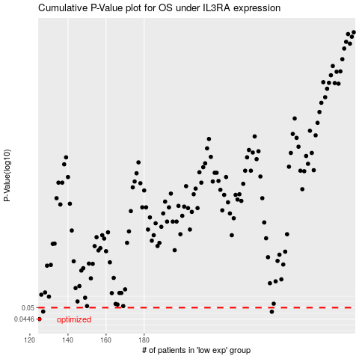

 |  |  |  |  |  | cases_OS | p_OS | rank | exp
 |  |  |  |  |  | 125 | 0.0446 | 152 | -0.5285116747
 |  |  |  |  |  | 247 | 0.048 | 393 | -0.14812729328
 |  |  |  |  |  | 127 | 0.0481 | 357 | -0.51963978893
 |  |  |  |  |  |  | cases_RFS | p_RFS | rank | exp
 |  |  |  |  |  |  |  | 0.0446 | 403 | -0.52872225892
 |  |  |  |  |  |  | 246 | 0.048 | 308 | -0.14963875923
 |  |  |  |  |  |  | 126 | 0.0481 | 87 | -0.52425440934

