IL4I1 _multivariate
Reported by Tex Li-Hsing Chi. tex@gate.sinica.edu.tw 2019-08-18

Table 2. The clinicopathological features of HNSCC cohort and IL4I1 expression. (Chi square test)
Cutoff at -0.301 (49.8%)
 |  | IL4I1 expression |  | IL4I1 expression |  | (Optimised)
 | Features | Low | (%) | High | (%) | Case no | P-value | Remark | Matthews
Gender | Female | 166 | 40 | 140 | 33.7 | 415 | 0.0041 | 1 | 0
2 | Male | 41 | 9.9 | 68 | 16.4
Age at diagnosis | <=65y | 146 | 35.2 | 128 | 30.8 | 415 | 0.0672 | 0 | 0
4 | >65y | 61 | 14.7 | 80 | 19.3
Clinical T Status | T1+T2 | 62 | 14.9 | 87 | 21 | 415 | 0.0156 | 1 | 0
6 | T3+T4 | 145 | 34.9 | 121 | 29.2
Clinical N Status | N0 | 114 | 27.5 | 102 | 24.6 | 415 | 0.2576 | 1 | 0
8 | N1-3 | 93 | 22.4 | 106 | 25.5
Clinical M Status | M0 | 206 | 49.6 | 206 | 49.6 | 415 | 1 | 0 | 0
10 | M1 | 1 | 0.2 | 2 | 0.5
Clinical Stage | Stage I+II | 44 | 10.6 | 58 | 14 | 415 | 0.1459 | 0 | 0
12 | Stage III+IV | 163 | 39.3 | 150 | 36.1
Surgical Margin status | Negative | 155 | 37.3 | 163 | 39.3 | 415 | 0.4187 | 0 | 0
14 | Positive | 52 | 12.5 | 45 | 10.8
Tobacco Exposure | Low | 78 | 18.8 | 83 | 20 | 415 | 0.6873 | 0 | 0
16 | High | 129 | 31.1 | 125 | 30.1

Table 3. Univariate/Multivariate Cox's proportional hazards regression analyses on OS time of IL4I1 gene expression in HNSCC

 |  | Univariate |  |  |  | Multivariate
 | Features | HR | CI95%(L) | CI95%(H) | P-value | HR | CI95%(L) | CI95%(H) | P-value
1 | Female | 1 |  |  |  | 1
Gender | Male | 1.157 | 0.843 | 1.587 | 0.367 | 1.205 | 0.86 | 1.687 | 0.278
11 | <=65y | 1 |  |  |  | 1
Age at diagnosis | >65y | 1.329 | 0.99 | 1.784 | 0.058 | 1.394 | 1.024 | 1.897 | 0.035
12 | T1+T2 | 1 |  |  |  | 1
Clinical T Status | T3+T4 | 1.409 | 1.028 | 1.931 | 0.033 | 2.2 | 1.163 | 4.161 | 0.015
13 | N0 | 1 |  |  |  | 1
Clinical N Status | N1-3 | 1.185 | 0.89 | 1.577 | 0.246 | 1.244 | 0.87 | 1.778 | 0.232
14 | M0 | 1 |  |  |  | 1
Clinical M Status | M1 | 4.097 | 1.009 | 16.644 | 0.049 | 9.423 | 2.055 | 43.205 | 0.004
15 | Stage I+II | 1 |  |  |  | 1
Clinical Stage | Stage III+IV | 1.245 | 0.882 | 1.759 | 0.213 | 0.504 | 0.235 | 1.082 | 0.079
16 | Negative | 1 |  |  |  | 1
Surgical Margin status | Positive | 1.591 | 1.155 | 2.191 | 0.004 | 1.672 | 1.21 | 2.311 | 0.002
17 | Low | 1 |  |  |  | 1
Tobacco Exposure | High | 1.364 | 1.008 | 1.844 | 0.044 | 1.453 | 1.054 | 2.002 | 0.022
18 | Low | 1 |  |  |  | 1
RNAseq(z-score) | High | 1.019 | 0.765 | 1.357 | 0.898 | 0.982 | 0.732 | 1.317 | 0.902

Table 4. Univariate/Multivariate Cox's proportional hazards regression analyses on RFS time of IL4I1 gene expression in HNSCC

 |  | Univariate |  |  |  | Multivariate
 | Features | HR | CI95%(L) | CI95%(H) | P-value | HR | CI95%(L) | CI95%(H) | P-value
1 | Female | 1 |  |  |  | 1
Gender | Male | 1.157 | 0.843 | 1.587 | 0.367 | 1.205 | 0.86 | 1.687 | 0.278
11 | <=65y | 1 |  |  |  | 1
Age at diagnosis | >65y | 1.329 | 0.99 | 1.784 | 0.058 | 1.394 | 1.024 | 1.897 | 0.035
12 | T1+T2 | 1 |  |  |  | 1
Clinical T Status | T3+T4 | 1.409 | 1.028 | 1.931 | 0.033 | 2.2 | 1.163 | 4.161 | 0.015
13 | N0 | 1 |  |  |  | 1
Clinical N Status | N1-3 | 1.185 | 0.89 | 1.577 | 0.246 | 1.244 | 0.87 | 1.778 | 0.232
14 | M0 | 1 |  |  |  | 1
Clinical M Status | M1 | 4.097 | 1.009 | 16.644 | 0.049 | 9.423 | 2.055 | 43.205 | 0.004
15 | Stage I+II | 1 |  |  |  | 1
Clinical Stage | Stage III+IV | 1.245 | 0.882 | 1.759 | 0.213 | 0.504 | 0.235 | 1.082 | 0.079
16 | Negative | 1 |  |  |  | 1
Surgical Margin status | Positive | 1.591 | 1.155 | 2.191 | 0.004 | 1.672 | 1.21 | 2.311 | 0.002
17 | Low | 1 |  |  |  | 1
Tobacco Exposure | High | 1.364 | 1.008 | 1.844 | 0.044 | 1.453 | 1.054 | 2.002 | 0.022
18 | Low | 1 |  |  |  | 1
RNAseq(z-score) | High | 1.019 | 0.765 | 1.357 | 0.898 | 0.982 | 0.732 | 1.317 | 0.902

Kaplan-Meier survival estimate: Cutoff at -0.301 (49.8%)



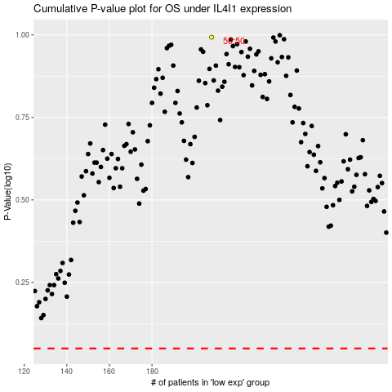

 |  |  |  |  |  | cases_OS | p_OS | rank | exp
 |  |  |  |  |  |  | cases_RFS | p_RFS | rank | exp

