IL5RA _multivariate
Reported by Tex Li-Hsing Chi. tex@gate.sinica.edu.tw 2019-08-18

Table 2. The clinicopathological features of HNSCC cohort and IL5RA expression. (Chi square test)
Cutoff at -0.251 (50.0%)
 |  | IL5RA expression |  | IL5RA expression |  | (Optimised)
 | Features | Low | (%) | High | (%) | Case no | P-value | Remark | Matthews
Gender | Female | 161 | 38.8 | 145 | 34.9 | 415 | 0.0792 | 0 | 0
2 | Male | 46 | 11.1 | 63 | 15.2
Age at diagnosis | <=65y | 138 | 33.3 | 136 | 32.8 | 415 | 0.8634 | 0 | 0
4 | >65y | 69 | 16.6 | 72 | 17.3
Clinical T Status | T1+T2 | 75 | 18.1 | 74 | 17.8 | 415 | 0.9707 | 0 | 0
6 | T3+T4 | 132 | 31.8 | 134 | 32.3
Clinical N Status | N0 | 106 | 25.5 | 110 | 26.5 | 415 | 0.8075 | 0 | 0
8 | N1-3 | 101 | 24.3 | 98 | 23.6
Clinical M Status | M0 | 205 | 49.4 | 207 | 49.9 | 415 | 0.6232 | 0 | 0
10 | M1 | 2 | 0.5 | 1 | 0.2
Clinical Stage | Stage I+II | 53 | 12.8 | 49 | 11.8 | 415 | 0.7113 | 0 | 0
12 | Stage III+IV | 154 | 37.1 | 159 | 38.3
Surgical Margin status | Negative | 159 | 38.3 | 159 | 38.3 | 415 | 1 | 0 | 0
14 | Positive | 48 | 11.6 | 49 | 11.8
Tobacco Exposure | Low | 80 | 19.3 | 81 | 19.5 | 415 | 1 | 0 | 0
16 | High | 127 | 30.6 | 127 | 30.6

Table 3. Univariate/Multivariate Cox's proportional hazards regression analyses on OS time of IL5RA gene expression in HNSCC

 |  | Univariate |  |  |  | Multivariate
 | Features | HR | CI95%(L) | CI95%(H) | P-value | HR | CI95%(L) | CI95%(H) | P-value
1 | Female | 1 |  |  |  | 1
Gender | Male | 1.157 | 0.843 | 1.587 | 0.367 | 1.234 | 0.881 | 1.728 | 0.221
11 | <=65y | 1 |  |  |  | 1
Age at diagnosis | >65y | 1.329 | 0.99 | 1.784 | 0.058 | 1.373 | 1.011 | 1.867 | 0.043
12 | T1+T2 | 1 |  |  |  | 1
Clinical T Status | T3+T4 | 1.409 | 1.028 | 1.931 | 0.033 | 2.196 | 1.161 | 4.153 | 0.016
13 | N0 | 1 |  |  |  | 1
Clinical N Status | N1-3 | 1.185 | 0.89 | 1.577 | 0.246 | 1.21 | 0.847 | 1.729 | 0.295
14 | M0 | 1 |  |  |  | 1
Clinical M Status | M1 | 4.097 | 1.009 | 16.644 | 0.049 | 9.358 | 2.041 | 42.914 | 0.004
15 | Stage I+II | 1 |  |  |  | 1
Clinical Stage | Stage III+IV | 1.245 | 0.882 | 1.759 | 0.213 | 0.516 | 0.24 | 1.108 | 0.09
16 | Negative | 1 |  |  |  | 1
Surgical Margin status | Positive | 1.591 | 1.155 | 2.191 | 0.004 | 1.723 | 1.242 | 2.388 | 0.001
17 | Low | 1 |  |  |  | 1
Tobacco Exposure | High | 1.364 | 1.008 | 1.844 | 0.044 | 1.458 | 1.058 | 2.009 | 0.021
18 | Low | 1 |  |  |  | 1
RNAseq(z-score) | High | 0.855 | 0.642 | 1.14 | 0.286 | 0.809 | 0.604 | 1.084 | 0.156

Table 4. Univariate/Multivariate Cox's proportional hazards regression analyses on RFS time of IL5RA gene expression in HNSCC

 |  | Univariate |  |  |  | Multivariate
 | Features | HR | CI95%(L) | CI95%(H) | P-value | HR | CI95%(L) | CI95%(H) | P-value
1 | Female | 1 |  |  |  | 1
Gender | Male | 1.157 | 0.843 | 1.587 | 0.367 | 1.234 | 0.881 | 1.728 | 0.221
11 | <=65y | 1 |  |  |  | 1
Age at diagnosis | >65y | 1.329 | 0.99 | 1.784 | 0.058 | 1.373 | 1.011 | 1.867 | 0.043
12 | T1+T2 | 1 |  |  |  | 1
Clinical T Status | T3+T4 | 1.409 | 1.028 | 1.931 | 0.033 | 2.196 | 1.161 | 4.153 | 0.016
13 | N0 | 1 |  |  |  | 1
Clinical N Status | N1-3 | 1.185 | 0.89 | 1.577 | 0.246 | 1.21 | 0.847 | 1.729 | 0.295
14 | M0 | 1 |  |  |  | 1
Clinical M Status | M1 | 4.097 | 1.009 | 16.644 | 0.049 | 9.358 | 2.041 | 42.914 | 0.004
15 | Stage I+II | 1 |  |  |  | 1
Clinical Stage | Stage III+IV | 1.245 | 0.882 | 1.759 | 0.213 | 0.516 | 0.24 | 1.108 | 0.09
16 | Negative | 1 |  |  |  | 1
Surgical Margin status | Positive | 1.591 | 1.155 | 2.191 | 0.004 | 1.723 | 1.242 | 2.388 | 0.001
17 | Low | 1 |  |  |  | 1
Tobacco Exposure | High | 1.364 | 1.008 | 1.844 | 0.044 | 1.458 | 1.058 | 2.009 | 0.021
18 | Low | 1 |  |  |  | 1
RNAseq(z-score) | High | 0.855 | 0.642 | 1.14 | 0.286 | 0.809 | 0.604 | 1.084 | 0.156

Kaplan-Meier survival estimate: Cutoff at -0.251 (50.0%)



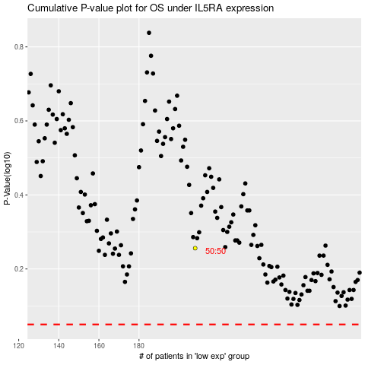

 |  |  |  |  |  | cases_OS | p_OS | rank | exp
 |  |  |  |  |  |  | cases_RFS | p_RFS | rank | exp

