IL6ST _multivariate
Reported by Tex Li-Hsing Chi. tex@gate.sinica.edu.tw 2019-08-18

Table 2. The clinicopathological features of HNSCC cohort and IL6ST expression. (Chi square test)
Cutoff at -0.262 (49.8%)
 |  | IL6ST expression |  | IL6ST expression |  | (Optimised)
 | Features | Low | (%) | High | (%) | Case no | P-value | Remark | Matthews
Gender | Female | 158 | 38.1 | 148 | 35.7 | 415 | 0.2774 | 0 | 0
2 | Male | 49 | 11.8 | 60 | 14.5
Age at diagnosis | <=65y | 137 | 33 | 137 | 33 | 415 | 1 | 0 | 0
4 | >65y | 70 | 16.9 | 71 | 17.1
Clinical T Status | T1+T2 | 66 | 15.9 | 83 | 20 | 415 | 0.1095 | 0 | 0
6 | T3+T4 | 141 | 34 | 125 | 30.1
Clinical N Status | N0 | 111 | 26.7 | 105 | 25.3 | 415 | 0.5875 | 0 | 0
8 | N1-3 | 96 | 23.1 | 103 | 24.8
Clinical M Status | M0 | 204 | 49.2 | 208 | 50.1 | 415 | 0.1232 | 0 | 0
10 | M1 | 3 | 0.7 | 0 | 0
Clinical Stage | Stage I+II | 44 | 10.6 | 58 | 14 | 415 | 0.1459 | 0 | 0
12 | Stage III+IV | 163 | 39.3 | 150 | 36.1
Surgical Margin status | Negative | 155 | 37.3 | 163 | 39.3 | 415 | 0.4187 | 0 | 0
14 | Positive | 52 | 12.5 | 45 | 10.8
Tobacco Exposure | Low | 80 | 19.3 | 81 | 19.5 | 415 | 1 | 0 | 0
16 | High | 127 | 30.6 | 127 | 30.6

Table 3. Univariate/Multivariate Cox's proportional hazards regression analyses on OS time of IL6ST gene expression in HNSCC

 |  | Univariate |  |  |  | Multivariate
 | Features | HR | CI95%(L) | CI95%(H) | P-value | HR | CI95%(L) | CI95%(H) | P-value
1 | Female | 1 |  |  |  | 1
Gender | Male | 1.157 | 0.843 | 1.587 | 0.367 | 1.2 | 0.859 | 1.677 | 0.285
11 | <=65y | 1 |  |  |  | 1
Age at diagnosis | >65y | 1.329 | 0.99 | 1.784 | 0.058 | 1.397 | 1.027 | 1.9 | 0.033
12 | T1+T2 | 1 |  |  |  | 1
Clinical T Status | T3+T4 | 1.409 | 1.028 | 1.931 | 0.033 | 2.192 | 1.159 | 4.147 | 0.016
13 | N0 | 1 |  |  |  | 1
Clinical N Status | N1-3 | 1.185 | 0.89 | 1.577 | 0.246 | 1.248 | 0.873 | 1.784 | 0.223
14 | M0 | 1 |  |  |  | 1
Clinical M Status | M1 | 4.097 | 1.009 | 16.644 | 0.049 | 9.118 | 1.969 | 42.231 | 0.005
15 | Stage I+II | 1 |  |  |  | 1
Clinical Stage | Stage III+IV | 1.245 | 0.882 | 1.759 | 0.213 | 0.502 | 0.234 | 1.079 | 0.077
16 | Negative | 1 |  |  |  | 1
Surgical Margin status | Positive | 1.591 | 1.155 | 2.191 | 0.004 | 1.659 | 1.198 | 2.299 | 0.002
17 | Low | 1 |  |  |  | 1
Tobacco Exposure | High | 1.364 | 1.008 | 1.844 | 0.044 | 1.449 | 1.051 | 1.997 | 0.024
18 | Low | 1 |  |  |  | 1
RNAseq(z-score) | High | 0.878 | 0.659 | 1.169 | 0.373 | 0.95 | 0.707 | 1.276 | 0.734

Table 4. Univariate/Multivariate Cox's proportional hazards regression analyses on RFS time of IL6ST gene expression in HNSCC

 |  | Univariate |  |  |  | Multivariate
 | Features | HR | CI95%(L) | CI95%(H) | P-value | HR | CI95%(L) | CI95%(H) | P-value
1 | Female | 1 |  |  |  | 1
Gender | Male | 1.157 | 0.843 | 1.587 | 0.367 | 1.2 | 0.859 | 1.677 | 0.285
11 | <=65y | 1 |  |  |  | 1
Age at diagnosis | >65y | 1.329 | 0.99 | 1.784 | 0.058 | 1.397 | 1.027 | 1.9 | 0.033
12 | T1+T2 | 1 |  |  |  | 1
Clinical T Status | T3+T4 | 1.409 | 1.028 | 1.931 | 0.033 | 2.192 | 1.159 | 4.147 | 0.016
13 | N0 | 1 |  |  |  | 1
Clinical N Status | N1-3 | 1.185 | 0.89 | 1.577 | 0.246 | 1.248 | 0.873 | 1.784 | 0.223
14 | M0 | 1 |  |  |  | 1
Clinical M Status | M1 | 4.097 | 1.009 | 16.644 | 0.049 | 9.118 | 1.969 | 42.231 | 0.005
15 | Stage I+II | 1 |  |  |  | 1
Clinical Stage | Stage III+IV | 1.245 | 0.882 | 1.759 | 0.213 | 0.502 | 0.234 | 1.079 | 0.077
16 | Negative | 1 |  |  |  | 1
Surgical Margin status | Positive | 1.591 | 1.155 | 2.191 | 0.004 | 1.659 | 1.198 | 2.299 | 0.002
17 | Low | 1 |  |  |  | 1
Tobacco Exposure | High | 1.364 | 1.008 | 1.844 | 0.044 | 1.449 | 1.051 | 1.997 | 0.024
18 | Low | 1 |  |  |  | 1
RNAseq(z-score) | High | 0.878 | 0.659 | 1.169 | 0.373 | 0.95 | 0.707 | 1.276 | 0.734

Kaplan-Meier survival estimate: Cutoff at -0.262 (49.8%)



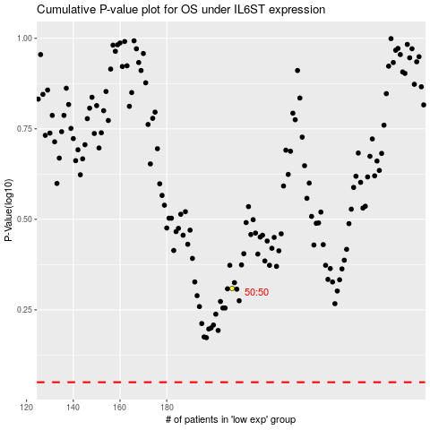

 |  |  |  |  |  | cases_OS | p_OS | rank | exp
 |  |  |  |  |  |  | cases_RFS | p_RFS | rank | exp

