IL8 _multivariate
Reported by Tex Li-Hsing Chi. tex@gate.sinica.edu.tw 2019-08-18

Table 2. The clinicopathological features of HNSCC cohort and IL8 expression. (Chi square test)
Cutoff at -0.188 (50.0%)
 |  | IL8 expression |  | IL8 expression |  | (Optimised)
 | Features | Low | (%) | High | (%) | Case no | P-value | Remark | Matthews
Gender | Female | 153 | 36.9 | 153 | 36.9 | 415 | 1 | 0 | 0
2 | Male | 54 | 13 | 55 | 13.3
Age at diagnosis | <=65y | 136 | 32.8 | 138 | 33.3 | 415 | 0.9719 | 0 | 0
4 | >65y | 71 | 17.1 | 70 | 16.9
Clinical T Status | T1+T2 | 83 | 20 | 66 | 15.9 | 415 | 0.0941 | 0 | 0
6 | T3+T4 | 124 | 29.9 | 142 | 34.2
Clinical N Status | N0 | 109 | 26.3 | 107 | 25.8 | 415 | 0.8812 | 0 | 0
8 | N1-3 | 98 | 23.6 | 101 | 24.3
Clinical M Status | M0 | 206 | 49.6 | 206 | 49.6 | 415 | 1 | 0 | 0
10 | M1 | 1 | 0.2 | 2 | 0.5
Clinical Stage | Stage I+II | 54 | 13 | 48 | 11.6 | 415 | 0.5498 | 0 | 0
12 | Stage III+IV | 153 | 36.9 | 160 | 38.6
Surgical Margin status | Negative | 157 | 37.8 | 161 | 38.8 | 415 | 0.729 | 0 | 0
14 | Positive | 50 | 12 | 47 | 11.3
Tobacco Exposure | Low | 87 | 21 | 74 | 17.8 | 415 | 0.1911 | 0 | 0
16 | High | 120 | 28.9 | 134 | 32.3

Table 3. Univariate/Multivariate Cox's proportional hazards regression analyses on OS time of IL8 gene expression in HNSCC

 |  | Univariate |  |  |  | Multivariate
 | Features | HR | CI95%(L) | CI95%(H) | P-value | HR | CI95%(L) | CI95%(H) | P-value
1 | Female | 1 |  |  |  | 1
Gender | Male | 1.157 | 0.843 | 1.587 | 0.367 | 1.205 | 0.863 | 1.683 | 0.274
11 | <=65y | 1 |  |  |  | 1
Age at diagnosis | >65y | 1.329 | 0.99 | 1.784 | 0.058 | 1.392 | 1.023 | 1.893 | 0.035
12 | T1+T2 | 1 |  |  |  | 1
Clinical T Status | T3+T4 | 1.409 | 1.028 | 1.931 | 0.033 | 2.219 | 1.172 | 4.199 | 0.014
13 | N0 | 1 |  |  |  | 1
Clinical N Status | N1-3 | 1.185 | 0.89 | 1.577 | 0.246 | 1.241 | 0.87 | 1.771 | 0.234
14 | M0 | 1 |  |  |  | 1
Clinical M Status | M1 | 4.097 | 1.009 | 16.644 | 0.049 | 9.547 | 2.08 | 43.813 | 0.004
15 | Stage I+II | 1 |  |  |  | 1
Clinical Stage | Stage III+IV | 1.245 | 0.882 | 1.759 | 0.213 | 0.498 | 0.232 | 1.07 | 0.074
16 | Negative | 1 |  |  |  | 1
Surgical Margin status | Positive | 1.591 | 1.155 | 2.191 | 0.004 | 1.671 | 1.209 | 2.309 | 0.002
17 | Low | 1 |  |  |  | 1
Tobacco Exposure | High | 1.364 | 1.008 | 1.844 | 0.044 | 1.462 | 1.06 | 2.016 | 0.021
18 | Low | 1 |  |  |  | 1
RNAseq(z-score) | High | 0.939 | 0.704 | 1.253 | 0.668 | 0.925 | 0.692 | 1.237 | 0.601

Table 4. Univariate/Multivariate Cox's proportional hazards regression analyses on RFS time of IL8 gene expression in HNSCC

 |  | Univariate |  |  |  | Multivariate
 | Features | HR | CI95%(L) | CI95%(H) | P-value | HR | CI95%(L) | CI95%(H) | P-value
1 | Female | 1 |  |  |  | 1
Gender | Male | 1.157 | 0.843 | 1.587 | 0.367 | 1.205 | 0.863 | 1.683 | 0.274
11 | <=65y | 1 |  |  |  | 1
Age at diagnosis | >65y | 1.329 | 0.99 | 1.784 | 0.058 | 1.392 | 1.023 | 1.893 | 0.035
12 | T1+T2 | 1 |  |  |  | 1
Clinical T Status | T3+T4 | 1.409 | 1.028 | 1.931 | 0.033 | 2.219 | 1.172 | 4.199 | 0.014
13 | N0 | 1 |  |  |  | 1
Clinical N Status | N1-3 | 1.185 | 0.89 | 1.577 | 0.246 | 1.241 | 0.87 | 1.771 | 0.234
14 | M0 | 1 |  |  |  | 1
Clinical M Status | M1 | 4.097 | 1.009 | 16.644 | 0.049 | 9.547 | 2.08 | 43.813 | 0.004
15 | Stage I+II | 1 |  |  |  | 1
Clinical Stage | Stage III+IV | 1.245 | 0.882 | 1.759 | 0.213 | 0.498 | 0.232 | 1.07 | 0.074
16 | Negative | 1 |  |  |  | 1
Surgical Margin status | Positive | 1.591 | 1.155 | 2.191 | 0.004 | 1.671 | 1.209 | 2.309 | 0.002
17 | Low | 1 |  |  |  | 1
Tobacco Exposure | High | 1.364 | 1.008 | 1.844 | 0.044 | 1.462 | 1.06 | 2.016 | 0.021
18 | Low | 1 |  |  |  | 1
RNAseq(z-score) | High | 0.939 | 0.704 | 1.253 | 0.668 | 0.925 | 0.692 | 1.237 | 0.601

Kaplan-Meier survival estimate: Cutoff at -0.188 (50.0%)

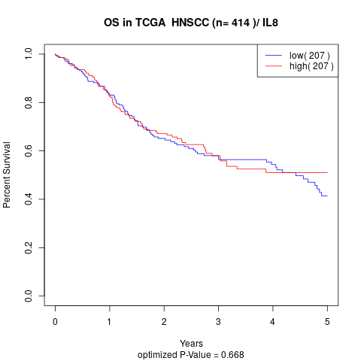

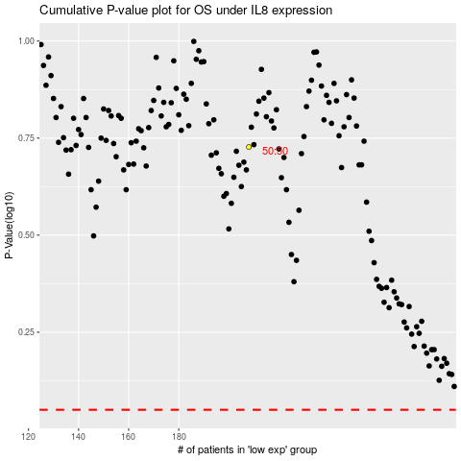

 |  |  |  |  |  | cases_OS | p_OS | rank | exp
 |  |  |  |  |  |  | cases_RFS | p_RFS | rank | exp

