ILF2 _multivariate
Reported by Tex Li-Hsing Chi. tex@gate.sinica.edu.tw 2019-08-18

Table 2. The clinicopathological features of HNSCC cohort and ILF2 expression. (Chi square test)
Cutoff at -0.207 (49.8%)
 |  | ILF2 expression |  | ILF2 expression |  | (Optimised)
 | Features | Low | (%) | High | (%) | Case no | P-value | Remark | Matthews
Gender | Female | 142 | 34.2 | 164 | 39.5 | 415 | 0.0238 | 1 | 0
2 | Male | 65 | 15.7 | 44 | 10.6
Age at diagnosis | <=65y | 128 | 30.8 | 146 | 35.2 | 415 | 0.0904 | 0 | 0
4 | >65y | 79 | 19 | 62 | 14.9
Clinical T Status | T1+T2 | 86 | 20.7 | 63 | 15.2 | 415 | 0.0221 | 1 | 0
6 | T3+T4 | 121 | 29.2 | 145 | 34.9
Clinical N Status | N0 | 118 | 28.4 | 98 | 23.6 | 415 | 0.0551 | 1 | 0
8 | N1-3 | 89 | 21.4 | 110 | 26.5
Clinical M Status | M0 | 206 | 49.6 | 206 | 49.6 | 415 | 1 | 0 | 0
10 | M1 | 1 | 0.2 | 2 | 0.5
Clinical Stage | Stage I+II | 66 | 15.9 | 36 | 8.7 | 415 | 9e-04 | 1 | 0
12 | Stage III+IV | 141 | 34 | 172 | 41.4
Surgical Margin status | Negative | 167 | 40.2 | 151 | 36.4 | 415 | 0.0632 | 0 | 0
14 | Positive | 40 | 9.6 | 57 | 13.7
Tobacco Exposure | Low | 106 | 25.5 | 55 | 13.3 | 415 | 0 | 1 | 0
16 | High | 101 | 24.3 | 153 | 36.9

Table 3. Univariate/Multivariate Cox's proportional hazards regression analyses on OS time of ILF2 gene expression in HNSCC

 |  | Univariate |  |  |  | Multivariate
 | Features | HR | CI95%(L) | CI95%(H) | P-value | HR | CI95%(L) | CI95%(H) | P-value
1 | Female | 1 |  |  |  | 1
Gender | Male | 1.157 | 0.843 | 1.587 | 0.367 | 1.2 | 0.859 | 1.677 | 0.285
11 | <=65y | 1 |  |  |  | 1
Age at diagnosis | >65y | 1.329 | 0.99 | 1.784 | 0.058 | 1.383 | 1.016 | 1.881 | 0.039
12 | T1+T2 | 1 |  |  |  | 1
Clinical T Status | T3+T4 | 1.409 | 1.028 | 1.931 | 0.033 | 2.212 | 1.17 | 4.184 | 0.015
13 | N0 | 1 |  |  |  | 1
Clinical N Status | N1-3 | 1.185 | 0.89 | 1.577 | 0.246 | 1.239 | 0.868 | 1.767 | 0.238
14 | M0 | 1 |  |  |  | 1
Clinical M Status | M1 | 4.097 | 1.009 | 16.644 | 0.049 | 9.711 | 2.112 | 44.655 | 0.003
15 | Stage I+II | 1 |  |  |  | 1
Clinical Stage | Stage III+IV | 1.245 | 0.882 | 1.759 | 0.213 | 0.51 | 0.238 | 1.097 | 0.085
16 | Negative | 1 |  |  |  | 1
Surgical Margin status | Positive | 1.591 | 1.155 | 2.191 | 0.004 | 1.701 | 1.225 | 2.361 | 0.001
17 | Low | 1 |  |  |  | 1
Tobacco Exposure | High | 1.364 | 1.008 | 1.844 | 0.044 | 1.495 | 1.072 | 2.084 | 0.018
18 | Low | 1 |  |  |  | 1
RNAseq(z-score) | High | 1.072 | 0.804 | 1.43 | 0.634 | 0.904 | 0.664 | 1.231 | 0.522

Table 4. Univariate/Multivariate Cox's proportional hazards regression analyses on RFS time of ILF2 gene expression in HNSCC

 |  | Univariate |  |  |  | Multivariate
 | Features | HR | CI95%(L) | CI95%(H) | P-value | HR | CI95%(L) | CI95%(H) | P-value
1 | Female | 1 |  |  |  | 1
Gender | Male | 1.157 | 0.843 | 1.587 | 0.367 | 1.2 | 0.859 | 1.677 | 0.285
11 | <=65y | 1 |  |  |  | 1
Age at diagnosis | >65y | 1.329 | 0.99 | 1.784 | 0.058 | 1.383 | 1.016 | 1.881 | 0.039
12 | T1+T2 | 1 |  |  |  | 1
Clinical T Status | T3+T4 | 1.409 | 1.028 | 1.931 | 0.033 | 2.212 | 1.17 | 4.184 | 0.015
13 | N0 | 1 |  |  |  | 1
Clinical N Status | N1-3 | 1.185 | 0.89 | 1.577 | 0.246 | 1.239 | 0.868 | 1.767 | 0.238
14 | M0 | 1 |  |  |  | 1
Clinical M Status | M1 | 4.097 | 1.009 | 16.644 | 0.049 | 9.711 | 2.112 | 44.655 | 0.003
15 | Stage I+II | 1 |  |  |  | 1
Clinical Stage | Stage III+IV | 1.245 | 0.882 | 1.759 | 0.213 | 0.51 | 0.238 | 1.097 | 0.085
16 | Negative | 1 |  |  |  | 1
Surgical Margin status | Positive | 1.591 | 1.155 | 2.191 | 0.004 | 1.701 | 1.225 | 2.361 | 0.001
17 | Low | 1 |  |  |  | 1
Tobacco Exposure | High | 1.364 | 1.008 | 1.844 | 0.044 | 1.495 | 1.072 | 2.084 | 0.018
18 | Low | 1 |  |  |  | 1
RNAseq(z-score) | High | 1.072 | 0.804 | 1.43 | 0.634 | 0.904 | 0.664 | 1.231 | 0.522

Kaplan-Meier survival estimate: Cutoff at -0.207 (49.8%)



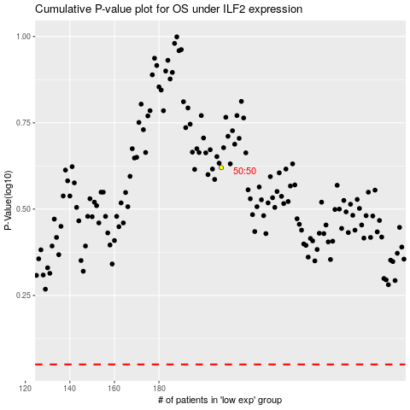

 |  |  |  |  |  | cases_OS | p_OS | rank | exp
 |  |  |  |  |  |  | cases_RFS | p_RFS | rank | exp

