ILK _multivariate
Reported by Tex Li-Hsing Chi. tex@gate.sinica.edu.tw 2019-08-18

Table 2. The clinicopathological features of HNSCC cohort and ILK expression. (Chi square test)
Cutoff at -0.119 (49.8%)
 |  | ILK expression |  | ILK expression |  | (Optimised)
 | Features | Low | (%) | High | (%) | Case no | P-value | Remark | Matthews
Gender | Female | 150 | 36.1 | 156 | 37.6 | 415 | 0.6344 | 0 | 0
2 | Male | 57 | 13.7 | 52 | 12.5
Age at diagnosis | <=65y | 137 | 33 | 137 | 33 | 415 | 1 | 0 | 0
4 | >65y | 70 | 16.9 | 71 | 17.1
Clinical T Status | T1+T2 | 68 | 16.4 | 81 | 19.5 | 415 | 0.2336 | 0 | 0
6 | T3+T4 | 139 | 33.5 | 127 | 30.6
Clinical N Status | N0 | 111 | 26.7 | 105 | 25.3 | 415 | 0.5875 | 0 | 0
8 | N1-3 | 96 | 23.1 | 103 | 24.8
Clinical M Status | M0 | 206 | 49.6 | 206 | 49.6 | 415 | 1 | 0 | 0
10 | M1 | 1 | 0.2 | 2 | 0.5
Clinical Stage | Stage I+II | 46 | 11.1 | 56 | 13.5 | 415 | 0.3182 | 0 | 0
12 | Stage III+IV | 161 | 38.8 | 152 | 36.6
Surgical Margin status | Negative | 157 | 37.8 | 161 | 38.8 | 415 | 0.729 | 0 | 0
14 | Positive | 50 | 12 | 47 | 11.3
Tobacco Exposure | Low | 70 | 16.9 | 91 | 21.9 | 415 | 0.0439 | 1 | 0
16 | High | 137 | 33 | 117 | 28.2

Table 3. Univariate/Multivariate Cox's proportional hazards regression analyses on OS time of ILK gene expression in HNSCC

 |  | Univariate |  |  |  | Multivariate
 | Features | HR | CI95%(L) | CI95%(H) | P-value | HR | CI95%(L) | CI95%(H) | P-value
1 | Female | 1 |  |  |  | 1
Gender | Male | 1.157 | 0.843 | 1.587 | 0.367 | 1.191 | 0.852 | 1.666 | 0.306
11 | <=65y | 1 |  |  |  | 1
Age at diagnosis | >65y | 1.329 | 0.99 | 1.784 | 0.058 | 1.4 | 1.03 | 1.904 | 0.032
12 | T1+T2 | 1 |  |  |  | 1
Clinical T Status | T3+T4 | 1.409 | 1.028 | 1.931 | 0.033 | 2.192 | 1.159 | 4.145 | 0.016
13 | N0 | 1 |  |  |  | 1
Clinical N Status | N1-3 | 1.185 | 0.89 | 1.577 | 0.246 | 1.22 | 0.854 | 1.742 | 0.275
14 | M0 | 1 |  |  |  | 1
Clinical M Status | M1 | 4.097 | 1.009 | 16.644 | 0.049 | 8.93 | 1.943 | 41.037 | 0.005
15 | Stage I+II | 1 |  |  |  | 1
Clinical Stage | Stage III+IV | 1.245 | 0.882 | 1.759 | 0.213 | 0.522 | 0.242 | 1.123 | 0.096
16 | Negative | 1 |  |  |  | 1
Surgical Margin status | Positive | 1.591 | 1.155 | 2.191 | 0.004 | 1.666 | 1.206 | 2.302 | 0.002
17 | Low | 1 |  |  |  | 1
Tobacco Exposure | High | 1.364 | 1.008 | 1.844 | 0.044 | 1.476 | 1.07 | 2.037 | 0.018
18 | Low | 1 |  |  |  | 1
RNAseq(z-score) | High | 1.158 | 0.868 | 1.544 | 0.318 | 1.184 | 0.883 | 1.586 | 0.259

Table 4. Univariate/Multivariate Cox's proportional hazards regression analyses on RFS time of ILK gene expression in HNSCC

 |  | Univariate |  |  |  | Multivariate
 | Features | HR | CI95%(L) | CI95%(H) | P-value | HR | CI95%(L) | CI95%(H) | P-value
1 | Female | 1 |  |  |  | 1
Gender | Male | 1.157 | 0.843 | 1.587 | 0.367 | 1.191 | 0.852 | 1.666 | 0.306
11 | <=65y | 1 |  |  |  | 1
Age at diagnosis | >65y | 1.329 | 0.99 | 1.784 | 0.058 | 1.4 | 1.03 | 1.904 | 0.032
12 | T1+T2 | 1 |  |  |  | 1
Clinical T Status | T3+T4 | 1.409 | 1.028 | 1.931 | 0.033 | 2.192 | 1.159 | 4.145 | 0.016
13 | N0 | 1 |  |  |  | 1
Clinical N Status | N1-3 | 1.185 | 0.89 | 1.577 | 0.246 | 1.22 | 0.854 | 1.742 | 0.275
14 | M0 | 1 |  |  |  | 1
Clinical M Status | M1 | 4.097 | 1.009 | 16.644 | 0.049 | 8.93 | 1.943 | 41.037 | 0.005
15 | Stage I+II | 1 |  |  |  | 1
Clinical Stage | Stage III+IV | 1.245 | 0.882 | 1.759 | 0.213 | 0.522 | 0.242 | 1.123 | 0.096
16 | Negative | 1 |  |  |  | 1
Surgical Margin status | Positive | 1.591 | 1.155 | 2.191 | 0.004 | 1.666 | 1.206 | 2.302 | 0.002
17 | Low | 1 |  |  |  | 1
Tobacco Exposure | High | 1.364 | 1.008 | 1.844 | 0.044 | 1.476 | 1.07 | 2.037 | 0.018
18 | Low | 1 |  |  |  | 1
RNAseq(z-score) | High | 1.158 | 0.868 | 1.544 | 0.318 | 1.184 | 0.883 | 1.586 | 0.259

Kaplan-Meier survival estimate: Cutoff at -0.119 (49.8%)



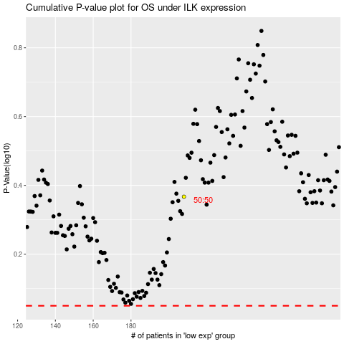

 |  |  |  |  |  | cases_OS | p_OS | rank | exp
 |  |  |  |  |  |  | cases_RFS | p_RFS | rank | exp

