ILKAP _multivariate
Reported by Tex Li-Hsing Chi. tex@gate.sinica.edu.tw 2019-08-18

Table 2. The clinicopathological features of HNSCC cohort and ILKAP expression. (Chi square test)
Cutoff at -0.223 (50.0%)
 |  | ILKAP expression |  | ILKAP expression |  | (Optimised)
 | Features | Low | (%) | High | (%) | Case no | P-value | Remark | Matthews
Gender | Female | 149 | 35.9 | 157 | 37.8 | 415 | 0.4848 | 0 | 0
2 | Male | 58 | 14 | 51 | 12.3
Age at diagnosis | <=65y | 135 | 32.5 | 139 | 33.5 | 415 | 0.8084 | 0 | 0
4 | >65y | 72 | 17.3 | 69 | 16.6
Clinical T Status | T1+T2 | 78 | 18.8 | 71 | 17.1 | 415 | 0.5152 | 0 | 0
6 | T3+T4 | 129 | 31.1 | 137 | 33
Clinical N Status | N0 | 112 | 27 | 104 | 25.1 | 415 | 0.4599 | 0 | 0
8 | N1-3 | 95 | 22.9 | 104 | 25.1
Clinical M Status | M0 | 207 | 49.9 | 205 | 49.4 | 415 | 0.2482 | 0 | 0
10 | M1 | 0 | 0 | 3 | 0.7
Clinical Stage | Stage I+II | 59 | 14.2 | 43 | 10.4 | 415 | 0.0822 | 0 | 0
12 | Stage III+IV | 148 | 35.7 | 165 | 39.8
Surgical Margin status | Negative | 166 | 40 | 152 | 36.6 | 415 | 0.1042 | 0 | 0
14 | Positive | 41 | 9.9 | 56 | 13.5
Tobacco Exposure | Low | 86 | 20.7 | 75 | 18.1 | 415 | 0.2687 | 0 | 0
16 | High | 121 | 29.2 | 133 | 32

Table 3. Univariate/Multivariate Cox's proportional hazards regression analyses on OS time of ILKAP gene expression in HNSCC

 |  | Univariate |  |  |  | Multivariate
 | Features | HR | CI95%(L) | CI95%(H) | P-value | HR | CI95%(L) | CI95%(H) | P-value
1 | Female | 1 |  |  |  | 1
Gender | Male | 1.157 | 0.843 | 1.587 | 0.367 | 1.203 | 0.862 | 1.68 | 0.277
11 | <=65y | 1 |  |  |  | 1
Age at diagnosis | >65y | 1.329 | 0.99 | 1.784 | 0.058 | 1.412 | 1.037 | 1.923 | 0.028
12 | T1+T2 | 1 |  |  |  | 1
Clinical T Status | T3+T4 | 1.409 | 1.028 | 1.931 | 0.033 | 2.183 | 1.154 | 4.131 | 0.016
13 | N0 | 1 |  |  |  | 1
Clinical N Status | N1-3 | 1.185 | 0.89 | 1.577 | 0.246 | 1.234 | 0.865 | 1.76 | 0.247
14 | M0 | 1 |  |  |  | 1
Clinical M Status | M1 | 4.097 | 1.009 | 16.644 | 0.049 | 10.065 | 2.179 | 46.485 | 0.003
15 | Stage I+II | 1 |  |  |  | 1
Clinical Stage | Stage III+IV | 1.245 | 0.882 | 1.759 | 0.213 | 0.517 | 0.241 | 1.112 | 0.092
16 | Negative | 1 |  |  |  | 1
Surgical Margin status | Positive | 1.591 | 1.155 | 2.191 | 0.004 | 1.704 | 1.229 | 2.362 | 0.001
17 | Low | 1 |  |  |  | 1
Tobacco Exposure | High | 1.364 | 1.008 | 1.844 | 0.044 | 1.47 | 1.065 | 2.027 | 0.019
18 | Low | 1 |  |  |  | 1
RNAseq(z-score) | High | 0.981 | 0.737 | 1.307 | 0.897 | 0.873 | 0.65 | 1.171 | 0.364

Table 4. Univariate/Multivariate Cox's proportional hazards regression analyses on RFS time of ILKAP gene expression in HNSCC

 |  | Univariate |  |  |  | Multivariate
 | Features | HR | CI95%(L) | CI95%(H) | P-value | HR | CI95%(L) | CI95%(H) | P-value
1 | Female | 1 |  |  |  | 1
Gender | Male | 1.157 | 0.843 | 1.587 | 0.367 | 1.203 | 0.862 | 1.68 | 0.277
11 | <=65y | 1 |  |  |  | 1
Age at diagnosis | >65y | 1.329 | 0.99 | 1.784 | 0.058 | 1.412 | 1.037 | 1.923 | 0.028
12 | T1+T2 | 1 |  |  |  | 1
Clinical T Status | T3+T4 | 1.409 | 1.028 | 1.931 | 0.033 | 2.183 | 1.154 | 4.131 | 0.016
13 | N0 | 1 |  |  |  | 1
Clinical N Status | N1-3 | 1.185 | 0.89 | 1.577 | 0.246 | 1.234 | 0.865 | 1.76 | 0.247
14 | M0 | 1 |  |  |  | 1
Clinical M Status | M1 | 4.097 | 1.009 | 16.644 | 0.049 | 10.065 | 2.179 | 46.485 | 0.003
15 | Stage I+II | 1 |  |  |  | 1
Clinical Stage | Stage III+IV | 1.245 | 0.882 | 1.759 | 0.213 | 0.517 | 0.241 | 1.112 | 0.092
16 | Negative | 1 |  |  |  | 1
Surgical Margin status | Positive | 1.591 | 1.155 | 2.191 | 0.004 | 1.704 | 1.229 | 2.362 | 0.001
17 | Low | 1 |  |  |  | 1
Tobacco Exposure | High | 1.364 | 1.008 | 1.844 | 0.044 | 1.47 | 1.065 | 2.027 | 0.019
18 | Low | 1 |  |  |  | 1
RNAseq(z-score) | High | 0.981 | 0.737 | 1.307 | 0.897 | 0.873 | 0.65 | 1.171 | 0.364

Kaplan-Meier survival estimate: Cutoff at -0.223 (50.0%)



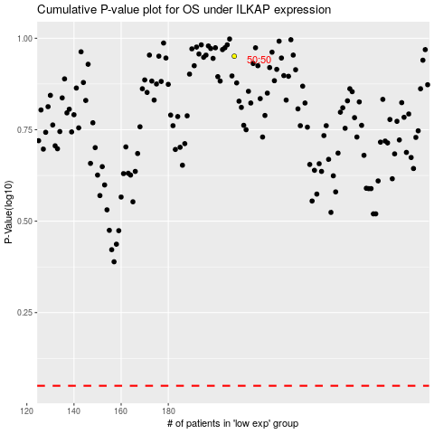

 |  |  |  |  |  | cases_OS | p_OS | rank | exp
 |  |  |  |  |  |  | cases_RFS | p_RFS | rank | exp

