IMMP1L _multivariate
Reported by Tex Li-Hsing Chi. tex@gate.sinica.edu.tw 2019-08-18

Table 2. The clinicopathological features of HNSCC cohort and IMMP1L expression. (Chi square test)
Cutoff at -0.271 (49.8%)
 |  | IMMP1L expression |  | IMMP1L expression |  | (Optimised)
 | Features | Low | (%) | High | (%) | Case no | P-value | Remark | Matthews
Gender | Female | 141 | 34 | 165 | 39.8 | 415 | 0.013 | 1 | 0
2 | Male | 66 | 15.9 | 43 | 10.4
Age at diagnosis | <=65y | 125 | 30.1 | 149 | 35.9 | 415 | 0.0206 | 1 | 0
4 | >65y | 82 | 19.8 | 59 | 14.2
Clinical T Status | T1+T2 | 74 | 17.8 | 75 | 18.1 | 415 | 1 | 0 | 0
6 | T3+T4 | 133 | 32 | 133 | 32
Clinical N Status | N0 | 111 | 26.7 | 105 | 25.3 | 415 | 0.5875 | 0 | 0
8 | N1-3 | 96 | 23.1 | 103 | 24.8
Clinical M Status | M0 | 205 | 49.4 | 207 | 49.9 | 415 | 0.6232 | 0 | 0
10 | M1 | 2 | 0.5 | 1 | 0.2
Clinical Stage | Stage I+II | 55 | 13.3 | 47 | 11.3 | 415 | 0.4087 | 0 | 0
12 | Stage III+IV | 152 | 36.6 | 161 | 38.8
Surgical Margin status | Negative | 173 | 41.7 | 145 | 34.9 | 415 | 0.0011 | 1 | 0
14 | Positive | 34 | 8.2 | 63 | 15.2
Tobacco Exposure | Low | 85 | 20.5 | 76 | 18.3 | 415 | 0.3655 | 0 | 0
16 | High | 122 | 29.4 | 132 | 31.8

Table 3. Univariate/Multivariate Cox's proportional hazards regression analyses on OS time of IMMP1L gene expression in HNSCC

 |  | Univariate |  |  |  | Multivariate
 | Features | HR | CI95%(L) | CI95%(H) | P-value | HR | CI95%(L) | CI95%(H) | P-value
1 | Female | 1 |  |  |  | 1
Gender | Male | 1.157 | 0.843 | 1.587 | 0.367 | 1.197 | 0.857 | 1.673 | 0.292
11 | <=65y | 1 |  |  |  | 1
Age at diagnosis | >65y | 1.329 | 0.99 | 1.784 | 0.058 | 1.384 | 1.016 | 1.884 | 0.039
12 | T1+T2 | 1 |  |  |  | 1
Clinical T Status | T3+T4 | 1.409 | 1.028 | 1.931 | 0.033 | 2.198 | 1.162 | 4.158 | 0.015
13 | N0 | 1 |  |  |  | 1
Clinical N Status | N1-3 | 1.185 | 0.89 | 1.577 | 0.246 | 1.24 | 0.869 | 1.769 | 0.236
14 | M0 | 1 |  |  |  | 1
Clinical M Status | M1 | 4.097 | 1.009 | 16.644 | 0.049 | 9.33 | 2.034 | 42.794 | 0.004
15 | Stage I+II | 1 |  |  |  | 1
Clinical Stage | Stage III+IV | 1.245 | 0.882 | 1.759 | 0.213 | 0.508 | 0.236 | 1.092 | 0.083
16 | Negative | 1 |  |  |  | 1
Surgical Margin status | Positive | 1.591 | 1.155 | 2.191 | 0.004 | 1.702 | 1.216 | 2.382 | 0.002
17 | Low | 1 |  |  |  | 1
Tobacco Exposure | High | 1.364 | 1.008 | 1.844 | 0.044 | 1.453 | 1.055 | 2.002 | 0.022
18 | Low | 1 |  |  |  | 1
RNAseq(z-score) | High | 1.012 | 0.76 | 1.348 | 0.936 | 0.943 | 0.698 | 1.274 | 0.701

Table 4. Univariate/Multivariate Cox's proportional hazards regression analyses on RFS time of IMMP1L gene expression in HNSCC

 |  | Univariate |  |  |  | Multivariate
 | Features | HR | CI95%(L) | CI95%(H) | P-value | HR | CI95%(L) | CI95%(H) | P-value
1 | Female | 1 |  |  |  | 1
Gender | Male | 1.157 | 0.843 | 1.587 | 0.367 | 1.197 | 0.857 | 1.673 | 0.292
11 | <=65y | 1 |  |  |  | 1
Age at diagnosis | >65y | 1.329 | 0.99 | 1.784 | 0.058 | 1.384 | 1.016 | 1.884 | 0.039
12 | T1+T2 | 1 |  |  |  | 1
Clinical T Status | T3+T4 | 1.409 | 1.028 | 1.931 | 0.033 | 2.198 | 1.162 | 4.158 | 0.015
13 | N0 | 1 |  |  |  | 1
Clinical N Status | N1-3 | 1.185 | 0.89 | 1.577 | 0.246 | 1.24 | 0.869 | 1.769 | 0.236
14 | M0 | 1 |  |  |  | 1
Clinical M Status | M1 | 4.097 | 1.009 | 16.644 | 0.049 | 9.33 | 2.034 | 42.794 | 0.004
15 | Stage I+II | 1 |  |  |  | 1
Clinical Stage | Stage III+IV | 1.245 | 0.882 | 1.759 | 0.213 | 0.508 | 0.236 | 1.092 | 0.083
16 | Negative | 1 |  |  |  | 1
Surgical Margin status | Positive | 1.591 | 1.155 | 2.191 | 0.004 | 1.702 | 1.216 | 2.382 | 0.002
17 | Low | 1 |  |  |  | 1
Tobacco Exposure | High | 1.364 | 1.008 | 1.844 | 0.044 | 1.453 | 1.055 | 2.002 | 0.022
18 | Low | 1 |  |  |  | 1
RNAseq(z-score) | High | 1.012 | 0.76 | 1.348 | 0.936 | 0.943 | 0.698 | 1.274 | 0.701

Kaplan-Meier survival estimate: Cutoff at -0.271 (49.8%)



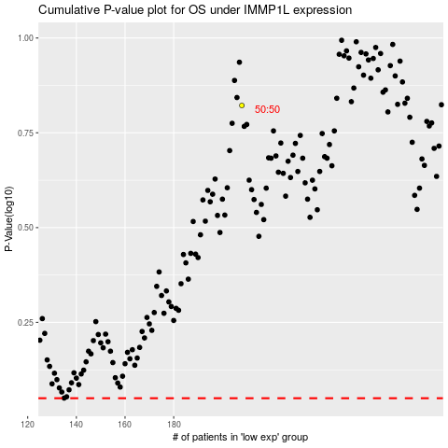

 |  |  |  |  |  | cases_OS | p_OS | rank | exp
 |  |  |  |  |  |  | cases_RFS | p_RFS | rank | exp

