IMP3 _multivariate
Reported by Tex Li-Hsing Chi. tex@gate.sinica.edu.tw 2019-08-18

Table 2. The clinicopathological features of HNSCC cohort and IMP3 expression. (Chi square test)
Cutoff at -0.278 (50.0%)
 |  | IMP3 expression |  | IMP3 expression |  | (Optimised)
 | Features | Low | (%) | High | (%) | Case no | P-value | Remark | Matthews
Gender | Female | 152 | 36.6 | 154 | 37.1 | 415 | 0.9766 | 0 | 0
2 | Male | 55 | 13.3 | 54 | 13
Age at diagnosis | <=65y | 131 | 31.6 | 143 | 34.5 | 415 | 0.2839 | 0 | 0
4 | >65y | 76 | 18.3 | 65 | 15.7
Clinical T Status | T1+T2 | 84 | 20.2 | 65 | 15.7 | 415 | 0.0603 | 0 | 0
6 | T3+T4 | 123 | 29.6 | 143 | 34.5
Clinical N Status | N0 | 105 | 25.3 | 111 | 26.7 | 415 | 0.6598 | 0 | 0
8 | N1-3 | 102 | 24.6 | 97 | 23.4
Clinical M Status | M0 | 206 | 49.6 | 206 | 49.6 | 415 | 1 | 0 | 0
10 | M1 | 1 | 0.2 | 2 | 0.5
Clinical Stage | Stage I+II | 58 | 14 | 44 | 10.6 | 415 | 0.131 | 0 | 0
12 | Stage III+IV | 149 | 35.9 | 164 | 39.5
Surgical Margin status | Negative | 162 | 39 | 156 | 37.6 | 415 | 0.4867 | 0 | 0
14 | Positive | 45 | 10.8 | 52 | 12.5
Tobacco Exposure | Low | 83 | 20 | 78 | 18.8 | 415 | 0.6152 | 0 | 0
16 | High | 124 | 29.9 | 130 | 31.3

Table 3. Univariate/Multivariate Cox's proportional hazards regression analyses on OS time of IMP3 gene expression in HNSCC

 |  | Univariate |  |  |  | Multivariate
 | Features | HR | CI95%(L) | CI95%(H) | P-value | HR | CI95%(L) | CI95%(H) | P-value
1 | Female | 1 |  |  |  | 1
Gender | Male | 1.157 | 0.843 | 1.587 | 0.367 | 1.237 | 0.883 | 1.733 | 0.217
11 | <=65y | 1 |  |  |  | 1
Age at diagnosis | >65y | 1.329 | 0.99 | 1.784 | 0.058 | 1.384 | 1.018 | 1.882 | 0.038
12 | T1+T2 | 1 |  |  |  | 1
Clinical T Status | T3+T4 | 1.409 | 1.028 | 1.931 | 0.033 | 2.246 | 1.187 | 4.251 | 0.013
13 | N0 | 1 |  |  |  | 1
Clinical N Status | N1-3 | 1.185 | 0.89 | 1.577 | 0.246 | 1.212 | 0.847 | 1.734 | 0.292
14 | M0 | 1 |  |  |  | 1
Clinical M Status | M1 | 4.097 | 1.009 | 16.644 | 0.049 | 10.243 | 2.22 | 47.251 | 0.003
15 | Stage I+II | 1 |  |  |  | 1
Clinical Stage | Stage III+IV | 1.245 | 0.882 | 1.759 | 0.213 | 0.514 | 0.239 | 1.104 | 0.088
16 | Negative | 1 |  |  |  | 1
Surgical Margin status | Positive | 1.591 | 1.155 | 2.191 | 0.004 | 1.724 | 1.242 | 2.392 | 0.001
17 | Low | 1 |  |  |  | 1
Tobacco Exposure | High | 1.364 | 1.008 | 1.844 | 0.044 | 1.472 | 1.068 | 2.03 | 0.018
18 | Low | 1 |  |  |  | 1
RNAseq(z-score) | High | 0.965 | 0.724 | 1.286 | 0.808 | 0.834 | 0.62 | 1.122 | 0.231

Table 4. Univariate/Multivariate Cox's proportional hazards regression analyses on RFS time of IMP3 gene expression in HNSCC

 |  | Univariate |  |  |  | Multivariate
 | Features | HR | CI95%(L) | CI95%(H) | P-value | HR | CI95%(L) | CI95%(H) | P-value
1 | Female | 1 |  |  |  | 1
Gender | Male | 1.157 | 0.843 | 1.587 | 0.367 | 1.237 | 0.883 | 1.733 | 0.217
11 | <=65y | 1 |  |  |  | 1
Age at diagnosis | >65y | 1.329 | 0.99 | 1.784 | 0.058 | 1.384 | 1.018 | 1.882 | 0.038
12 | T1+T2 | 1 |  |  |  | 1
Clinical T Status | T3+T4 | 1.409 | 1.028 | 1.931 | 0.033 | 2.246 | 1.187 | 4.251 | 0.013
13 | N0 | 1 |  |  |  | 1
Clinical N Status | N1-3 | 1.185 | 0.89 | 1.577 | 0.246 | 1.212 | 0.847 | 1.734 | 0.292
14 | M0 | 1 |  |  |  | 1
Clinical M Status | M1 | 4.097 | 1.009 | 16.644 | 0.049 | 10.243 | 2.22 | 47.251 | 0.003
15 | Stage I+II | 1 |  |  |  | 1
Clinical Stage | Stage III+IV | 1.245 | 0.882 | 1.759 | 0.213 | 0.514 | 0.239 | 1.104 | 0.088
16 | Negative | 1 |  |  |  | 1
Surgical Margin status | Positive | 1.591 | 1.155 | 2.191 | 0.004 | 1.724 | 1.242 | 2.392 | 0.001
17 | Low | 1 |  |  |  | 1
Tobacco Exposure | High | 1.364 | 1.008 | 1.844 | 0.044 | 1.472 | 1.068 | 2.03 | 0.018
18 | Low | 1 |  |  |  | 1
RNAseq(z-score) | High | 0.965 | 0.724 | 1.286 | 0.808 | 0.834 | 0.62 | 1.122 | 0.231

Kaplan-Meier survival estimate: Cutoff at -0.278 (50.0%)



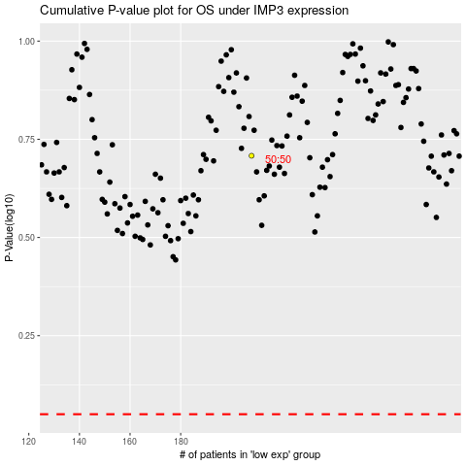

 |  |  |  |  |  | cases_OS | p_OS | rank | exp
 |  |  |  |  |  |  | cases_RFS | p_RFS | rank | exp

