IMPAD1 _multivariate
Reported by Tex Li-Hsing Chi. tex@gate.sinica.edu.tw 2019-08-18

Table 2. The clinicopathological features of HNSCC cohort and IMPAD1 expression. (Chi square test)
Cutoff at -0.066 (49.8%)
 |  | IMPAD1 expression |  | IMPAD1 expression |  | (Optimised)
 | Features | Low | (%) | High | (%) | Case no | P-value | Remark | Matthews
Gender | Female | 155 | 37.3 | 151 | 36.4 | 415 | 0.6768 | 0 | 0
2 | Male | 52 | 12.5 | 57 | 13.7
Age at diagnosis | <=65y | 133 | 32 | 141 | 34 | 415 | 0.5111 | 0 | 0
4 | >65y | 74 | 17.8 | 67 | 16.1
Clinical T Status | T1+T2 | 73 | 17.6 | 76 | 18.3 | 415 | 0.8666 | 0 | 0
6 | T3+T4 | 134 | 32.3 | 132 | 31.8
Clinical N Status | N0 | 112 | 27 | 104 | 25.1 | 415 | 0.4599 | 0 | 0
8 | N1-3 | 95 | 22.9 | 104 | 25.1
Clinical M Status | M0 | 205 | 49.4 | 207 | 49.9 | 415 | 0.6232 | 0 | 0
10 | M1 | 2 | 0.5 | 1 | 0.2
Clinical Stage | Stage I+II | 49 | 11.8 | 53 | 12.8 | 415 | 0.7535 | 0 | 0
12 | Stage III+IV | 158 | 38.1 | 155 | 37.3
Surgical Margin status | Negative | 154 | 37.1 | 164 | 39.5 | 415 | 0.2984 | 0 | 0
14 | Positive | 53 | 12.8 | 44 | 10.6
Tobacco Exposure | Low | 92 | 22.2 | 69 | 16.6 | 415 | 0.0206 | 1 | 0
16 | High | 115 | 27.7 | 139 | 33.5

Table 3. Univariate/Multivariate Cox's proportional hazards regression analyses on OS time of IMPAD1 gene expression in HNSCC

 |  | Univariate |  |  |  | Multivariate
 | Features | HR | CI95%(L) | CI95%(H) | P-value | HR | CI95%(L) | CI95%(H) | P-value
1 | Female | 1 |  |  |  | 1
Gender | Male | 1.157 | 0.843 | 1.587 | 0.367 | 1.203 | 0.861 | 1.681 | 0.278
11 | <=65y | 1 |  |  |  | 1
Age at diagnosis | >65y | 1.329 | 0.99 | 1.784 | 0.058 | 1.394 | 1.025 | 1.895 | 0.034
12 | T1+T2 | 1 |  |  |  | 1
Clinical T Status | T3+T4 | 1.409 | 1.028 | 1.931 | 0.033 | 2.192 | 1.159 | 4.147 | 0.016
13 | N0 | 1 |  |  |  | 1
Clinical N Status | N1-3 | 1.185 | 0.89 | 1.577 | 0.246 | 1.236 | 0.865 | 1.765 | 0.244
14 | M0 | 1 |  |  |  | 1
Clinical M Status | M1 | 4.097 | 1.009 | 16.644 | 0.049 | 9.514 | 2.072 | 43.675 | 0.004
15 | Stage I+II | 1 |  |  |  | 1
Clinical Stage | Stage III+IV | 1.245 | 0.882 | 1.759 | 0.213 | 0.51 | 0.237 | 1.098 | 0.085
16 | Negative | 1 |  |  |  | 1
Surgical Margin status | Positive | 1.591 | 1.155 | 2.191 | 0.004 | 1.676 | 1.212 | 2.316 | 0.002
17 | Low | 1 |  |  |  | 1
Tobacco Exposure | High | 1.364 | 1.008 | 1.844 | 0.044 | 1.45 | 1.052 | 1.999 | 0.023
18 | Low | 1 |  |  |  | 1
RNAseq(z-score) | High | 1.023 | 0.768 | 1.363 | 0.876 | 1.048 | 0.784 | 1.4 | 0.753

Table 4. Univariate/Multivariate Cox's proportional hazards regression analyses on RFS time of IMPAD1 gene expression in HNSCC

 |  | Univariate |  |  |  | Multivariate
 | Features | HR | CI95%(L) | CI95%(H) | P-value | HR | CI95%(L) | CI95%(H) | P-value
1 | Female | 1 |  |  |  | 1
Gender | Male | 1.157 | 0.843 | 1.587 | 0.367 | 1.203 | 0.861 | 1.681 | 0.278
11 | <=65y | 1 |  |  |  | 1
Age at diagnosis | >65y | 1.329 | 0.99 | 1.784 | 0.058 | 1.394 | 1.025 | 1.895 | 0.034
12 | T1+T2 | 1 |  |  |  | 1
Clinical T Status | T3+T4 | 1.409 | 1.028 | 1.931 | 0.033 | 2.192 | 1.159 | 4.147 | 0.016
13 | N0 | 1 |  |  |  | 1
Clinical N Status | N1-3 | 1.185 | 0.89 | 1.577 | 0.246 | 1.236 | 0.865 | 1.765 | 0.244
14 | M0 | 1 |  |  |  | 1
Clinical M Status | M1 | 4.097 | 1.009 | 16.644 | 0.049 | 9.514 | 2.072 | 43.675 | 0.004
15 | Stage I+II | 1 |  |  |  | 1
Clinical Stage | Stage III+IV | 1.245 | 0.882 | 1.759 | 0.213 | 0.51 | 0.237 | 1.098 | 0.085
16 | Negative | 1 |  |  |  | 1
Surgical Margin status | Positive | 1.591 | 1.155 | 2.191 | 0.004 | 1.676 | 1.212 | 2.316 | 0.002
17 | Low | 1 |  |  |  | 1
Tobacco Exposure | High | 1.364 | 1.008 | 1.844 | 0.044 | 1.45 | 1.052 | 1.999 | 0.023
18 | Low | 1 |  |  |  | 1
RNAseq(z-score) | High | 1.023 | 0.768 | 1.363 | 0.876 | 1.048 | 0.784 | 1.4 | 0.753

Kaplan-Meier survival estimate: Cutoff at -0.066 (49.8%)



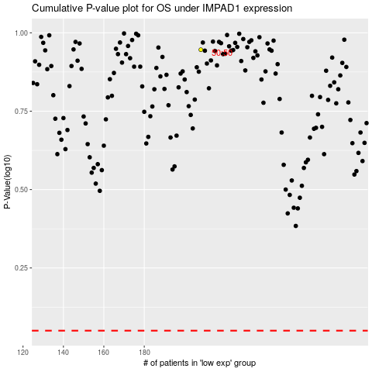

 |  |  |  |  |  | cases_OS | p_OS | rank | exp
 |  |  |  |  |  |  | cases_RFS | p_RFS | rank | exp

