IMPDH2 _multivariate
Reported by Tex Li-Hsing Chi. tex@gate.sinica.edu.tw 2019-08-18

Table 2. The clinicopathological features of HNSCC cohort and IMPDH2 expression. (Chi square test)
Cutoff at -0.536 (34.8%)
 |  | IMPDH2 expression |  | IMPDH2 expression |  | (Optimised)
 | Features | Low | (%) | High | (%) | Case no | P-value | Remark | Matthews
Gender | Female | 109 | 26.3 | 197 | 47.5 | 415 | 0.7109 | 0 | 0
2 | Male | 36 | 8.7 | 73 | 17.6
Age at diagnosis | <=65y | 101 | 24.3 | 173 | 41.7 | 415 | 0.3003 | 0 | 0
4 | >65y | 44 | 10.6 | 97 | 23.4
Clinical T Status | T1+T2 | 58 | 14 | 91 | 21.9 | 415 | 0.243 | 0 | 0
6 | T3+T4 | 87 | 21 | 179 | 43.1
Clinical N Status | N0 | 82 | 19.8 | 134 | 32.3 | 415 | 0.214 | 0 | 0
8 | N1-3 | 63 | 15.2 | 136 | 32.8
Clinical M Status | M0 | 144 | 34.7 | 268 | 64.6 | 415 | 1 | 0 | 0
10 | M1 | 1 | 0.2 | 2 | 0.5
Clinical Stage | Stage I+II | 38 | 9.2 | 64 | 15.4 | 415 | 0.6562 | 0 | 0
12 | Stage III+IV | 107 | 25.8 | 206 | 49.6
Surgical Margin status | Negative | 115 | 27.7 | 203 | 48.9 | 415 | 0.3949 | 0 | 0
14 | Positive | 30 | 7.2 | 67 | 16.1
Tobacco Exposure | Low | 54 | 13 | 107 | 25.8 | 415 | 0.6732 | 0 | 0
16 | High | 91 | 21.9 | 163 | 39.3

Table 3. Univariate/Multivariate Cox's proportional hazards regression analyses on OS time of IMPDH2 gene expression in HNSCC

 |  | Univariate |  |  |  | Multivariate
 | Features | HR | CI95%(L) | CI95%(H) | P-value | HR | CI95%(L) | CI95%(H) | P-value
1 | Female | 1 |  |  |  | 1
Gender | Male | 1.157 | 0.843 | 1.587 | 0.367 | 1.177 | 0.84 | 1.648 | 0.343
11 | <=65y | 1 |  |  |  | 1
Age at diagnosis | >65y | 1.329 | 0.99 | 1.784 | 0.058 | 1.384 | 1.018 | 1.883 | 0.038
12 | T1+T2 | 1 |  |  |  | 1
Clinical T Status | T3+T4 | 1.409 | 1.028 | 1.931 | 0.033 | 2.151 | 1.137 | 4.07 | 0.019
13 | N0 | 1 |  |  |  | 1
Clinical N Status | N1-3 | 1.185 | 0.89 | 1.577 | 0.246 | 1.217 | 0.852 | 1.739 | 0.28
14 | M0 | 1 |  |  |  | 1
Clinical M Status | M1 | 4.097 | 1.009 | 16.644 | 0.049 | 9.343 | 2.038 | 42.827 | 0.004
15 | Stage I+II | 1 |  |  |  | 1
Clinical Stage | Stage III+IV | 1.245 | 0.882 | 1.759 | 0.213 | 0.523 | 0.243 | 1.123 | 0.096
16 | Negative | 1 |  |  |  | 1
Surgical Margin status | Positive | 1.591 | 1.155 | 2.191 | 0.004 | 1.631 | 1.179 | 2.256 | 0.003
17 | Low | 1 |  |  |  | 1
Tobacco Exposure | High | 1.364 | 1.008 | 1.844 | 0.044 | 1.464 | 1.062 | 2.018 | 0.02
18 | Low | 1 |  |  |  | 1
RNAseq(z-score) | High | 1.37 | 1.006 | 1.866 | 0.046 | 1.285 | 0.941 | 1.757 | 0.115

Table 4. Univariate/Multivariate Cox's proportional hazards regression analyses on RFS time of IMPDH2 gene expression in HNSCC

 |  | Univariate |  |  |  | Multivariate
 | Features | HR | CI95%(L) | CI95%(H) | P-value | HR | CI95%(L) | CI95%(H) | P-value
1 | Female | 1 |  |  |  | 1
Gender | Male | 1.157 | 0.843 | 1.587 | 0.367 | 1.177 | 0.84 | 1.648 | 0.343
11 | <=65y | 1 |  |  |  | 1
Age at diagnosis | >65y | 1.329 | 0.99 | 1.784 | 0.058 | 1.384 | 1.018 | 1.883 | 0.038
12 | T1+T2 | 1 |  |  |  | 1
Clinical T Status | T3+T4 | 1.409 | 1.028 | 1.931 | 0.033 | 2.151 | 1.137 | 4.07 | 0.019
13 | N0 | 1 |  |  |  | 1
Clinical N Status | N1-3 | 1.185 | 0.89 | 1.577 | 0.246 | 1.217 | 0.852 | 1.739 | 0.28
14 | M0 | 1 |  |  |  | 1
Clinical M Status | M1 | 4.097 | 1.009 | 16.644 | 0.049 | 9.343 | 2.038 | 42.827 | 0.004
15 | Stage I+II | 1 |  |  |  | 1
Clinical Stage | Stage III+IV | 1.245 | 0.882 | 1.759 | 0.213 | 0.523 | 0.243 | 1.123 | 0.096
16 | Negative | 1 |  |  |  | 1
Surgical Margin status | Positive | 1.591 | 1.155 | 2.191 | 0.004 | 1.631 | 1.179 | 2.256 | 0.003
17 | Low | 1 |  |  |  | 1
Tobacco Exposure | High | 1.364 | 1.008 | 1.844 | 0.044 | 1.464 | 1.062 | 2.018 | 0.02
18 | Low | 1 |  |  |  | 1
RNAseq(z-score) | High | 1.37 | 1.006 | 1.866 | 0.046 | 1.285 | 0.941 | 1.757 | 0.115

Kaplan-Meier survival estimate: Cutoff at -0.536 (34.8%)



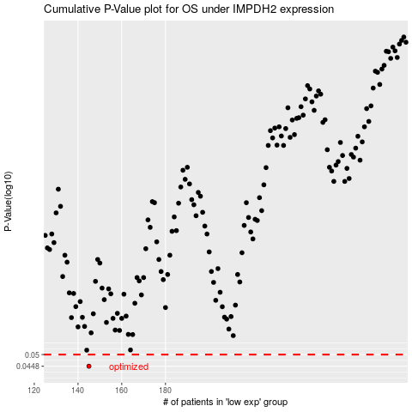

 |  |  |  |  |  | cases_OS | p_OS | rank | exp
 |  |  |  |  |  | 145 | 0.0448 | 261 | -0.53574285422
 |  |  |  |  |  |  | cases_RFS | p_RFS | rank | exp
 |  |  |  |  |  |  | 144 | 0.0448 | 162 | -0.53687052805

