INADL _multivariate
Reported by Tex Li-Hsing Chi. tex@gate.sinica.edu.tw 2019-08-18

Table 2. The clinicopathological features of HNSCC cohort and INADL expression. (Chi square test)
Cutoff at -0.123 (50.0%)
 |  | INADL expression |  | INADL expression |  | (Optimised)
 | Features | Low | (%) | High | (%) | Case no | P-value | Remark | Matthews
Gender | Female | 148 | 35.7 | 158 | 38.1 | 415 | 0.3567 | 0 | 0
2 | Male | 59 | 14.2 | 50 | 12
Age at diagnosis | <=65y | 134 | 32.3 | 140 | 33.7 | 415 | 0.6529 | 0 | 0
4 | >65y | 73 | 17.6 | 68 | 16.4
Clinical T Status | T1+T2 | 81 | 19.5 | 68 | 16.4 | 415 | 0.206 | 0 | 0
6 | T3+T4 | 126 | 30.4 | 140 | 33.7
Clinical N Status | N0 | 113 | 27.2 | 103 | 24.8 | 415 | 0.3495 | 1 | 0
8 | N1-3 | 94 | 22.7 | 105 | 25.3
Clinical M Status | M0 | 206 | 49.6 | 206 | 49.6 | 415 | 1 | 0 | 0
10 | M1 | 1 | 0.2 | 2 | 0.5
Clinical Stage | Stage I+II | 57 | 13.7 | 45 | 10.8 | 415 | 0.1998 | 0 | 0
12 | Stage III+IV | 150 | 36.1 | 163 | 39.3
Surgical Margin status | Negative | 162 | 39 | 156 | 37.6 | 415 | 0.4867 | 0 | 0
14 | Positive | 45 | 10.8 | 52 | 12.5
Tobacco Exposure | Low | 85 | 20.5 | 76 | 18.3 | 415 | 0.3655 | 0 | 0
16 | High | 122 | 29.4 | 132 | 31.8

Table 3. Univariate/Multivariate Cox's proportional hazards regression analyses on OS time of INADL gene expression in HNSCC

 |  | Univariate |  |  |  | Multivariate
 | Features | HR | CI95%(L) | CI95%(H) | P-value | HR | CI95%(L) | CI95%(H) | P-value
1 | Female | 1 |  |  |  | 1
Gender | Male | 1.157 | 0.843 | 1.587 | 0.367 | 1.197 | 0.856 | 1.674 | 0.293
11 | <=65y | 1 |  |  |  | 1
Age at diagnosis | >65y | 1.329 | 0.99 | 1.784 | 0.058 | 1.388 | 1.02 | 1.887 | 0.037
12 | T1+T2 | 1 |  |  |  | 1
Clinical T Status | T3+T4 | 1.409 | 1.028 | 1.931 | 0.033 | 2.202 | 1.164 | 4.164 | 0.015
13 | N0 | 1 |  |  |  | 1
Clinical N Status | N1-3 | 1.185 | 0.89 | 1.577 | 0.246 | 1.24 | 0.869 | 1.769 | 0.236
14 | M0 | 1 |  |  |  | 1
Clinical M Status | M1 | 4.097 | 1.009 | 16.644 | 0.049 | 9.435 | 2.058 | 43.253 | 0.004
15 | Stage I+II | 1 |  |  |  | 1
Clinical Stage | Stage III+IV | 1.245 | 0.882 | 1.759 | 0.213 | 0.507 | 0.236 | 1.09 | 0.082
16 | Negative | 1 |  |  |  | 1
Surgical Margin status | Positive | 1.591 | 1.155 | 2.191 | 0.004 | 1.679 | 1.214 | 2.322 | 0.002
17 | Low | 1 |  |  |  | 1
Tobacco Exposure | High | 1.364 | 1.008 | 1.844 | 0.044 | 1.46 | 1.059 | 2.014 | 0.021
18 | Low | 1 |  |  |  | 1
RNAseq(z-score) | High | 0.988 | 0.741 | 1.316 | 0.932 | 0.941 | 0.703 | 1.258 | 0.68

Table 4. Univariate/Multivariate Cox's proportional hazards regression analyses on RFS time of INADL gene expression in HNSCC

 |  | Univariate |  |  |  | Multivariate
 | Features | HR | CI95%(L) | CI95%(H) | P-value | HR | CI95%(L) | CI95%(H) | P-value
1 | Female | 1 |  |  |  | 1
Gender | Male | 1.157 | 0.843 | 1.587 | 0.367 | 1.197 | 0.856 | 1.674 | 0.293
11 | <=65y | 1 |  |  |  | 1
Age at diagnosis | >65y | 1.329 | 0.99 | 1.784 | 0.058 | 1.388 | 1.02 | 1.887 | 0.037
12 | T1+T2 | 1 |  |  |  | 1
Clinical T Status | T3+T4 | 1.409 | 1.028 | 1.931 | 0.033 | 2.202 | 1.164 | 4.164 | 0.015
13 | N0 | 1 |  |  |  | 1
Clinical N Status | N1-3 | 1.185 | 0.89 | 1.577 | 0.246 | 1.24 | 0.869 | 1.769 | 0.236
14 | M0 | 1 |  |  |  | 1
Clinical M Status | M1 | 4.097 | 1.009 | 16.644 | 0.049 | 9.435 | 2.058 | 43.253 | 0.004
15 | Stage I+II | 1 |  |  |  | 1
Clinical Stage | Stage III+IV | 1.245 | 0.882 | 1.759 | 0.213 | 0.507 | 0.236 | 1.09 | 0.082
16 | Negative | 1 |  |  |  | 1
Surgical Margin status | Positive | 1.591 | 1.155 | 2.191 | 0.004 | 1.679 | 1.214 | 2.322 | 0.002
17 | Low | 1 |  |  |  | 1
Tobacco Exposure | High | 1.364 | 1.008 | 1.844 | 0.044 | 1.46 | 1.059 | 2.014 | 0.021
18 | Low | 1 |  |  |  | 1
RNAseq(z-score) | High | 0.988 | 0.741 | 1.316 | 0.932 | 0.941 | 0.703 | 1.258 | 0.68

Kaplan-Meier survival estimate: Cutoff at -0.123 (50.0%)



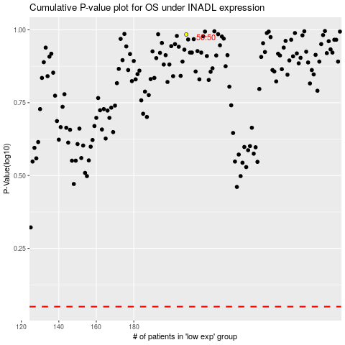

 |  |  |  |  |  | cases_OS | p_OS | rank | exp
 |  |  |  |  |  |  | cases_RFS | p_RFS | rank | exp

