ING1 _multivariate
Reported by Tex Li-Hsing Chi. tex@gate.sinica.edu.tw 2019-08-18

Table 2. The clinicopathological features of HNSCC cohort and ING1 expression. (Chi square test)
Cutoff at -0.227 (49.8%)
 |  | ING1 expression |  | ING1 expression |  | (Optimised)
 | Features | Low | (%) | High | (%) | Case no | P-value | Remark | Matthews
Gender | Female | 134 | 32.3 | 172 | 41.4 | 415 | 1e-04 | 1 | 0
2 | Male | 73 | 17.6 | 36 | 8.7
Age at diagnosis | <=65y | 134 | 32.3 | 140 | 33.7 | 415 | 0.6529 | 0 | 0
4 | >65y | 73 | 17.6 | 68 | 16.4
Clinical T Status | T1+T2 | 80 | 19.3 | 69 | 16.6 | 415 | 0.2891 | 0 | 0
6 | T3+T4 | 127 | 30.6 | 139 | 33.5
Clinical N Status | N0 | 115 | 27.7 | 101 | 24.3 | 415 | 0.184 | 1 | 0
8 | N1-3 | 92 | 22.2 | 107 | 25.8
Clinical M Status | M0 | 204 | 49.2 | 208 | 50.1 | 415 | 0.1232 | 0 | 0
10 | M1 | 3 | 0.7 | 0 | 0
Clinical Stage | Stage I+II | 58 | 14 | 44 | 10.6 | 415 | 0.131 | 0 | 0
12 | Stage III+IV | 149 | 35.9 | 164 | 39.5
Surgical Margin status | Negative | 165 | 39.8 | 153 | 36.9 | 415 | 0.1639 | 0 | 0
14 | Positive | 42 | 10.1 | 55 | 13.3
Tobacco Exposure | Low | 87 | 21 | 74 | 17.8 | 415 | 0.1911 | 0 | 0
16 | High | 120 | 28.9 | 134 | 32.3

Table 3. Univariate/Multivariate Cox's proportional hazards regression analyses on OS time of ING1 gene expression in HNSCC

 |  | Univariate |  |  |  | Multivariate
 | Features | HR | CI95%(L) | CI95%(H) | P-value | HR | CI95%(L) | CI95%(H) | P-value
1 | Female | 1 |  |  |  | 1
Gender | Male | 1.157 | 0.843 | 1.587 | 0.367 | 1.312 | 0.925 | 1.861 | 0.128
11 | <=65y | 1 |  |  |  | 1
Age at diagnosis | >65y | 1.329 | 0.99 | 1.784 | 0.058 | 1.393 | 1.024 | 1.894 | 0.035
12 | T1+T2 | 1 |  |  |  | 1
Clinical T Status | T3+T4 | 1.409 | 1.028 | 1.931 | 0.033 | 2.232 | 1.181 | 4.217 | 0.013
13 | N0 | 1 |  |  |  | 1
Clinical N Status | N1-3 | 1.185 | 0.89 | 1.577 | 0.246 | 1.237 | 0.867 | 1.767 | 0.241
14 | M0 | 1 |  |  |  | 1
Clinical M Status | M1 | 4.097 | 1.009 | 16.644 | 0.049 | 11.301 | 2.425 | 52.669 | 0.002
15 | Stage I+II | 1 |  |  |  | 1
Clinical Stage | Stage III+IV | 1.245 | 0.882 | 1.759 | 0.213 | 0.488 | 0.227 | 1.049 | 0.066
16 | Negative | 1 |  |  |  | 1
Surgical Margin status | Positive | 1.591 | 1.155 | 2.191 | 0.004 | 1.611 | 1.163 | 2.233 | 0.004
17 | Low | 1 |  |  |  | 1
Tobacco Exposure | High | 1.364 | 1.008 | 1.844 | 0.044 | 1.478 | 1.072 | 2.038 | 0.017
18 | Low | 1 |  |  |  | 1
RNAseq(z-score) | High | 1.234 | 0.926 | 1.646 | 0.151 | 1.305 | 0.958 | 1.778 | 0.092

Table 4. Univariate/Multivariate Cox's proportional hazards regression analyses on RFS time of ING1 gene expression in HNSCC

 |  | Univariate |  |  |  | Multivariate
 | Features | HR | CI95%(L) | CI95%(H) | P-value | HR | CI95%(L) | CI95%(H) | P-value
1 | Female | 1 |  |  |  | 1
Gender | Male | 1.157 | 0.843 | 1.587 | 0.367 | 1.312 | 0.925 | 1.861 | 0.128
11 | <=65y | 1 |  |  |  | 1
Age at diagnosis | >65y | 1.329 | 0.99 | 1.784 | 0.058 | 1.393 | 1.024 | 1.894 | 0.035
12 | T1+T2 | 1 |  |  |  | 1
Clinical T Status | T3+T4 | 1.409 | 1.028 | 1.931 | 0.033 | 2.232 | 1.181 | 4.217 | 0.013
13 | N0 | 1 |  |  |  | 1
Clinical N Status | N1-3 | 1.185 | 0.89 | 1.577 | 0.246 | 1.237 | 0.867 | 1.767 | 0.241
14 | M0 | 1 |  |  |  | 1
Clinical M Status | M1 | 4.097 | 1.009 | 16.644 | 0.049 | 11.301 | 2.425 | 52.669 | 0.002
15 | Stage I+II | 1 |  |  |  | 1
Clinical Stage | Stage III+IV | 1.245 | 0.882 | 1.759 | 0.213 | 0.488 | 0.227 | 1.049 | 0.066
16 | Negative | 1 |  |  |  | 1
Surgical Margin status | Positive | 1.591 | 1.155 | 2.191 | 0.004 | 1.611 | 1.163 | 2.233 | 0.004
17 | Low | 1 |  |  |  | 1
Tobacco Exposure | High | 1.364 | 1.008 | 1.844 | 0.044 | 1.478 | 1.072 | 2.038 | 0.017
18 | Low | 1 |  |  |  | 1
RNAseq(z-score) | High | 1.234 | 0.926 | 1.646 | 0.151 | 1.305 | 0.958 | 1.778 | 0.092

Kaplan-Meier survival estimate: Cutoff at -0.227 (49.8%)



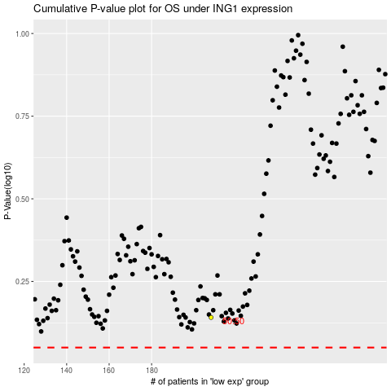

 |  |  |  |  |  | cases_OS | p_OS | rank | exp
 |  |  |  |  |  |  | cases_RFS | p_RFS | rank | exp

