ING2 _multivariate
Reported by Tex Li-Hsing Chi. tex@gate.sinica.edu.tw 2019-08-18

Table 2. The clinicopathological features of HNSCC cohort and ING2 expression. (Chi square test)
Cutoff at -0.191 (50.0%)
 |  | ING2 expression |  | ING2 expression |  | (Optimised)
 | Features | Low | (%) | High | (%) | Case no | P-value | Remark | Matthews
Gender | Female | 151 | 36.4 | 155 | 37.3 | 415 | 0.8007 | 0 | 0
2 | Male | 56 | 13.5 | 53 | 12.8
Age at diagnosis | <=65y | 140 | 33.7 | 134 | 32.3 | 415 | 0.5574 | 0 | 0
4 | >65y | 67 | 16.1 | 74 | 17.8
Clinical T Status | T1+T2 | 74 | 17.8 | 75 | 18.1 | 415 | 1 | 0 | 0
6 | T3+T4 | 133 | 32 | 133 | 32
Clinical N Status | N0 | 110 | 26.5 | 106 | 25.5 | 415 | 0.7294 | 0 | 0
8 | N1-3 | 97 | 23.4 | 102 | 24.6
Clinical M Status | M0 | 206 | 49.6 | 206 | 49.6 | 415 | 1 | 0 | 0
10 | M1 | 1 | 0.2 | 2 | 0.5
Clinical Stage | Stage I+II | 57 | 13.7 | 45 | 10.8 | 415 | 0.1998 | 0 | 0
12 | Stage III+IV | 150 | 36.1 | 163 | 39.3
Surgical Margin status | Negative | 167 | 40.2 | 151 | 36.4 | 415 | 0.0632 | 0 | 0
14 | Positive | 40 | 9.6 | 57 | 13.7
Tobacco Exposure | Low | 77 | 18.6 | 84 | 20.2 | 415 | 0.5459 | 0 | 0
16 | High | 130 | 31.3 | 124 | 29.9

Table 3. Univariate/Multivariate Cox's proportional hazards regression analyses on OS time of ING2 gene expression in HNSCC

 |  | Univariate |  |  |  | Multivariate
 | Features | HR | CI95%(L) | CI95%(H) | P-value | HR | CI95%(L) | CI95%(H) | P-value
1 | Female | 1 |  |  |  | 1
Gender | Male | 1.157 | 0.843 | 1.587 | 0.367 | 1.198 | 0.858 | 1.674 | 0.289
11 | <=65y | 1 |  |  |  | 1
Age at diagnosis | >65y | 1.329 | 0.99 | 1.784 | 0.058 | 1.382 | 1.015 | 1.881 | 0.04
12 | T1+T2 | 1 |  |  |  | 1
Clinical T Status | T3+T4 | 1.409 | 1.028 | 1.931 | 0.033 | 2.252 | 1.183 | 4.285 | 0.013
13 | N0 | 1 |  |  |  | 1
Clinical N Status | N1-3 | 1.185 | 0.89 | 1.577 | 0.246 | 1.255 | 0.877 | 1.797 | 0.214
14 | M0 | 1 |  |  |  | 1
Clinical M Status | M1 | 4.097 | 1.009 | 16.644 | 0.049 | 9.324 | 2.033 | 42.765 | 0.004
15 | Stage I+II | 1 |  |  |  | 1
Clinical Stage | Stage III+IV | 1.245 | 0.882 | 1.759 | 0.213 | 0.489 | 0.225 | 1.061 | 0.07
16 | Negative | 1 |  |  |  | 1
Surgical Margin status | Positive | 1.591 | 1.155 | 2.191 | 0.004 | 1.654 | 1.194 | 2.292 | 0.002
17 | Low | 1 |  |  |  | 1
Tobacco Exposure | High | 1.364 | 1.008 | 1.844 | 0.044 | 1.447 | 1.05 | 1.994 | 0.024
18 | Low | 1 |  |  |  | 1
RNAseq(z-score) | High | 1.14 | 0.855 | 1.52 | 0.372 | 1.076 | 0.799 | 1.447 | 0.63

Table 4. Univariate/Multivariate Cox's proportional hazards regression analyses on RFS time of ING2 gene expression in HNSCC

 |  | Univariate |  |  |  | Multivariate
 | Features | HR | CI95%(L) | CI95%(H) | P-value | HR | CI95%(L) | CI95%(H) | P-value
1 | Female | 1 |  |  |  | 1
Gender | Male | 1.157 | 0.843 | 1.587 | 0.367 | 1.198 | 0.858 | 1.674 | 0.289
11 | <=65y | 1 |  |  |  | 1
Age at diagnosis | >65y | 1.329 | 0.99 | 1.784 | 0.058 | 1.382 | 1.015 | 1.881 | 0.04
12 | T1+T2 | 1 |  |  |  | 1
Clinical T Status | T3+T4 | 1.409 | 1.028 | 1.931 | 0.033 | 2.252 | 1.183 | 4.285 | 0.013
13 | N0 | 1 |  |  |  | 1
Clinical N Status | N1-3 | 1.185 | 0.89 | 1.577 | 0.246 | 1.255 | 0.877 | 1.797 | 0.214
14 | M0 | 1 |  |  |  | 1
Clinical M Status | M1 | 4.097 | 1.009 | 16.644 | 0.049 | 9.324 | 2.033 | 42.765 | 0.004
15 | Stage I+II | 1 |  |  |  | 1
Clinical Stage | Stage III+IV | 1.245 | 0.882 | 1.759 | 0.213 | 0.489 | 0.225 | 1.061 | 0.07
16 | Negative | 1 |  |  |  | 1
Surgical Margin status | Positive | 1.591 | 1.155 | 2.191 | 0.004 | 1.654 | 1.194 | 2.292 | 0.002
17 | Low | 1 |  |  |  | 1
Tobacco Exposure | High | 1.364 | 1.008 | 1.844 | 0.044 | 1.447 | 1.05 | 1.994 | 0.024
18 | Low | 1 |  |  |  | 1
RNAseq(z-score) | High | 1.14 | 0.855 | 1.52 | 0.372 | 1.076 | 0.799 | 1.447 | 0.63

Kaplan-Meier survival estimate: Cutoff at -0.191 (50.0%)



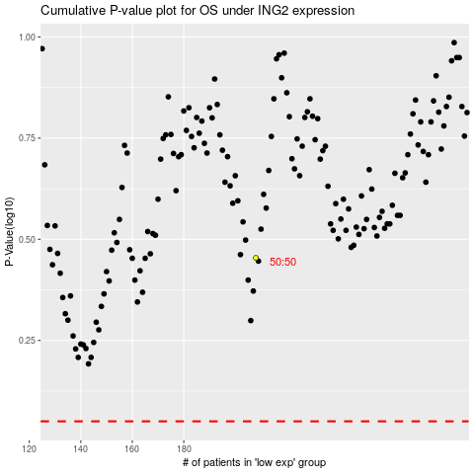

 |  |  |  |  |  | cases_OS | p_OS | rank | exp
 |  |  |  |  |  |  | cases_RFS | p_RFS | rank | exp

